Drugs
Main
 |  |  | Drug | Indication | Phase | Trial | Readout
 |  |  | atacicept | Immunoglobulin A Nephropathy / Berger's Disease | 3 | ORIGIN3 | Q2 2025
 | Atacicept | LN Publications - Vera Therapeutics
 | Novel biologic investigational therapeutic: recombinant fusion protein containing the soluble TACI receptor that binds to the cytokines BAFF and APRIL,
 | members of the tumor necrosis factor family that stimulate B cells and plasma cells to produce autoantibodies associated with IgA nephropathy (IgAN) and lupus nephritis (LN)
 | Vera holds an exclusive worldwide license for the development and commercialization of atacicept in all indications from Merck KGaA, Darmstadt, Germany, a leading science and technology company
 | BAFF = B-cell activating factor; APRIL = A proliferation-inducing ligand; TACI = transmembrane activator and CAML interactor.

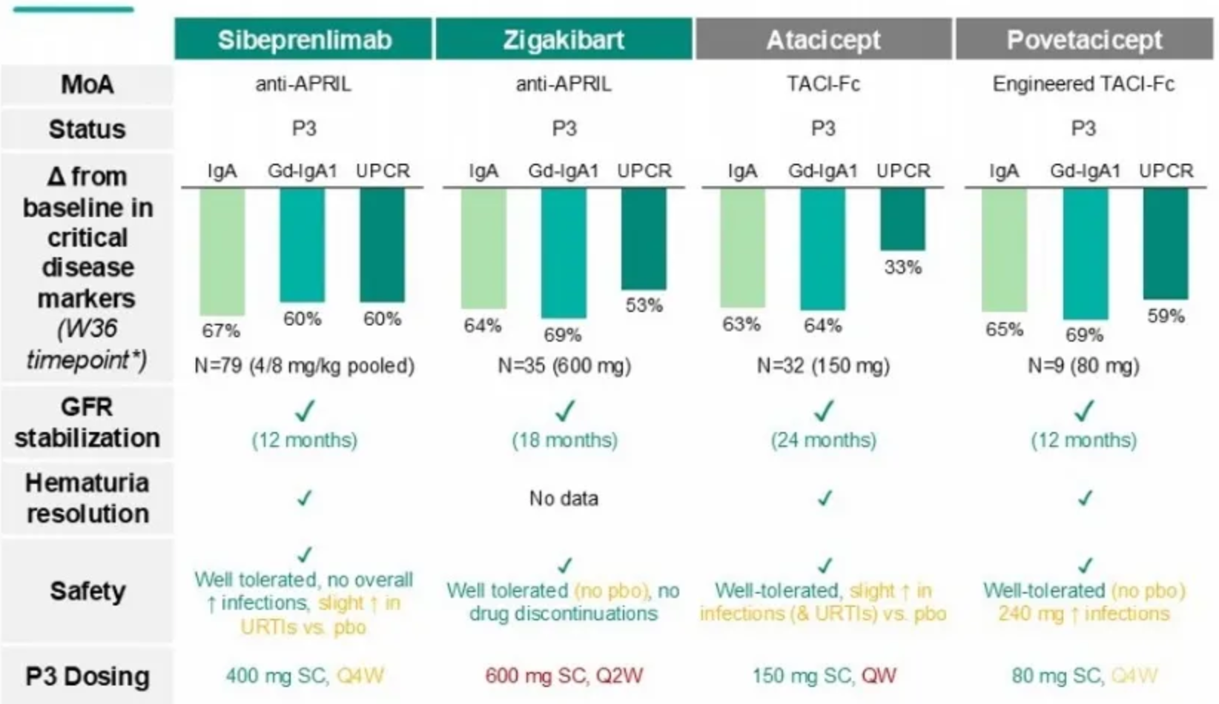
 | Comparative Efficacy |  |  | Problem
 |  |  |  | Sub-par UPCR reduction

