Clinical Trials
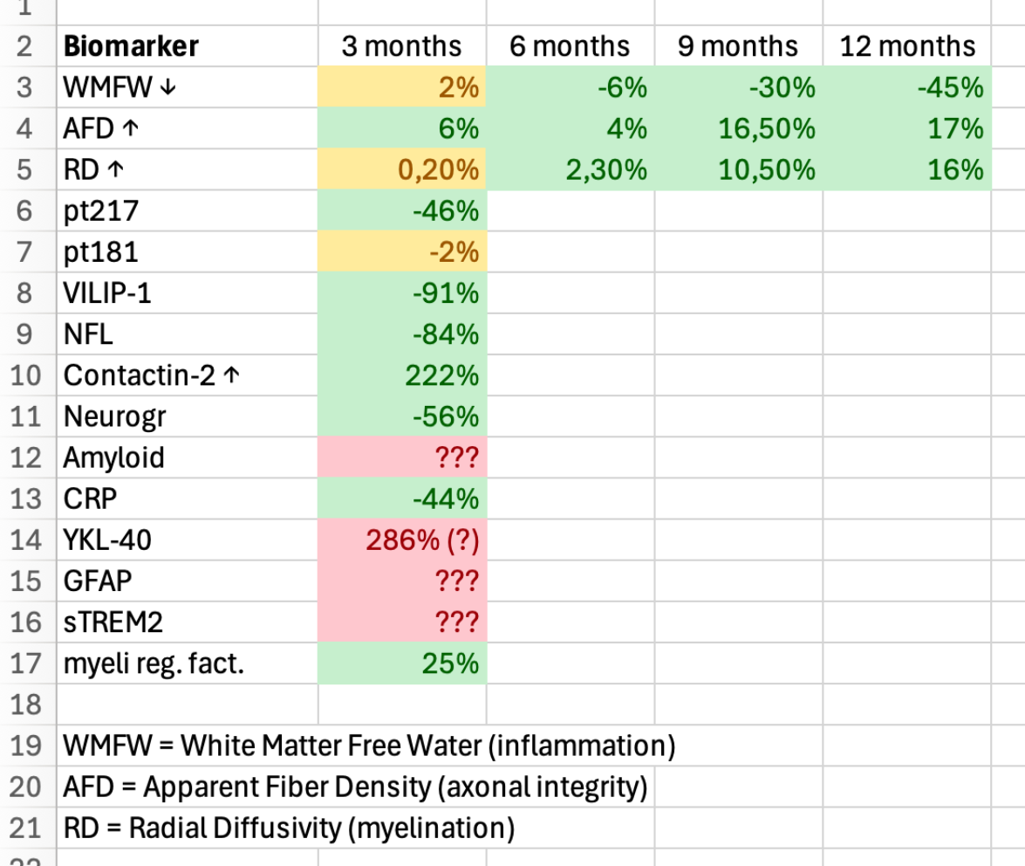
Main
 |  | Phase I Study (XPro1595) n=20 NCT03943264 |  |  | Biomarkers released in press releases
 |  | A Biomarker-directed Study of XPro1595 in Patients With Alzheimer's - ClinicalTrials.gov

 |  | Primary Endpoint | number of Treatment-Emergent AE throughout 12 weeks of treatment
 |  | Indication | Alzheimer's Disease
 |  | Duration | 12 weeks
 |  | Study Sites | 5 Australia
 |  | Study Arms
 |  |  | 0.3mg/kg XPro1595 subcutaneous injection
 |  |  | 0.6mg/kg XPro1595 subcutaneous injection
 |  |  | 1.0mg/kg XPro1595 subcutaneous injection
 |  | Results
 |  |  | Company failed to disclose cognition endpoints
 |  |  | ----------------------------------------------------------------------------------------------------------------->

 |  | Phase II randomized, double-blind, placebo-controlled Study (MINDFuL/XPro1595) n=201 NCT05318976
 |  | A Study of XPro1595 in Patients with Early Alzheimer's Disease with Biomarkers of Inflammation - ClinicalTrials.gov

 |  | Primary Endpoint | EMACC - Early and Mild Alzheimer's cognitive composite
 |  | Indication | Alzheimer's Disease
 |  | Duration | 24 weeks
 |  | Study Sites | Australia, Canada, Czechia, France, Germany, Poland, Spain, United Kingdom
 |  | Study Arms
 |  |  | XPro1595 1.0mg/kg subcutaneous injection
 |  |  | Placebo
 | >June | Results

 |  | Phase II Open-label Extension Study (XPro1595) n=11 NCT05522387 |  | DISCONTINUED??
 |  | Study Details | An Open-Label Extension of XPro1595 in Patients With Alzheimer's Disease | ClinicalTrials.gov

 |  | Primary Endpoint
 |  | Indication
 |  | Duration
 |  | Study Sites
 |  | Study Arms

 |  | Results

 |  | Etanercept in Alzheimer's Disease (STEADI-09) n=41 NCT01068353
 |  | Study Details | Safety and Tolerability of Etanercept in Alzheimer's Disease | ClinicalTrials.gov

 |  | Secondary Endpoints | ADAS-Cog, NPI, CGI-I, MMSE BADLS, Cornell at 6 months
 |  | Indication | Alzheimer's Disease
 |  | Duration | 6 months
 |  | Study Arms
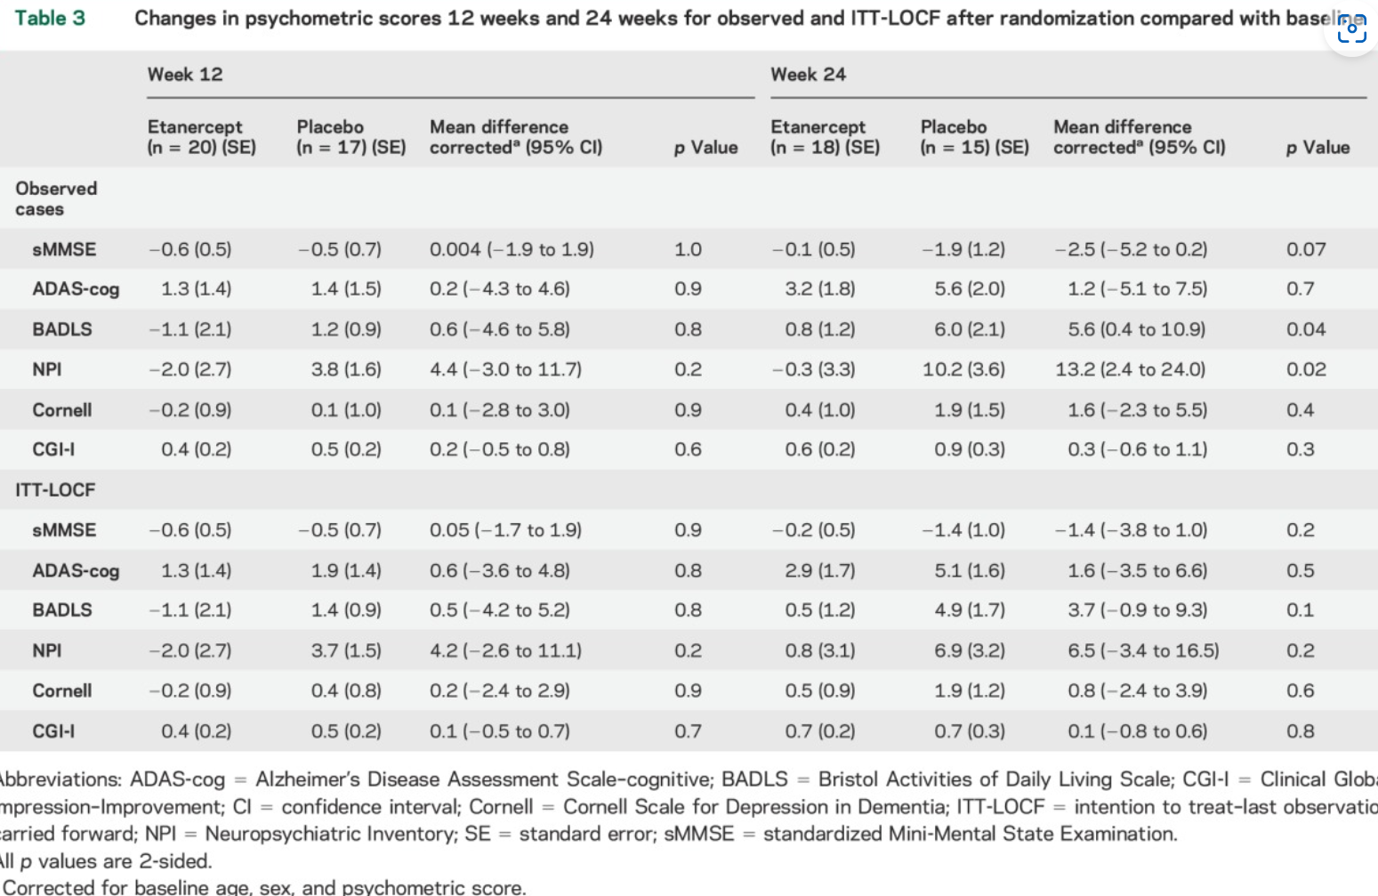
 |  | Results

