Drugs
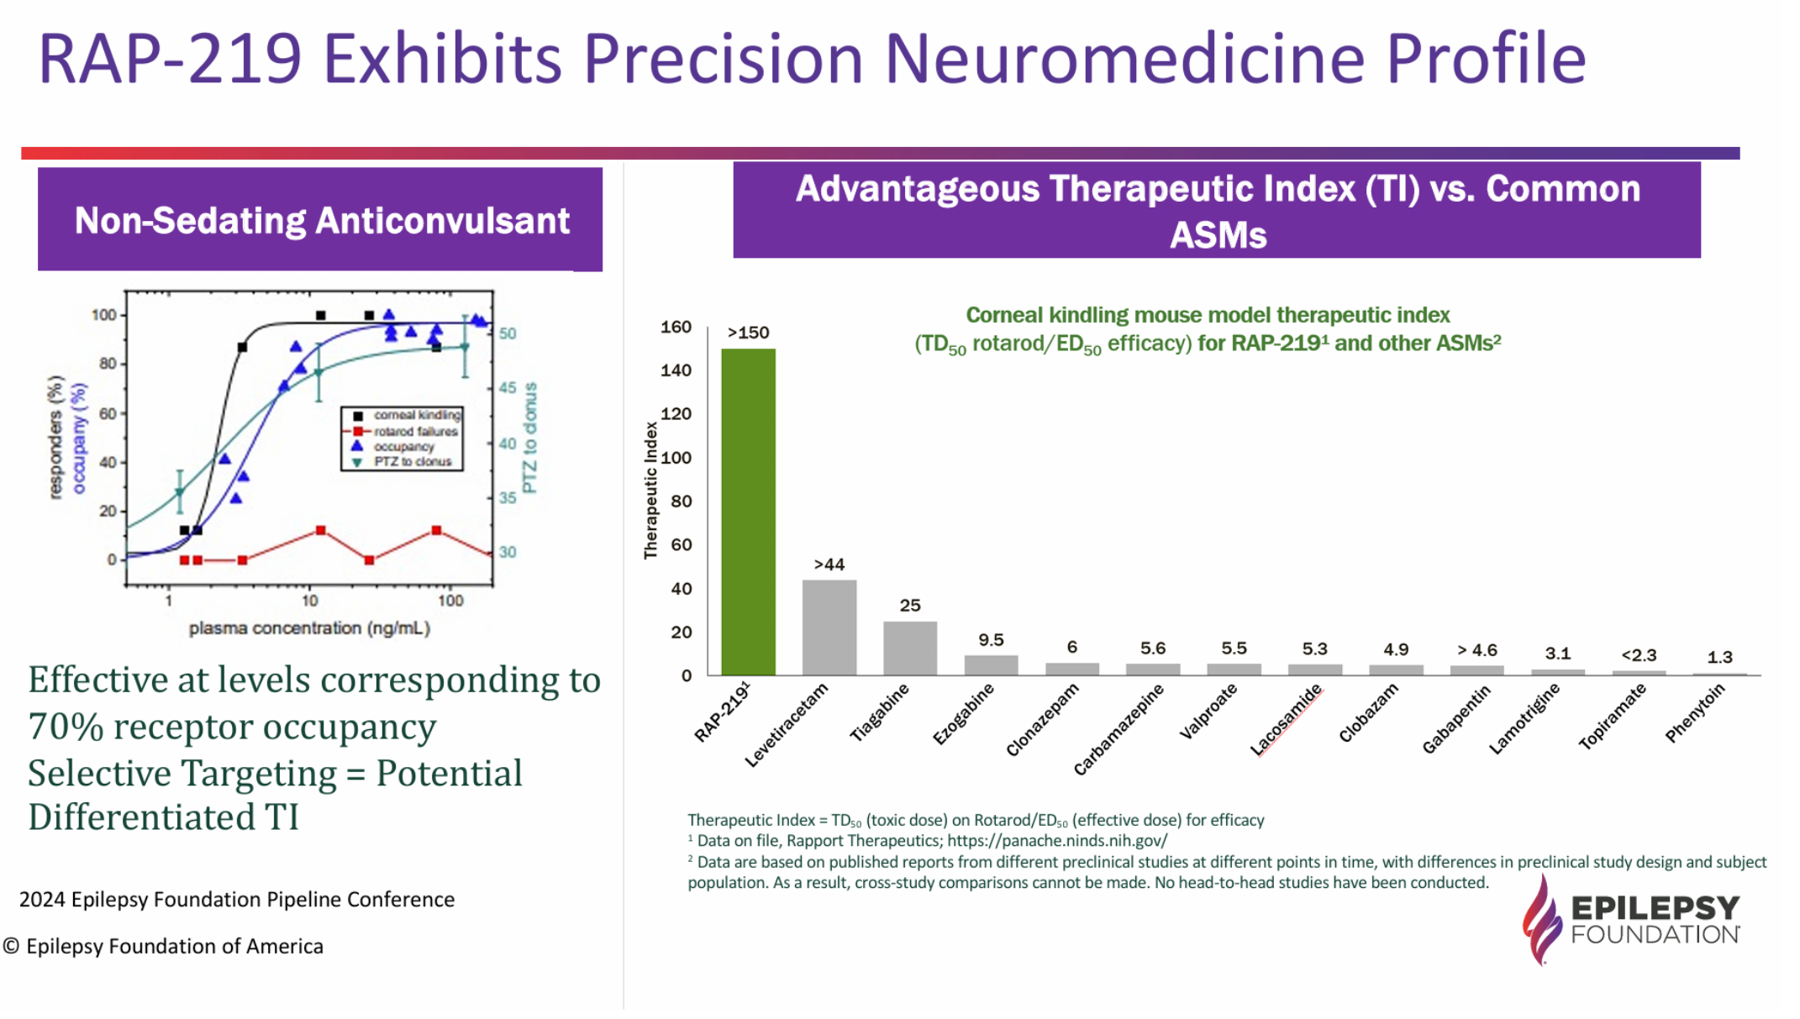
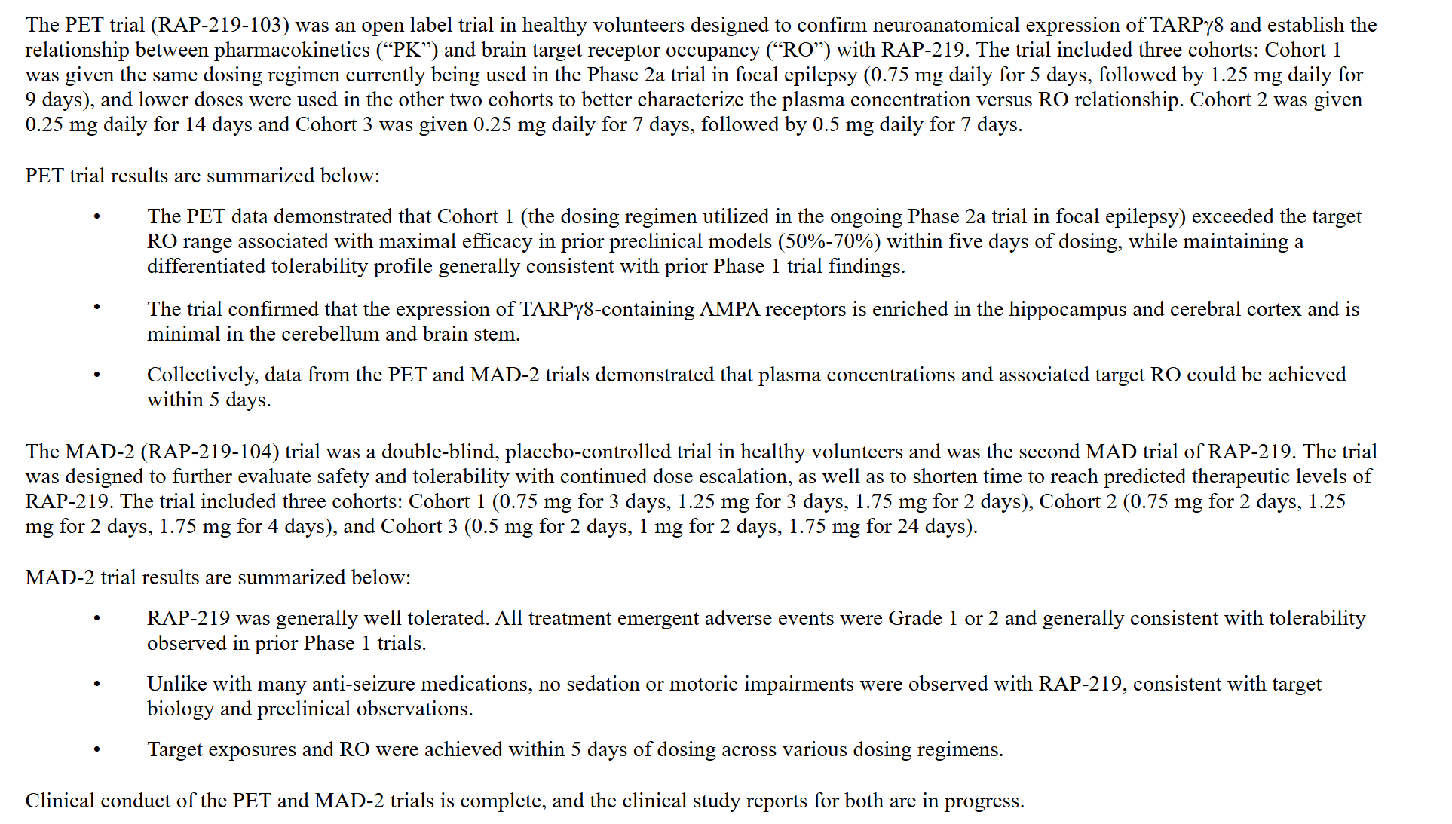
Main
 |  | Drug | Indication | Phase | Trial | Readout
 |  | RAP-219 | Focal Epilepsy | 2a | - | Q3 2025
 |  | RAP-219 | Bipolar Mania | 2a | -
 |  | RAP-219 | Diabetic Peripheral Neuropathic Pain | 2a | -
 | RAP-219

 | RAP-219 is a clinical-stage AMPAR (AMPA-type glutamate Receptors) negative allosteric modulator (NAM) designed to achieve neuroanatomical specificity through its selective
 | targeting of a RAP (receptor-associated protein) known as TARPγ8 (Transmembrane AMPAR Regulatory Protein γ8), which is associated with the neuronal AMPAR.

 | Whereas AMPARs are distributed widely in the central nervous system (CNS), TARPγ8 is expressed only in discrete regions, including the hippocampus and cortex.
 | Because of this restricted expression of TARPγ8 in forebrain regions, the Company believes RAP-219 has the potential to provide a differentiated clinical profile,
 | including improved activity and tolerability along with a higher therapeutic index, potentially providing more patients with sustained therapeutic benefit without
 | intolerable side effects, as compared to traditional neuroscience medications.

 | Due to the role of AMPA biology in various neurological disorders and the precision approach of selective targeting of TARPγ8, the Company believes RAP-219 has significant
 | pipeline-in-a-product potential and is currently evaluating the compound as a transformational treatment for patients with focal epilepsy, peripheral neuropathic pain, and bipolar disorder.
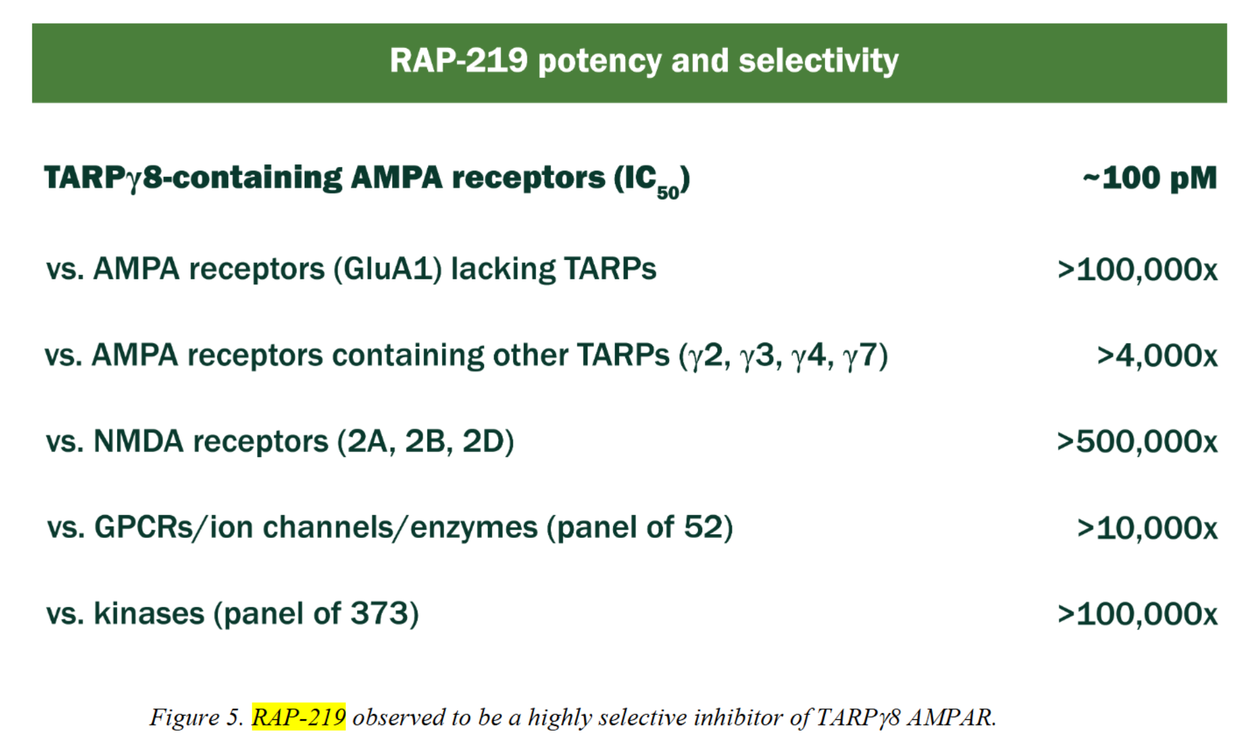

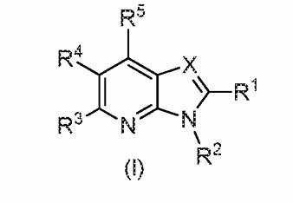

 | AMPAR inhibition is a clinically validated approach in treating epilepsy, with perampanel (marketed as FYCOMPA) approved by the FDA in 2012 for both focal and generalized epilepsy.
 | Whereas perampanel binds to AMPARs throughout the CNS and periphery, RAP-219’s actions on AMPARs are restricted to those few specific regions where TARPy8 is expressed,
 | most notably the hippocampus. This leads us to believe that the tolerability profile of RAP-219 could be significantly differentiated from that of perampanel and other currently available ASMs.

 | Ionotropic receptors for glutamate (“iGluR”) are ligand gated ion channels activated by the neurotransmitter glutamate. These receptors mediate most excitatory synaptic transmission throughout the CNS.
 | iGluRs comprise four subtypes based on their ligand binding properties: AMPARs, kainate receptors, N-methyl-D-aspartate (“NMDA”) receptors and delta receptors.
 | The glutamate signaling pathway is targeted by FDA approved drugs for indications such as epilepsy, schizophrenia, Alzheimer’s disease and Parkinson’s disease.
 | However, these medicines are associated with numerous side effects, such as sedation, ataxia, cognitive impairment and neuropsychiatric symptoms.
 | These undesired effects may be exacerbated by the impact of these drugs on glutamate receptors throughout the brain.

 | Oral doses of RAP-219 were rapidly absorbed with over 80 percent bioavailability in mice, rats, dogs and non-human primates. In these animal studies, completed by Janssen, RAP-219 had a half-life of 17.8
 | to 38.3 hours and was observed to distribute into the brain with a brain-to-plasma ratio of 0.96 in rats. Figure 6 below shows that oral doses of 0.02 mg/kg in the mouse and 0.01 mg/kg in the rat resulted
 | in 50 percent TARPγ8- receptor/AMPAR occupancy for RAP-219 in the hippocampus, referred to as “ED50.”

Clinical Trials
Main
 | RAP-219

 |  | Phase 2a Open-Label, Multi-Center Proof of Concept Study of RAP-219 in Focal Epilepsy n=20 NCT06377930
 |  | Novel Design of a Focal Epilepsy Proof-of-Concept Study of RAP-219, a Negative Allosteric Modulator of the γ8 Transmembrane AMPA Receptor Associated Protein (TARPγ8)
 |  | Primary Endpoint | Change in RNS-recorded long episode frequency on treatment compared to baseline
 |  | Secondary Endpoints | Measurement of estimated electrographic seizure frequency from available RNS-recorded episodes
 |  |  | Measurement of Clinical Seizure Frequency
 |  |  | Change in seizure severity
 |  |  | Clobal Impression of Change
 |  |  | Pharmacokinetic parameters
 |  | Indication | Focal Epilepsy
 |  | Duration | 8 weeks
 |  | Locations | 14 US
 |  | Study Arms
 |  |  | RAP-219 0.75mg daily for 5 days, followed by 1.25mg for the remainder of the 8-week treatment period

 |  | Inclusion Criteria | An implanted RNS®device and:
 |  |  |  | RNS®implanted ≥15 months before screening
 |  |  |  | Stable device configuration, stimulation, and detection settings, including LE duration
 |  |  |  | An average of ≥8 LEs per 4-week interval during the combined retrospective/prospective baseline periods
 |  |  |  | Concordance of ≥50% between LEs and EES
 |  |  |  | No anticipated need for device setting changes during the study period

 |  | Exclusion Criteria
 |  |  | Use of perampanel within 12 weeks before screening

 |  | Notes | This novel POC study will enable evaluation of RNS® System measures to provide efficacy signals (biomarkers) to inform later phases of clinical development
 |  |  | A responsive neurostimulator (RNS® System, NeuroPace, Inc.) continually monitors electrographic activity from electrodes (intracranial encephalogram; iEEG) placed directly into
 |  |  | the seizure focus or foci and is programmed by the patient’s physician to detect epileptiform activity of significance including long episodes (LEs)
 |  |  | LEs are Organized epileptiform activity exceeding a specified duration, typically 30 sec (often represent electrographic seizures)

 | Q3 2025 | Results

 |  | Phase 1 Open-Label PET Study (RAP-219-103) of RAP-219 in Healthy Volunteers n=

 |  | Objective | To establish the relationship between PK and brain target Receptor Ocupation (RO) with RAP-219
 |  | Study Arms
 |  |  | RAP-219 0.75mg daily for 5 days, followed by 1.25mg daily for 9 days |  |  |  | Cohort 1
 |  |  | RAP-219 0.25mg daily for 14 days |  |  |  | Cohort 2
 |  |  | RAP-219 0.25mg daily for 7 days, followed by 0.5mg daily for 7 days |  |  |  | Cohort 3

 |  | Results
 |  |  | Cohort 1 exceeded the target Receptor Ocupation range associated with maximal efficacy in pre-clinical studies (50%-70%) within 5 days of dosing
 |  |  | Confirmed that the expression of TARPγ8-containing AMPA receptors is enriched in the hippocampus and cerebral cortex and is minimal in the cerebellum and brain stem
 |  |  | Maintained a differentiated tolerability profile generally consistent with prior Phase 1 trial findings

 |  | Phase 1 double-blind, placebo-controlled MAD-2 Study (RAP-219-104) of RAP-219 in Healthy Volunteers n=24

 |  | Objective | To further evaluate safety and tolerability with continued dose escalation, as well as to shorten time to reach predicted therapeutic levels of RAP-219
 |  | Study Arms
 |  |  | Pooled Placebo n=6
 |  |  | RAP-219 0.75mg for 3 days, 1.25mg for 3 days, 1.75mg for 2 days |  |  |  | Cohort 1
 |  |  | RAP-219 0.75mg for 2 days, 1.25mg for 2 days, 1.75mg for 4 days |  |  |  | Cohort 2
 |  |  | RAP-219 0.5mg for 2 days, 1mg for 2 days, 1.75mg for 24 days |  |  |  | Cohort 3

 |  | Results
 |  |  | RAP-219 was generally well tolerated. All TEAEs were Grade 1 or 2 and generally consistent with tolerability observed in prior Phase 1 trials
 |  |  | Unlike with many anti-seizure medications, no sedation or motoric impairments were observed with RAP-219, consistent with target biology and preclinical observations
 |  |  | Target exposures and RO were achieved within 5 days of dosing across various dosing regimens

 |  | Phase 1 double-blind, placebo-controlled MAD-1 Study (RAP-219-102) of RAP-219 in Healthy Volunteers n=40

 |  | Objective | To further evaluate safety and tolerability with continued dose escalation, as well as to shorten time to reach predicted therapeutic levels of RAP-219
 |  | Study Arms
 |  |  | Pooled Placebo n=10
 |  |  | RAP-219 0.25mg for 2 weeks n=6 |  |  |  | Cohort 1
 |  |  | RAP-219 0.25mg for 1 week followed by 0.5mg for 1 week n=6 |  |  |  | Cohort 2
 |  |  | RAP-219 0.5mg for 4 weeks n=6 |  |  |  | Cohort 3
 |  |  | RAP-219 0.75mg for 4 weeks n=6 |  |  |  | Cohort 4
 |  |  | RAP-219 0.75mg for 5 days followed by 1.25mg for 23 days n=6
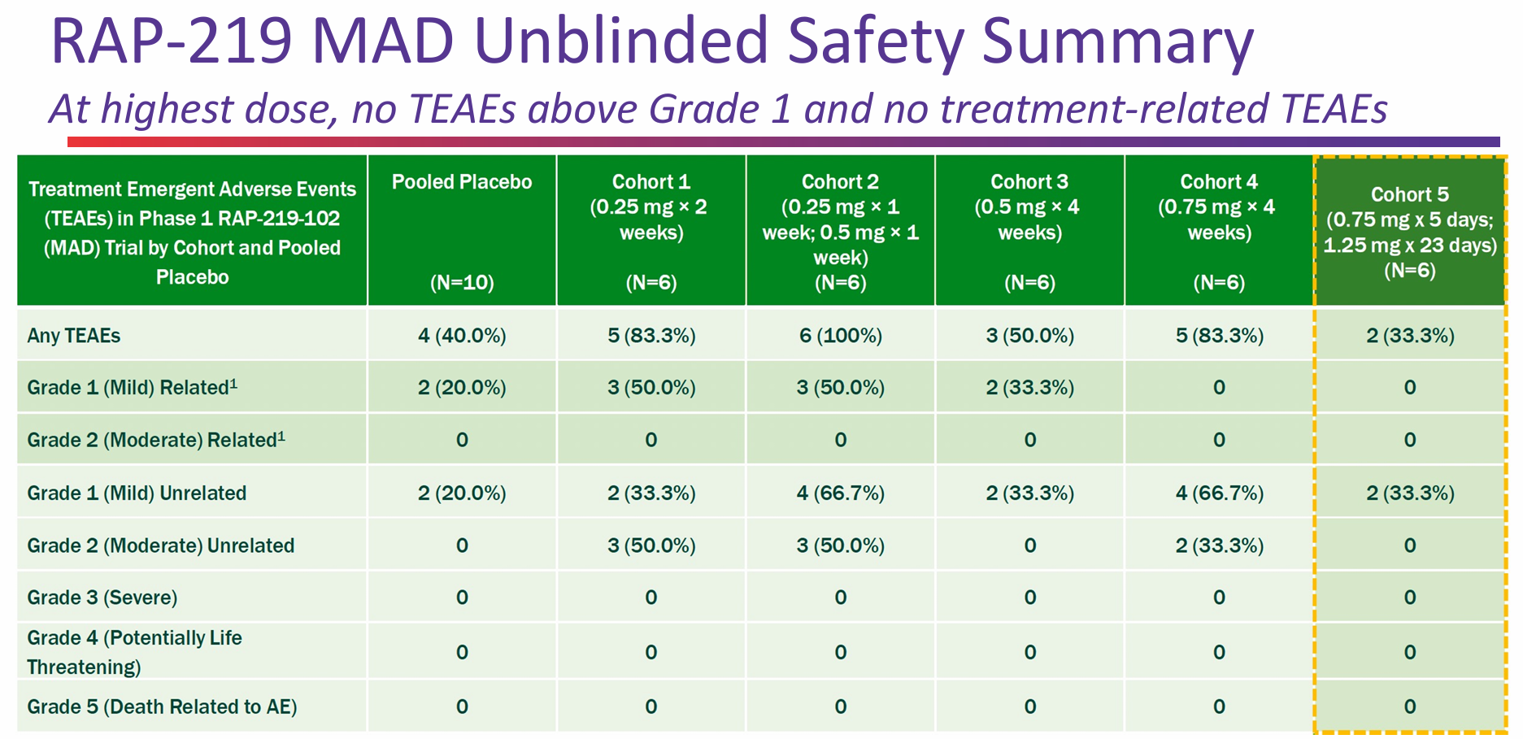
 |  | Results

 |  | Phase 1 Open-Label SAD Study (RAP-219-101) of RAP-219 in Healthy Volunteers n=40

 |  | Objective | To further evaluate safety and tolerability with continued dose escalation, as well as analyze the PK and PD profile of RAP-219
 |  | Study Arms
 |  |  | Pooled Placebo n=10
 |  |  | RAP-219 0.25mg n=6
 |  |  | RAP-219 0.5mg n=6
 |  |  | RAP-219 1mg n=6
 |  |  | RAP-219 2mg n=6
 |  |  | RAP-219 3mg n=6

 |  | Results | RAP-219 exhibited biphasic elimination, with a mean half-life (t1/2) of 278±200h (~8-14 d)
 |  |  | In total, 51 TEAEs were reported, experienced by 19 (46%) subjects
 |  |  |  | No Grade 3 or worse TEAEs, SAEs, or dose-limiting toxicity events were observed
 |  |  |  | Most (82.4%) TEAEs were Grade 1 (mild); 9 events (17.6%) in 3 subjects were Grade 2 (moderate)
 |  |  |  | Most common TEAEs at any dose: sinus tachycardia (n=5, 16.7%), anxiety (n=4, 13.3%), dizziness, paresthesia, and palpitations (n=3 each, 10%)
 |  |  |  | All AEs resolved during the study, with no clinically significant changes in laboratory parameters, vital signs, or ECGs following RAP-219 treatment

 | perampanel
 |  | Phase 2 randomized, double-blind, placebo-controlled of perampanel as an adjunctive therapy in subjects with Refractory Partial Seizures n=712 NCT00700310
 |  | Study Details | Evaluating Efficacy and Safety of E2007 (Perampanel) Given as Adjunctive Therapy in Subjects With Refractory Partial Seizures | ClinicalTrials.gov
 |  | Primary Endpoint | Percent Change in the 28-day Seizure Frequency From Baseline to the End of the Double-blind Phase
 |  | Indication | Refractory Partial Seizures
 |  | Duration | 19 weeks
 |  | Locations | 11 Australia, 4 Bulgaria, 4 Czech Republic, 3 Estonia, 9 Germany, 6 Hong Kong, 5 Hungary, 9 India, 5 Italy, 7 Korea, 3 Latvia, 3 Lithuania, 2 Malaysia, 2 Philippines,
 |  |  | 8 Poland, 4 Portugal, 8 Romania, 10 Russia, 3 Serbia, 10 Spain, 5 Taiwan, 6 Thailand, 11 Ukraine
 |  | Study Arms
 |  |  | perampanel 2mg
 |  |  | perampanel 4mg
 |  |  | perampanel 8mg
 |  |  | placebo

 |  | Results
 |  |  |  | Placebo | peram 2mg | peram 4mg | peram 8mg
 |  |  | Primary | -10.69 | -13.63 | -23.33 | -30.8
 |  |  | p value |  | ??? | 0.0026 | <0.0001
 |  |  |  |  | not stat sig

 |  | Safety |  | Placebo | peram 2mg | peram 4mg | peram 8mg
 |  |  | SAEs | 4.86% | 3.33% | 3.49% | 3.55% | (agression, confusional state, delirium once each in the 2mg cohort)

 |  |  |  | Placebo | peram 2mg | peram 4mg | peram 8mg
 |  |  | Non Serious AEs | 25.95% | 33.89% | 38.37% | 46.75%
 |  |  | Fatigue | 2.70% | 4.44% | 7.56% | 5.33%
 |  |  | Gait disturbance | 1.08% | 0.56% | 1.16% | 5.33%
 |  |  | Nasopharyngitis | 1.62% | 3.89% | 5.23% | 1.78%
 |  |  | Upper Respiratory | 2.70% | 6.11% | 3.49% | 1.78%
 |  |  | tract infection
 |  |  | Dizziness | 9.73% | 10% | 16.28% | 26.63%
 |  |  | Headache | 8.65% | 8.89% | 11.05% | 10.65%
 |  |  | Somnolence | 6.49% | 12.22% | 8.72% | 15.98%

 | ES-481
 |  | Phase 2 randomized, double-blind, placebo-controlled of ES-481 for Drug-Resistant Epilepsy n=22 NCT04714996
 |  | Researcher View | Efficacy, Safety and Pharmacokinetics of ES-481 in Adult Patients With Drug Resistant Epilepsy | ClinicalTrials.gov
 |  | Primary Endpoint | Change in Seizure Frequency and activity assessed using a patient diary and continuous 24-hour EEG monitoring (composite outcome)
 |  | Indication | Drug-Resistant Epilepsy
 |  | Duration | 4 weeks
 |  | Locations | 4 Australia
 |  | Study Arms
 |  |  | Treatment Period Week 1 - 25 mg qd, Week 2 - 25 mg bid, Week 3 - 50 mg bid, Week 4 - 75 mg bid.
 |  |  | Placebo on Week 1, Week 2, Week 3 and Week 4

 |  | Results
 |  |  | Subjects had 68%–80% improvements on ES-481 treatment, compared to 38%–49% under placebo treatment
 |  |  | For the top dose of ES-481 treatment subjects had 80% improvement, while subjects under placebo for the corresponding week had 49% improvement (p=0.047)

 |  | Safety
 |  |  | The rate of Serious Adverse Events (SAEs) was higher while taking placebo (14.3%) than ES-481 (4.8%)
 |  |  | adverse events of special interest (AESI) were more common while taking ES-481 (52.4% vs. 19.0%).

 | XEN-1101
 |  | Phase 2 randomized, double-blind, placebo-controlled (X-TOLE) of Azetukalner (XEN1101) for Focal Epilepsy n=325 NCT03796962
 |  | Study Results | A Study to Evaluate XEN1101 as Adjunctive Therapy in Focal Epilepsy | ClinicalTrials.gov
 |  | Primary Endpoint | Median percent change in Focal Seizure Frequency from baseline to week 8
 |  | Indication | Focal Epilepsy
 |  | Duration | 8 weeks
 |  | Locations | 4 UK, 1 Ukraine, 15 Spain, 1 Moldova, 7 Italy, 9 Germany, 1 Georgia, 3 Canada, 54 US
 |  | Study Arms
 |  |  | XEN1101 25mg n=114
 |  |  | XEN1101 20mg n=51
 |  |  | XEN1101 10mg n=46
 |  |  | Placebo n=114

 |  | Results
 |  |  |  | XEN1101 25mg | XEN1101 20mg | XEN1101 10mg | Placebo
 |  |  | Primary | -52.8 | -46.4 | -33.2 | -18.2
 |  |  | p value | p<0.001 | p<0.001 | p<0.05

 |  | Safety | SAE | 2.63% | 3.92% | 4.35% | 2.63%
 |  |  | Dizziness | 0.88% | 0% | 0% | 0%
 |  |  | Muscle Spasticity | 0.88% | 0% | 0% | 0%
 |  |  | Seizure | 0% | 0% | 2.17% | 0%
 |  |  | Partial Seizures | 0% | 0% | 0% | 0.88%
 |  |  | Presyncope | 0% | 0% | 0% | 0.88%
 |  |  | Confusional State | 0% | 0% | 2.17% | 0%
 |  |  | Pyschogenic Seizure | 0.88% | 0% | 0% | 0%
 |  |  | Psychotic Disorder | 0% | 1.96% | 0% | 0%
 |  |  | Somatic Delusion | 0% | 1.96% | 0% | 0%

 |  |  | Non-Serious AE | 85.09% | 68.63% | 67.39% | 49.12%
 |  |  | Vision Blurred | 6.14% | 1.96% | 0% | 0.88%
 |  |  | Nausea | 6.14% | 1.96% | 2.17% | 2.63%
 |  |  | Constipation | 2.63% | 5.88% | 4.35% | 0.88%
 |  |  | Fatigue | 12.28% | 7.84% | 10.87% | 5.26%
 |  |  | Gait disturbance | 7.02% | 3.92% | 4.35% | 0.88%
 |  |  | Dizziness | 31.58% | 25.49% | 6.52% | 7.02%
 |  |  | Somnolence | 14.91% | 21.57% | 10.87% | 7.02%
 |  |  | Headache | 7.89% | 11.76% | 13.04% | 7.89%
 |  |  | Balance disorder | 11.40% | 7.84% | 4.35% | 1.75%
 |  |  | Tremor | 10.53% | 5.88% | 6.52% | 1.75%
 |  |  | Aphasia | 7.02% | 1.96% | 2.17% | 0.88%
 |  |  | Ataxia | 4.39% | 1.96% | 6.52% | 0.88%
 |  |  | Dysarthria | 7.02% | 0% | 2.17% | 0%
 |  |  | Memory Impairment | 5.26% | 3.92% | 2.17% | 0.88%
 |  |  | Attention Disturbance | 4.39% | 5.88% | 0% | 0.88%
 |  |  | Confusional State | 5.26% | 5.88% | 2.17% | 0.88%
 |  |  | Anxiety | 1.75% | 9.80% | 0% | 5.26%
 |  |  | Hallucination | 0% | 5.88% | 0% | 0%

TARPγ8
Main
 | TARPγ8
 |  | RAP-219
 |  | perampanel
 |  | JNJ-56022486
 |  | JNJ-61432059
 |  | JNJ-55511118
 |  | LY-3130481 (CERC-611) (ES-481) | is effective in the treatment of pain and of gliomas
 |  |  | Avalo Therapeutics bought it off Lilly
 |  |  | ES then bought it from Avalo

 | TARPγ8 Ligands are Highly Selective Inhibitors of AMPAR

 | Structural analyses performed by a third party using cryogenic electron microscopy (“Cryo-EM”) have shown that a TARPg8 AMPAR NAM, JNJ-55511118
 | (an earlier generation TARPg8 NAM), binds to an interface between TARPg8 and AMPAR, which leads to alterations in the structure of the AMPAR, thereby negatively modulating
 | receptor function and its ability to respond to glutamate. Third-party structural studies indicated that all TARPg8 AMPAR NAMs tested bind in a similar mode, suggesting
 | the potential for RAP-219 to also bind in this pocket between GluA and TARPg8.

 | TARPg8 Expression is Localized

 | TARPg8 is expressed in specific brain regions, being most enriched in the hippocampus, and also present in the amygdala and cortex. In a study completed by Janssen, radiolabeled TARPg8 ligands, such as [3H]
 | JNJ-56022486 (an earlier generation TARPg8 NAM), were shown to bind selectively to regions of the mouse brain in a distribution that overlapped TARPg8 protein expression.
 | The highest radioactive [3H]JNJ-56022486 density occurred in the hippocampus, which is also the region where the majority of focal seizures originate and the brain region where focal seizures originating
 | in the cortex often spread. Radioligand binding of [3H]JNJ-56022486 also occurred in other brain regions that contain TARPg8, including the amygdala, cerebral cortex and striatum,
 | which can also be involved in seizure initiation and propagation.
 | Importantly, the spread of seizures from the hippocampus into the amygdala has been shown in a third-party study to increase the risk of SUDEP in patients.

 | The figure below illustrates the enrichment of TARPg8 in mouse hippocampus. The left image derives from the Allen Brain Atlas, a publicly available database of gene expression in the brain,
 | and depicts in red high levels of TARPg8 messenger ribonucleic acid detected by in situ hybridization. The right image depicts with yellow and orange high levels of
 | [3H]JNJ-56022486 binding detected by autoradiography.
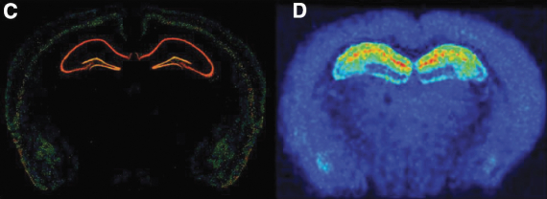

 | Antiseizure Therapy Through Modulation of Glutamate Signaling

 | Glutamate is the major excitatory neurotransmitter in the brain. Both glutamate’s release from presynaptic nerve terminals and its activation of postsynaptic receptors are critical for neurotransmission.
 | Correspondingly, processes associated with glutamate release and its downstream signaling are highly regulated.
 | Elevation in extracellular glutamate levels can lead to seizures, and many ASMs target this pathway.

 | ASMs can blunt glutamate-dependent signaling through diverse mechanisms. Drugs such as phenytoin, carbamazepine, lamotrigine and lacosamide molecule voltage-gated sodium channels and
 | inhibit action potentials from reaching the glutamate release machinery within the presynaptic nerve terminal. Other drugs such as ethosuximide and ezogabine modulate voltage-gated calcium and
 | potassium channels, respectively, which also can prevent the presynaptic release of glutamate.

 | After being released into the synaptic cleft, glutamate can bind to AMPARs on postsynaptic neurons. This process permeates sodium and other cations, triggering a series of events that can ultimately
 | lead to the generation of an action potential and the propagation of neuronal signals.
 | Perampanel directly blocks the gating of all AMPARs, while other drugs, such as phenobarbital and tiagabine, oppose glutamate signaling by increasing the activity of inhibitory synaptic signaling driven by
 | the GABAA receptors.

