CardiolRx™
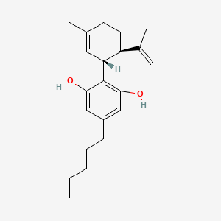
Main
 | Brand | CardiolRx™
 | Generic | cannabidiol
 | Molecular Weight | 314.5 g/mol
 | Molecular Formula | C21H30O2
 | Log P | 6.5
 | Bioavailability | 6% (fasted), 36–57% (fed-state)
 | Elimination Half-life | 18-32 hours
 | Indication | Acute Myocarditis
 | Indication | Recurrent Pericarditis
 | Mechanism | Not fully understood, supposedly includes Inhibition of the NLRP3 inflammasome, IL-1α, IL-1β, IL-6, IL-18 antagonist

 | Competition | No Acute Myocarditis treatments have been approved by the FDA or EMA

 | *cannabidiol is approved for the treatment of epilepsy (Drug name: Epidiolex) |  | Drugs@FDA: cannabidiol

 | Epidiolex | (PDF) Use of Cannabidiol in the Treatment of Epilepsy: Efficacy and Security in Clinical Trials

 | In 2016, the first results of phase III clinical trials showed beneficial e ects of CBD (Epidiolex®; GW Pharmaceutical, Cambridge, UK) in
 | treatment-resistant seizure disorders, including Lennox-Gastaut Syndrome (LGS) and Dravet syndromes (DS).
 | The interaction of the CBD with the T-type Ca2+ channels causes a blockage of these channels, this mechanism could be responsible for
 | the antiepileptic action, even if there are no studies available that confirm this.

 | Cannabidiol | C21H30O2 | CID 644019 - PubChem

 | IL-6 | Ligand page | IUPHAR/BPS Guide to PHARMACOLOGY
 | Interleukin-1 receptor, type I | Immunoglobulin-like family of IL-1 receptors | IUPHAR/BPS Guide to PHARMACOLOGY
 | IL-18 | Ligand page | IUPHAR/BPS Guide to PHARMACOLOGY

MOA
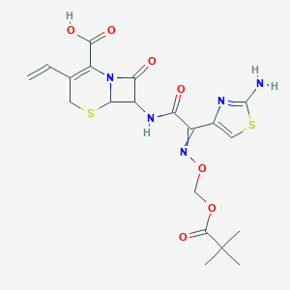
Main
 | Mechanism of Action
 | Not fully understood, supposedly includes Inhibition of the NLRP3 inflammasome, IL-1α, IL-1β, IL-6, IL-18 antagonist
 | The mechanism of action of cannabidiol is as a Cytochrome P450 2C8 Inhibitor, and Cytochrome P450 2C9 Inhibitor,
 | and Cytochrome P450 2C19 Inhibitor, and UGT1A9 Inhibitor, and UGT2B7 Inhibitor, and Cytochrome P450 1A2 Inhibitor,
 | and Cytochrome P450 2B6 Inhibitor, and Cytochrome P450 2B6 Inducer.

 | The interaction of the CBD with the T-type Ca2+ channels causes a blockage of these channels, this mechanism could be
 | responsible for the antiepileptic action, even if there are no studies available that confirm this.

 | ANAKINRA is a recombinant, nonglycosylated form of the endogenous IL-1 receptor antagonist peptide with an additional methionine at the amino terminus compared to the endogenous peptide.
 |  | ANAKINRA failed to treat Acute Myocarditis in a n=120 Phase 2/3 trial

