5HT2C
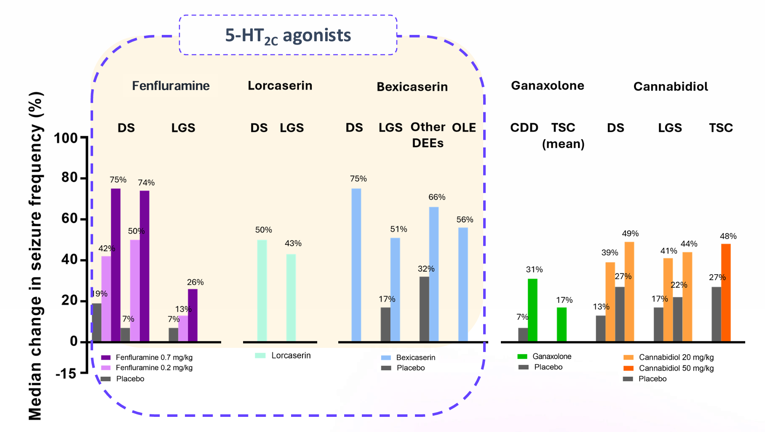
Main
 | 5HT2C | Molecule | Dosing Regimen
 |  | BMB-101 | BID
 |  | Bexicaserin/LP352 (LBPH Longboard Pharmaceuticals) | TID
 |  | Lorcaserin (FDA approved as an obesity treatment) | BID

 | The 5-HT2C receptor, a G protein-coupled receptor (GPCR), emerged as a potential target for epilepsy treatment due to its role in modulating neurotransmitter release and neuronal excitability.

