Clinical Trials
Main
 | EDG7500 - oHCM/HCM

 |  | Phase 1 placebo-controlled Study of EDG-7500's PK/PD, Safety and Tolerability in Healthy Subjects n=64

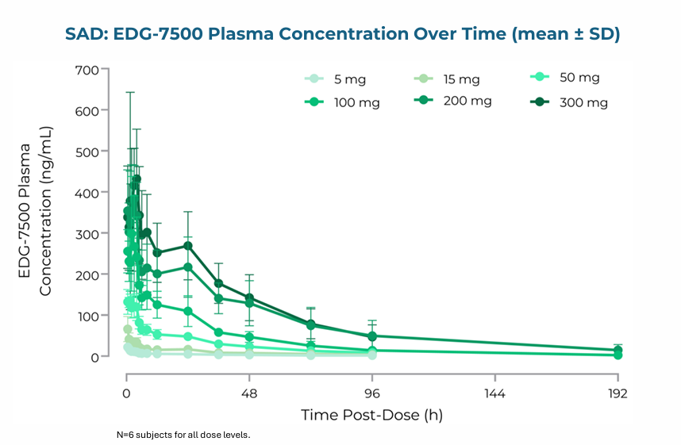
 |  | Duration | single dose, 8 days post-dose follow-up
 |  | Study Arms | 5mg EDG-7500
 |  |  | 15mg EDG-7500
 |  |  | 50mg EDG-7500
 |  |  | 100mg EDG-7500
 |  |  | 200mg EDG-7500
 |  |  | 300mg EDG-7500
 |  |  | Placebo

 |  | Results (Single Dose)
 |  |  | Terminal half-life | 30h
 |  |  | Exposures dose-proportional between 5 and 200mg doses

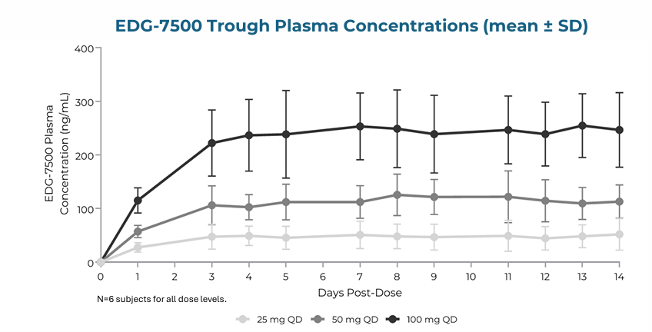
 |  | Results (Steady State)
 |  |  | Terminal half-life | 30h
 |  |  | 2-fold accumulation was observed after 14 days of administration
 |  |  | Steady-state achieved in 4 days with once-daily dosing

 |  |  | No healthy subjects in the SAD or MAD studies had a post-dose
 |  |  | LVEF value < 50% or an LVEF absolute decrease from baseline ≥ 10%

 |  |  | There was no correlation between EDG-7500 plasma concentration and
 |  |  | LVEF change in healthy adults (p=0.199)

 |  |  | In healthy subjects, nearly all AEs were mild and all resolved by end
 |  |  | of study. No dose-response for AEs was observed.

 |  | Phase 2 First-in-Patient Open-Label single-dose Study of EDG-7500 in oHCM n=11

 |  | Endpoints | LVOT Peak Gradient and NT-pro-BNP
 |  | Indication | Obstructive Hypertrophic Cardiomyopathy
 |  | Duration | 24 hours

 |  | Study Arms |  |  |  |  |  |  | 7/11 evaluated for efficacy
 |  |  | EDG-7500 50mg n=2 |  |  |  |  |  | Not post-hoc
 |  |  | EDG-7500 100mg n=3
 |  |  | EDG-7500 200mg n=2

 |  | Results
 |  |  | EDG-7500 led to a meaningful reduction in resting LVOT-G of 67% for the combined 100/200 mg cohorts
 |  |  | EDG-7500 led to a meaningful reduction of Valsalva LVOT-G of 55% for the combined 100/200 mg cohorts.
 |  |  | EDG-7500 led to a robust reduction in mean NT-proBNP of up to 64% In the 200 mg cohort
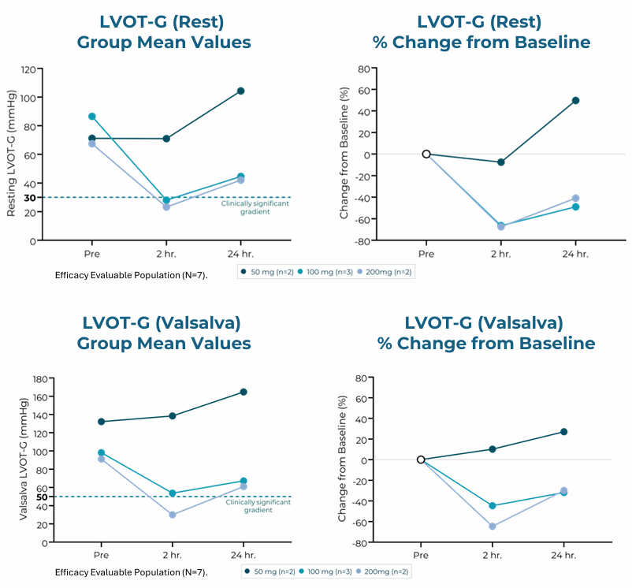
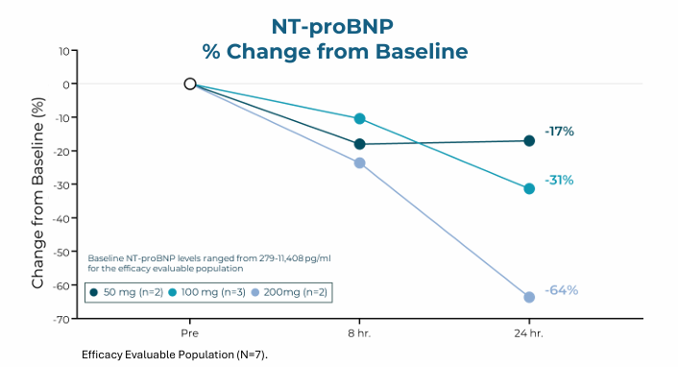

 | Aficamten - oHCM/HCM

 |  | Phase 3 randomized, double-blind, placebo-controlled Study (SEQUOIA-HCM) of Aficamten in oHCM n=282 NCT05186818

 |  | Primary Endpoint | Change in peak oxygen uptake (pVO2) by cardiopulmonary exercise testing (CPET) from baseline to week 24
 |  | Secondary Endpoint | Change in LVOT-G from baseline to week 24
 |  | Indication | Obstructive Hypertrophic Cardiomyopathy
 |  | Duration | 24 weeks
 |  | Locations | 8 UK, 7 Spain, 2 Portugal, 3 Poland, 3 Netherlands, 4 Italy, 6 Israel, 1 Hungary, 9 Germany, 9 France, 4 Denmark, 2 Czechia, 9 China, 48 US
 |  | Study Arms
 |  |  | Aficamten up to 20mg
 |  |  | Matching Placebo

 |  | Results |  | aficamten | placebo | delta | p value
 |  |  | PE | 1.8 | 0 | 1.7 | <0.001
 |  |  | LVOT-G | ? | ? | ? | ?

 |  | Phase 2 randomized, double-blind, placebo-controlled Study (REDWOOD-HCM) of Aficamten in HCM n=96 NCT04219826

 |  | Secondary Endpoint | Change in LVOT-G from baseline to week 14
 |  | Indication | Hypertrophic Cardiomyopathy
 |  | Duration | 10 weeks
 |  | Locations | 1 Italy, 2 Spain, 1 Netherlands, 18 US
 |  | Study Arms
 |  |  | aficamten 5-15mg oHCM
 |  |  | aficamten 10-30mg oHCM
 |  |  | aficamten 5-15mg while taking disopyramide oHCM
 |  |  | aficamten 5-15mg with dose levels guided by echocardiography assessments
 |  |  | placebo oHCM
 |  | Results
 |  |  |  | aficamten 5-15mg | placebo | delta | p value | aficamten 10-30mg | delta | p value
 |  |  | Resting LVOT-G | -40.4 | -8.1 | -32.3 | 0.0003 | -43.1 | -35 | 0.0004
 |  |  | Valsalva LVOT-G | -36.3 | -11.2 | -25.1 | 0.001 | -52.5 | -41.3 | <0.0001

