Sheet7
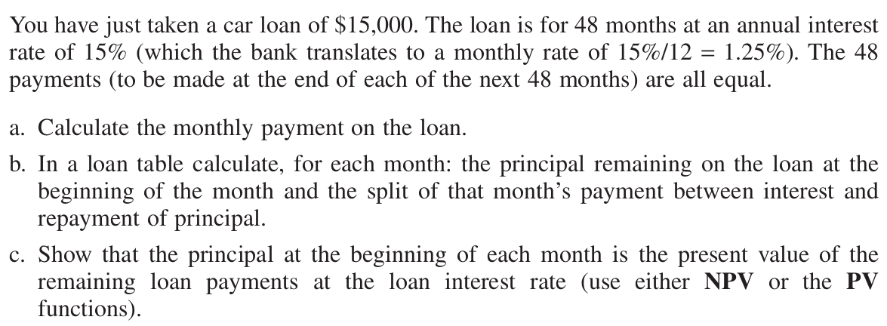
Interest rate | 15%
Payment | £2,252.75
 |  | Division of payment between
Month | Payment | Interest | Principal | Outstanding balance | NPV
0 |  |  |  | £15,000.00 | £15,000.00
1 | £2,252.75 | £2,250.00 | £2.75 | £14,997.25 | £14,997.25
2 | £2,252.75 | £2,249.59 | £3.16 | £14,994.09 | £14,994.09
3 | £2,252.75 | £2,249.11 | £3.64 | £14,990.45 | £14,990.45
4 | £2,252.75 | £2,248.57 | £4.18 | £14,986.27 | £14,986.27
5 | £2,252.75 | £2,247.94 | £4.81 | £14,981.46 | £14,981.46
6 | £2,252.75 | £2,247.22 | £5.53 | £14,975.93 | £14,975.93
7 | £2,252.75 | £2,246.39 | £6.36 | £14,969.57 | £14,969.57
8 | £2,252.75 | £2,245.44 | £7.31 | £14,962.26 | £14,962.26
9 | £2,252.75 | £2,244.34 | £8.41 | £14,953.85 | £14,953.85
10 | £2,252.75 | £2,243.08 | £9.67 | £14,944.18 | £14,944.18
11 | £2,252.75 | £2,241.63 | £11.12 | £14,933.06 | £14,933.06
12 | £2,252.75 | £2,239.96 | £12.79 | £14,920.27 | £14,920.27
13 | £2,252.75 | £2,238.04 | £14.71 | £14,905.56 | £14,905.56
14 | £2,252.75 | £2,235.83 | £16.92 | £14,888.64 | £14,888.64
15 | £2,252.75 | £2,233.30 | £19.45 | £14,869.19 | £14,869.19
16 | £2,252.75 | £2,230.38 | £22.37 | £14,846.82 | £14,846.82
17 | £2,252.75 | £2,227.02 | £25.73 | £14,821.09 | £14,821.09
18 | £2,252.75 | £2,223.16 | £29.59 | £14,791.51 | £14,791.51
19 | £2,252.75 | £2,218.73 | £34.02 | £14,757.48 | £14,757.48
20 | £2,252.75 | £2,213.62 | £39.13 | £14,718.36 | £14,718.36
21 | £2,252.75 | £2,207.75 | £45.00 | £14,673.36 | £14,673.36
22 | £2,252.75 | £2,201.00 | £51.75 | £14,621.61 | £14,621.61
23 | £2,252.75 | £2,193.24 | £59.51 | £14,562.11 | £14,562.11
24 | £2,252.75 | £2,184.32 | £68.43 | £14,493.67 | £14,493.67
25 | £2,252.75 | £2,174.05 | £78.70 | £14,414.98 | £14,414.98
26 | £2,252.75 | £2,162.25 | £90.50 | £14,324.47 | £14,324.47
27 | £2,252.75 | £2,148.67 | £104.08 | £14,220.39 | £14,220.39
28 | £2,252.75 | £2,133.06 | £119.69 | £14,100.70 | £14,100.70
29 | £2,252.75 | £2,115.11 | £137.64 | £13,963.06 | £13,963.06
30 | £2,252.75 | £2,094.46 | £158.29 | £13,804.77 | £13,804.77
31 | £2,252.75 | £2,070.72 | £182.03 | £13,622.74 | £13,622.74
32 | £2,252.75 | £2,043.41 | £209.34 | £13,413.40 | £13,413.40
33 | £2,252.75 | £2,012.01 | £240.74 | £13,172.66 | £13,172.66
34 | £2,252.75 | £1,975.90 | £276.85 | £12,895.81 | £12,895.81
35 | £2,252.75 | £1,934.37 | £318.38 | £12,577.43 | £12,577.43
36 | £2,252.75 | £1,886.61 | £366.13 | £12,211.30 | £12,211.30
37 | £2,252.75 | £1,831.69 | £421.05 | £11,790.24 | £11,790.24
38 | £2,252.75 | £1,768.54 | £484.21 | £11,306.03 | £11,306.03
39 | £2,252.75 | £1,695.90 | £556.85 | £10,749.18 | £10,749.18
40 | £2,252.75 | £1,612.38 | £640.37 | £10,108.81 | £10,108.81
41 | £2,252.75 | £1,516.32 | £736.43 | £9,372.38 | £9,372.38
42 | £2,252.75 | £1,405.86 | £846.89 | £8,525.49 | £8,525.49
43 | £2,252.75 | £1,278.82 | £973.93 | £7,551.56 | £7,551.56
44 | £2,252.75 | £1,132.73 | £1,120.01 | £6,431.55 | £6,431.55
45 | £2,252.75 | £964.73 | £1,288.02 | £5,143.53 | £5,143.53
46 | £2,252.75 | £771.53 | £1,481.22 | £3,662.31 | £3,662.31
47 | £2,252.75 | £549.35 | £1,703.40 | £1,958.91 | £1,958.91
48 | £2,252.75 | £293.84 | £1,958.91 | -£0.00 | £0.00

