Sheet2
MODE OF TRANSPORT
Mode | Distance in km | Mode | %GT Count of Mode
Public Bus | 560 | Public Bus | 49.54%
Have to take more than one transport | 295 | Have to take more than one transport | 19.27%
Local Train | 235 | Local Train | 15.60%
Percentage Table
Yes | 21
No | 45
Maybe | 43
Private Car | 72.5 | Private Car | 6.42%
Metro | 62.5 | Metro | 5.50%
Cab App Service | 25 | Cab App Service | 2.75%
Walking or Cycling | 7.5 | Walking or Cycling | 0.92%
 |  |  |  |  |  |  |  |  | Percentage Table
 |  |  |  |  |  |  |  |  | Yes | 21
 |  |  |  |  |  |  |  |  | No | 45
 |  |  |  |  |  |  |  |  | Maybe | 43

Time | Distance in km | Comfort |  | Distance in km | Time (hours) | Yes | No | Maybe
1 - 2 hours | 12.5 | No |  | 5 | Less than an hour | 8 | 7 | 13
Less than an hour | 5 | Yes |  | 5 | 1 - 2 hours | 0 | 1 | 0
1 - 2 hours | 7.5 | No |  | 5 | 2 - 3 hours | 0 | 0 | 0
1 - 2 hours | 17.5 | Maybe |  | 5 | More than 3 hours | 0 | 0 | 0
2 -3 hours | 20 | Maybe |  | 7.5 | Less than an hour | 5 | 4 | 6
1 - 2 hours | 12.5 | No |  | 7.5 | 1 - 2 hours | 0 | 4 | 5
1 - 2 hours | 17.5 | No |  | 7.5 | 2 - 3 hours | 0 | 0 | 0
Less than an hour | 12.5 | Yes |  | 7.5 | More than 3 hours | 0 | 0 | 0
2 -3 hours | 5 | Maybe |  | 12.5 | Less than an hour | 3 | 1 | 2
Less than an hour | 20 | No |  | 12.5 | 1 - 2 hours | 2 | 7 | 2
2 -3 hours | 20 | Maybe |  | 12.5 | 2 - 3 hours | 0 | 0 | 0
Less than an hour | 5 | Yes |  | 12.5 | More than 3 hours | 0 | 0 | 0
2 -3 hours | 20 | No |  | 17.5 | Less than an hour | 1 | 2 | 0
1 - 2 hours | 12.5 | Maybe |  | 17.5 | 1 - 2 hours | 0 | 5 | 3
Less than an hour | 7.5 | Yes |  | 17.5 | 2 - 3 hours | 0 | 0 | 0
1 - 2 hours | 7.5 | Maybe |  | 17.5 | More than 3 hours | 0 | 0 | 0
1 - 2 hours | 12.5 | Yes |  | 20 | Less than an hour | 1 | 4 | 0
Less than an hour | 5 | Yes |  | 20 | 1 - 2 hours | 0 | 6 | 3
Less than an hour | 5 | Maybe |  | 20 | 2 - 3 hours | 0 | 0 | 0
Less than an hour | 5 | Maybe |  | 20 | More than 3 hours | 0 | 1 | 1
2 -3 hours | 7.5 | Maybe
Less than an hour | 5 | Maybe
Less than an hour | 5 | Yes
1 - 2 hours | 20 | No
1 - 2 hours | 20 | No
Less than an hour | 5 | Maybe
Less than an hour | 5 | Yes
Less than an hour | 7.5 | Yes
Less than an hour | 5 | Yes
Less than an hour | 17.5 | No
1 - 2 hours | 12.5 | No
1 - 2 hours | 12.5 | No
Less than an hour | 5 | No
1 - 2 hours | 7.5 | Maybe
1 - 2 hours | 20 | Maybe
1 - 2 hours | 12.5 | Yes
Less than an hour | 5 | Yes
1 - 2 hours | 12.5 | No
Less than an hour | 20 | No
Less than an hour | 5 | Maybe
2 -3 hours | 17.5 | Maybe
1 - 2 hours | 12.5 | No
1 - 2 hours | 12.5 | Maybe
Less than an hour | 5 | Maybe
1 - 2 hours | 7.5 | Maybe
Less than an hour | 7.5 | Yes
Less than an hour | 20 | No
2 -3 hours | 17.5 | Maybe
1 - 2 hours | 7.5 | Maybe
2 -3 hours | 20 | Maybe
More than 3 hours | 20 | Maybe
1 - 2 hours | 17.5 | No
Less than an hour | 7.5 | Maybe
Less than an hour | 12.5 | Yes
1 - 2 hours | 20 | No
Less than an hour | 12.5 | Yes
Less than an hour | 5 | Maybe
1 - 2 hours | 20 | No
Less than an hour | 7.5 | No
1 - 2 hours | 17.5 | No
Less than an hour | 5 | Maybe
Less than an hour | 12.5 | Maybe
Less than an hour | 5 | Maybe
Less than an hour | 12.5 | No
1 - 2 hours | 5 | No
Less than an hour | 7.5 | No
Less than an hour | 5 | No
Less than an hour | 7.5 | No
1 - 2 hours | 17.5 | Maybe
1 - 2 hours | 7.5 | No
Less than an hour | 5 | No
Less than an hour | 7.5 | No
1 - 2 hours | 12.5 | No
Less than an hour | 5 | No
Less than an hour | 12.5 | Maybe
1 - 2 hours | 20 | No
Less than an hour | 7.5 | Yes
1 - 2 hours | 17.5 | No
More than 3 hours | 20 | No
2 -3 hours | 20 | Yes
Less than an hour | 17.5 | No
Less than an hour | 7.5 | Maybe
Less than an hour | 5 | No
Less than an hour | 7.5 | Maybe
1 - 2 hours | 20 | Maybe
Less than an hour | 20 | No
Less than an hour | 17.5 | Yes
Less than an hour | 5 | Yes
Less than an hour | 7.5 | Maybe
Less than an hour | 5 | Maybe
Less than an hour | 5 | No
2 -3 hours | 20 | Maybe
2 -3 hours | 20 | No
1 - 2 hours | 17.5 | Maybe
Less than an hour | 7.5 | Maybe
1 - 2 hours | 20 | Maybe
1 - 2 hours | 7.5 | Maybe
Less than an hour | 7.5 | Yes
Less than an hour | 5 | Maybe
1 - 2 hours | 17.5 | No
1 - 2 hours | 7.5 | No
Less than an hour | 20 | Yes
Less than an hour | 5 | Maybe
2 -3 hours | 20 | No
Less than an hour | 5 | No
Less than an hour | 5 | Maybe
Less than an hour | 7.5 | Maybe
1 - 2 hours | 7.5 | No
1 - 2 hours | 20 | No

Sheet4
Comfort chart as per Transport mode
Mode | Time | Distance in km | Comfort
Local Train | 1 - 2 hours | 12.5 | No
Public Bus | Less than an hour | 5 | Yes
Local Train | 1 - 2 hours | 7.5 | No
Public Bus | 1 - 2 hours | 17.5 | Maybe
Metro | 2 -3 hours | 20 | Maybe | Mode | Count | Yes | No | Maybe
Public Bus | 1 - 2 hours | 12.5 | No | Public Bus | 54 | 4 | 27 | 23
Local Train | 1 - 2 hours | 17.5 | No | Metro | 6 | 3 | 1 | 2
Metro | Less than an hour | 12.5 | Yes | Local Train | 16 | 3 | 6 | 7
Local Train | 2 -3 hours | 5 | Maybe | Private Car | 7 | 6 | 0 | 1
Local Train | Less than an hour | 20 | No | Cab App Service | 3 | 0 | 0 | 3
Have to take more than one transport | 2 -3 hours | 20 | Maybe | Walking or Cycling | 1 | 1 | 0 | 0
Public Bus | Less than an hour | 5 | Yes | Have to take more than one transport | 21 | 4 | 10 | 7
Have to take more than one transport | 2 -3 hours | 20 | No
Local Train | 1 - 2 hours | 12.5 | Maybe
Metro | Less than an hour | 7.5 | Yes
Have to take more than one transport | 1 - 2 hours | 7.5 | Maybe
Metro | 1 - 2 hours | 12.5 | Yes
Private Car | Less than an hour | 5 | Yes
Public Bus | Less than an hour | 5 | Maybe
Public Bus | Less than an hour | 5 | Maybe
Have to take more than one transport | 2 -3 hours | 7.5 | Maybe
Public Bus | Less than an hour | 5 | Maybe
Have to take more than one transport | Less than an hour | 5 | Yes
Local Train | 1 - 2 hours | 20 | No
Public Bus | 1 - 2 hours | 20 | No
Public Bus | Less than an hour | 5 | Maybe
Have to take more than one transport | Less than an hour | 5 | Yes
Private Car | Less than an hour | 7.5 | Yes
Local Train | Less than an hour | 5 | Yes
Public Bus | Less than an hour | 17.5 | No
Have to take more than one transport | 1 - 2 hours | 12.5 | No
Public Bus | 1 - 2 hours | 12.5 | No
Public Bus | Less than an hour | 5 | No
Have to take more than one transport | 1 - 2 hours | 7.5 | Maybe
Local Train | 1 - 2 hours | 20 | Maybe
Local Train | 1 - 2 hours | 12.5 | Yes
Local Train | Less than an hour | 5 | Yes
Local Train | 1 - 2 hours | 12.5 | No
Have to take more than one transport | Less than an hour | 20 | No
Public Bus | Less than an hour | 5 | Maybe
Public Bus | 2 -3 hours | 17.5 | Maybe
Public Bus | 1 - 2 hours | 12.5 | No
Public Bus | 1 - 2 hours | 12.5 | Maybe
Public Bus | Less than an hour | 5 | Maybe
Public Bus | 1 - 2 hours | 7.5 | Maybe
Walking or Cycling | Less than an hour | 7.5 | Yes
Public Bus | Less than an hour | 20 | No
Private Car | 2 -3 hours | 17.5 | Maybe
Public Bus | 1 - 2 hours | 7.5 | Maybe
Local Train | 2 -3 hours | 20 | Maybe
Have to take more than one transport | More than 3 hours | 20 | Maybe
Public Bus | 1 - 2 hours | 17.5 | No
Local Train | Less than an hour | 7.5 | Maybe
Private Car | Less than an hour | 12.5 | Yes
Have to take more than one transport | 1 - 2 hours | 20 | No
Public Bus | Less than an hour | 12.5 | Yes
Metro | Less than an hour | 5 | Maybe
Public Bus | 1 - 2 hours | 20 | No
Public Bus | Less than an hour | 7.5 | No
Have to take more than one transport | 1 - 2 hours | 17.5 | No
Public Bus | Less than an hour | 5 | Maybe
Cab App Service | Less than an hour | 12.5 | Maybe
Cab App Service | Less than an hour | 5 | Maybe
Public Bus | Less than an hour | 12.5 | No
Metro | 1 - 2 hours | 5 | No
Public Bus | Less than an hour | 7.5 | No
Public Bus | Less than an hour | 5 | No
Public Bus | Less than an hour | 7.5 | No
Public Bus | 1 - 2 hours | 17.5 | Maybe
Have to take more than one transport | 1 - 2 hours | 7.5 | No
Public Bus | Less than an hour | 5 | No
Have to take more than one transport | Less than an hour | 7.5 | No
Have to take more than one transport | 1 - 2 hours | 12.5 | No
Public Bus | Less than an hour | 5 | No
Public Bus | Less than an hour | 12.5 | Maybe
Public Bus | 1 - 2 hours | 20 | No
Private Car | Less than an hour | 7.5 | Yes
Public Bus | 1 - 2 hours | 17.5 | No
Public Bus | More than 3 hours | 20 | No
Have to take more than one transport | 2 -3 hours | 20 | Yes
Public Bus | Less than an hour | 17.5 | No
Public Bus | Less than an hour | 7.5 | Maybe
Public Bus | Less than an hour | 5 | No
Public Bus | Less than an hour | 7.5 | Maybe
Local Train | 1 - 2 hours | 20 | Maybe
Have to take more than one transport | Less than an hour | 20 | No
Private Car | Less than an hour | 17.5 | Yes
Private Car | Less than an hour | 5 | Yes
Public Bus | Less than an hour | 7.5 | Maybe
Public Bus | Less than an hour | 5 | Maybe
Public Bus | Less than an hour | 5 | No
Have to take more than one transport | 2 -3 hours | 20 | Maybe
Public Bus | 2 -3 hours | 20 | No
Have to take more than one transport | 1 - 2 hours | 17.5 | Maybe
Public Bus | Less than an hour | 7.5 | Maybe
Local Train | 1 - 2 hours | 20 | Maybe
Cab App Service | 1 - 2 hours | 7.5 | Maybe
Have to take more than one transport | Less than an hour | 7.5 | Yes
Public Bus | Less than an hour | 5 | Maybe
Local Train | 1 - 2 hours | 17.5 | No
Public Bus | 1 - 2 hours | 7.5 | No
Public Bus | Less than an hour | 20 | Yes
Public Bus | Less than an hour | 5 | Maybe
Have to take more than one transport | 2 -3 hours | 20 | No
Public Bus | Less than an hour | 5 | No
Public Bus | Less than an hour | 5 | Maybe
Public Bus | Less than an hour | 7.5 | Maybe
Public Bus | 1 - 2 hours | 7.5 | No
Public Bus | 1 - 2 hours | 20 | No

Sheet5
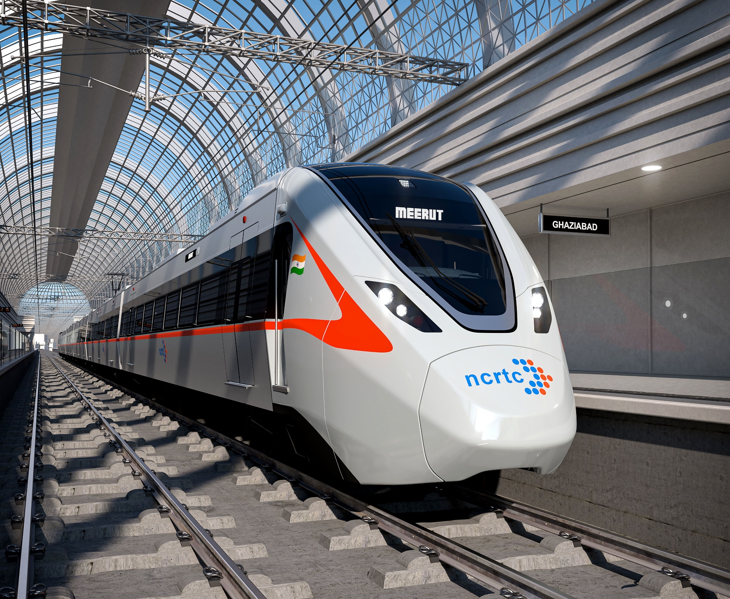

Data Visualization on Travel and Transportation Quest

Mode per hour
 | Cab App Service | Have to take more than one transport | Local Train | Metro | Private Car | Public Bus | Walking or Cycling | (blank)
1 - 2 hours | 1 | 8 | 11 | 2 |  | 16
2 -3 hours |  | 6 | 2 | 1 | 1 | 2
Less than an hour | 2 | 6 | 4 | 3 | 6 | 35 | 1
More than 3 hours |  | 1 |  |  |  | 1
(blank)
Count of Amount Spent
 | Total
500 | 31000
600 | 17400
800 | 6400
1050 | 2100
1300 | 10400
Amount & budget as per Distance
 | Average of Amount Spent | Average of Budget
5 | ₹ 561.67 | ₹ 205.32
7.5 | ₹ 608.00 | ₹ 457.50
12.5 | ₹ 694.12 | ₹ 376.88
17.5 | ₹ 684.62 | ₹ 313.33
20 | ₹ 606.25 | ₹ 440.26
(blank)

Amount & Budget Chart as per Mode
 | Average of Amount Spent | Average of Budget
Cab App Service | ₹ 833.33 | ₹ 366.67
Have to take more than one transport | ₹ 611.90 | ₹ 400.29
Local Train | ₹ 552.94 | ₹ 267.65
Metro | ₹ 608.33 | ₹ 231.67
Private Car | ₹ 985.71 | ₹ 860.00
Public Bus | ₹ 583.33 | ₹ 320.78
Walking or Cycling | ₹ 500.00 | #N/A
(blank)
Amount/Distance Chart
 | 5 | 7.5 | 12.5 | 17.5 | 20 | (blank)
500 | 23 | 14 | 6 | 7 | 12
600 | 5 | 8 | 5 | 2 | 9
800 |  | 1 | 4 | 2 | 1
1050 | 1 |  |  |  | 1
1300 | 1 | 2 | 2 | 2 | 1
(blank)
Comfort Chart as per Mode
 | Maybe | No | Yes | (blank)
Cab App Service | 3
Have to take more than one transport | 7 | 10 | 4
Local Train | 7 | 7 | 3
Metro | 2 | 1 | 3
Private Car | 1 |  | 6
Public Bus | 23 | 27 | 4
Walking or Cycling |  |  | 1
(blank)

