Dashboard
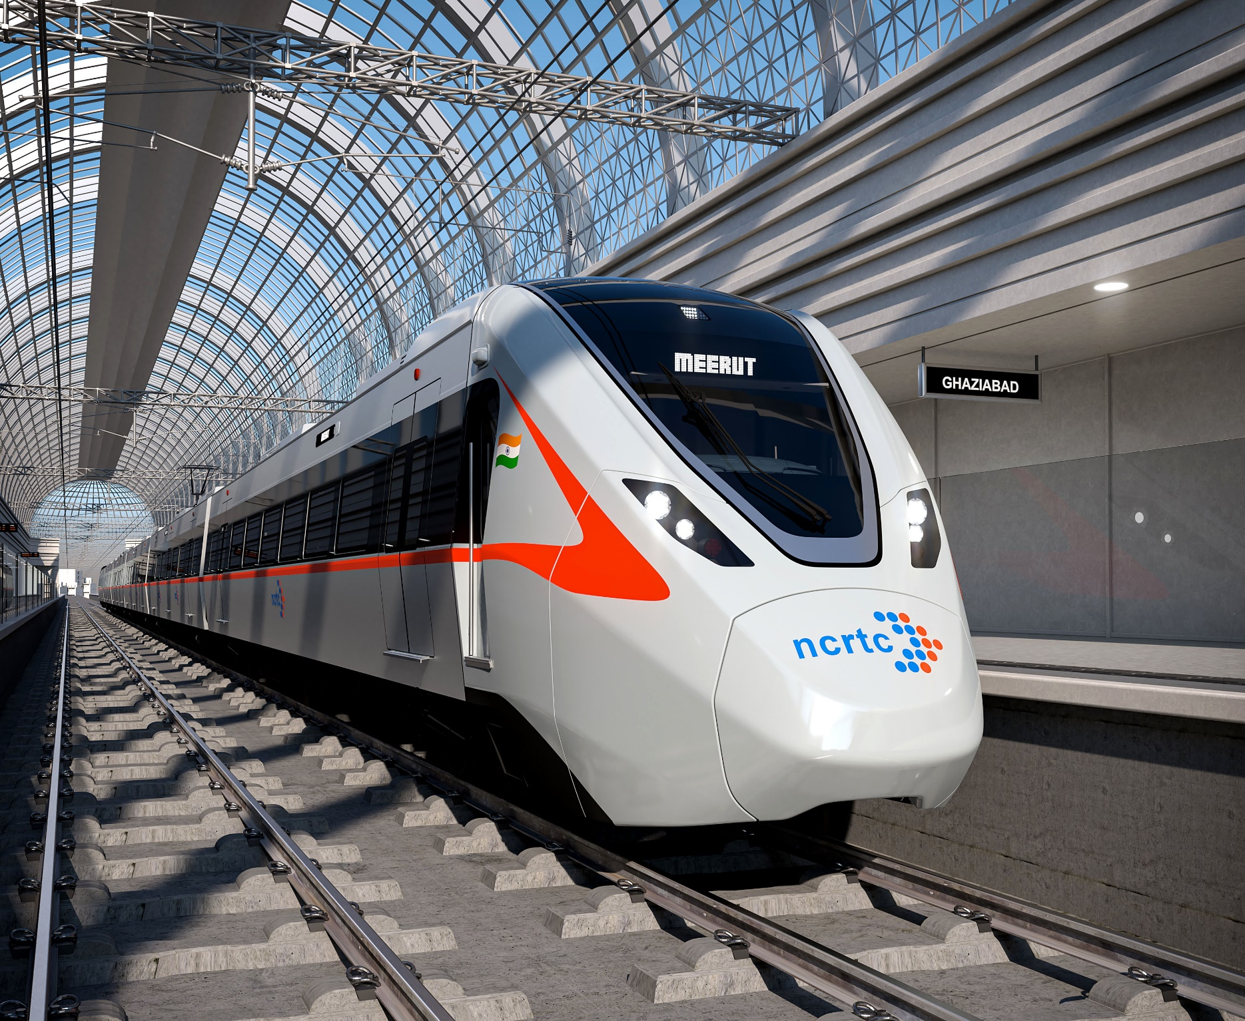
Mode per hour
 | Cab App Service | Have to take more than one transport | Local Train | Metro | Private Car | Public Bus | Walking or Cycling
1 - 2 hours | 1 | 8 | 11 | 2 |  | 16
2 -3 hours |  | 6 | 2 | 1 | 1 | 2
Less than an hour | 2 | 6 | 4 | 3 | 6 | 35 | 1
More than 3 hours |  | 1 |  |  |  | 1
Amount & budget as per Distance
 | Average of Amount Spent | Average of Budget
5 | ₹ 561.67 | ₹ 201.63
7.5 | ₹ 590.00 | ₹ 439.20
12.5 | ₹ 694.12 | ₹ 363.53
17.5 | ₹ 684.62 | ₹ 327.69
20 | ₹ 606.25 | ₹ 428.17
Amount/Distance Chart
 | 5 | 7.5 | 12.5 | 17.5 | 20
500 | 23 | 13 | 6 | 7 | 12
600 | 5 | 8 | 5 | 2 | 9
800 |  | 1 | 4 | 2 | 1
1050 | 1 |  |  |  | 1
1300 | 1 | 2 | 2 | 2 | 1
50 |  | 1
Comfort Chart as per Mode
 | Maybe | No | Yes
Cab App Service | 3
Have to take more than one transport | 7 | 10 | 4
Local Train | 7 | 7 | 3
Metro | 2 | 1 | 3
Private Car | 1 |  | 6
Public Bus | 23 | 27 | 4
Walking or Cycling |  |  | 1
Amount & Budget Chart as per Mode
 | Average of Amount Spent | Average of Budget
Cab App Service | ₹ 833.33 | ₹ 366.67
Have to take more than one transport | ₹ 611.90 | ₹ 400.29
Local Train | ₹ 552.94 | ₹ 267.65
Metro | ₹ 608.33 | ₹ 231.67
Private Car | ₹ 985.71 | ₹ 808.57
Public Bus | ₹ 583.33 | ₹ 308.13
Walking or Cycling | ₹ 50.00 | ₹ 0.00
Referable Modes as per Distance
 | 5 | 7.5 | 12.5 | 17.5 | 20
Cab App Service | 1 | 1 | 1
Have to take more than one transport | 2 | 6 | 2 | 2 | 9
Local Train | 3 | 2 | 4 | 2 | 6
Metro | 2 | 1 | 2 |  | 1
Private Car | 2 | 2 | 1 | 2
Public Bus | 20 | 12 | 7 | 7 | 8
Walking or Cycling |  | 1
Spend vs Budget as per Time
 | 1 - 2 hours | 2 -3 hours | Less than an hour | More than 3 hours
Sum of Amount Spent | 23300 | 8050 | 33600 | 1900
Sum of Budget | 13186 | 4770 | 17489 | 2300
Amount Spend as per Mode & Distance
 | 5 | 7.5 | 12.5 | 17.5 | 20
Cab App Service | 600 | 600 | 1300
Have to take more than one transport | 1100 | 3100 | 1400 | 1000 | 6250
Local Train | 1500 | 1000 | 2400 | 1300 | 3200
Metro | 1650 | 500 | 1000 |  | 500
Private Car | 1800 | 2600 | 600 | 1900
Public Bus | 10200 | 6900 | 5100 | 4700 | 4600
Walking or Cycling |  | 50
Total Amount spend
 | Total
50 | 50
500 | 30500
600 | 17400
800 | 6400
1050 | 2100
1300 | 10400
Data Visualization on Travel and Transportation Quest

