Sheet1
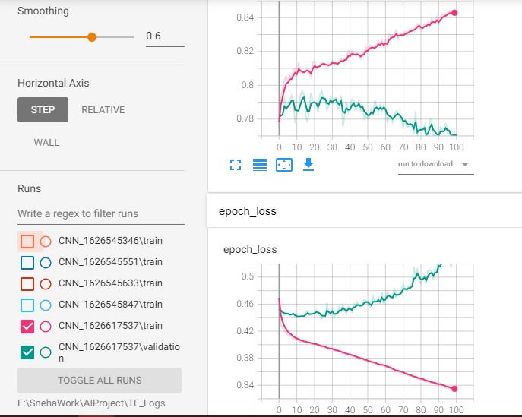
CNN_1626617537 | cnn = models.Sequential([
 | layers.Conv1D(filters=15, kernel_size=3, activation='relu', input_shape=(26,1)),
Test accuracy - ~79 | layers.MaxPooling1D(pool_size=2),

 | layers.Conv1D(filters=30, kernel_size=3, activation='relu'),
 | layers.MaxPooling1D(pool_size=2),

 | layers.Flatten(),
 | # layers.Dense(30,activation='relu'),
 | layers.Dense(20, activation='relu'),
 | layers.Dense(1, activation='sigmoid')
 | ])

 | tb_callback = tf.keras.callbacks.TensorBoard(log_dir=log_dir,histogram_freq=0)

 | cnn.compile(optimizer='adam',loss='binary_crossentropy',metrics=['accuracy'])

 | cnn.fit(X_train, y_train, validation_data=(X_test,y_test), batch_size=10,epochs=100, callbacks=[tb_callback])

Sheet2
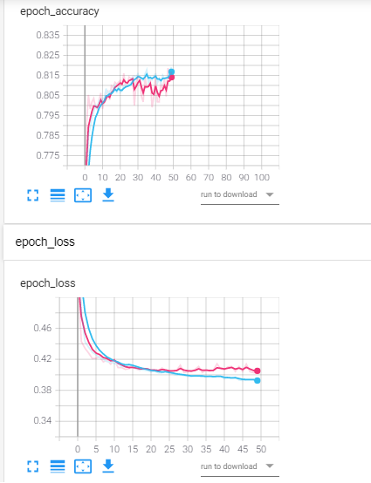
23-Dec-18 | 1st feb 2019

CNN_1626649664 |  | from tensorflow.keras import datasets, layers, models
Test accuracy - ~77 |  | cnn = models.Sequential([
 |  | layers.Conv1D(filters=15, kernel_size=3, activation='relu', input_shape=(26,1)),
 |  | layers.MaxPooling1D(pool_size=2),

 |  | layers.Conv1D(filters=30, kernel_size=3, activation='relu'),
 |  | layers.MaxPooling1D(pool_size=2),

 |  | layers.Flatten(),
 |  | # layers.Dense(30,activation='relu'),
 |  | layers.Dense(20, activation='relu'),
 |  | layers.Dense(1, activation='sigmoid')
 |  | ])

 |  | tb_callback = tf.keras.callbacks.TensorBoard(log_dir=log_dir,histogram_freq=0)

 |  | cnn.compile(optimizer='adam',loss='binary_crossentropy',metrics=['accuracy'])

 |  | cnn.fit(X_train, y_train, validation_data=(X_val,y_val), batch_size=100,epochs=50, callbacks=[tb_callback])

 |  | X_val - 1125
 |  | X_train - 4500
 |  | X_test - 1407

Sheet3
CNN_1626651073
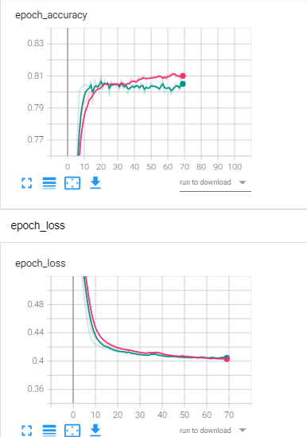
79-80 | from tensorflow.keras import datasets, layers, models
 | cnn = models.Sequential([
 | layers.Conv1D(filters=15, kernel_size=3, activation='relu', input_shape=(26,1)),
 | layers.MaxPooling1D(pool_size=2),

 | layers.Conv1D(filters=30, kernel_size=3, activation='relu'),
 | layers.MaxPooling1D(pool_size=2),

 | layers.Flatten(),
 | # layers.Dense(30,activation='relu'),
 | layers.Dense(20, activation='relu'),
 | layers.Dense(1, activation='sigmoid')
 | ])

 | tb_callback = tf.keras.callbacks.TensorBoard(log_dir=log_dir,histogram_freq=0)

 | cnn.compile(optimizer='adam',loss='binary_crossentropy',metrics=['accuracy'])

 | cnn.fit(X_train, y_train, validation_data=(X_val,y_val), batch_size=375,epochs=70, callbacks=[tb_callback])

Sheet4
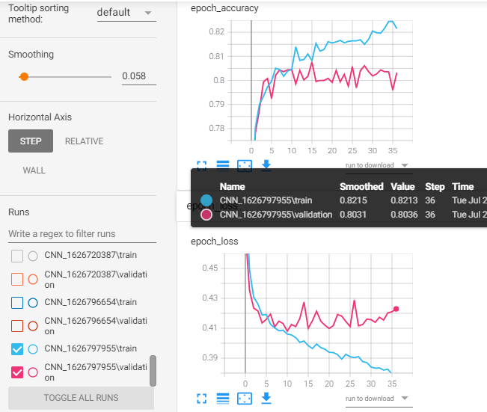
Name = "CNN_{}".format(int(time.time()))
log_dir="E:\\SnehaWork\\AIProject\\TF_Logs\\{}".format(Name)
cnn = models.Sequential([
layers.Conv1D(filters=64, kernel_size=3, activation='relu', input_shape=(26,1)),
layers.MaxPooling1D(pool_size=3),

layers.Conv1D(filters=128, kernel_size=3, activation='relu'),
layers.MaxPooling1D(pool_size=3),

layers.Flatten(),
layers.Dense(20, activation='relu'),
layers.Dense(1, activation='sigmoid')
])

#cnn.summary()
tb_callback = tf.keras.callbacks.TensorBoard(log_dir=log_dir,histogram_freq=0)

cnn.compile(optimizer='adam',loss='binary_crossentropy',metrics=['accuracy'])

cnn.fit(X_train, y_train, validation_data=(X_val,y_val), batch_size=32,epochs=37, callbacks=[tb_callback])

