Sheet1
TestID | 1111
Test Description | Testirati opciju "izmeni" apartman
Test Environment | OS:Windows 10 Browser: Chrome
Test Case Steps | 1. Na sajt "https://it-255-dz-06-andjela-bojic3972.vercel.app/", pronaci "Apartman 1 porodicni 2. Kliknuti na zuto dugme "izmeni" 3. U input polje za naziv uneti "Naziv izmenjen" 4. U input polje za adresu uneti "Adresa izmenjena" 5. U input polje za cenu ineti "1500" 6. U input polje za sliku uneti "https://www.campusedgeraleigh.com/img/cache/p71/c3224/155725/2d9fc1f59b87a5e2a29372fcdc072143/Campus-Edge-Raleigh-Apartments-Near-NC-State-University-Fully-Furnished-Living-Room.jpeg" 7. Kliknuti plavo dugme "izmeni" 8. Potvrditi da je apartman izmenjen, odnosno da su svi unetiu parametri azurirani
Test Parameters | Naziv: Naziv izmenjen Adresa : Adresa izmenjena Cena: 1500 Slika: https://www.campusedgeraleigh.com/img/cache/p71/c3224/155725/2d9fc1f59b87a5e2a29372fcdc072143/Campus-Edge-Raleigh-Apartments-Near-NC-State-University-Fully-Furnished-Living-Room.jpeg
Screenshot | 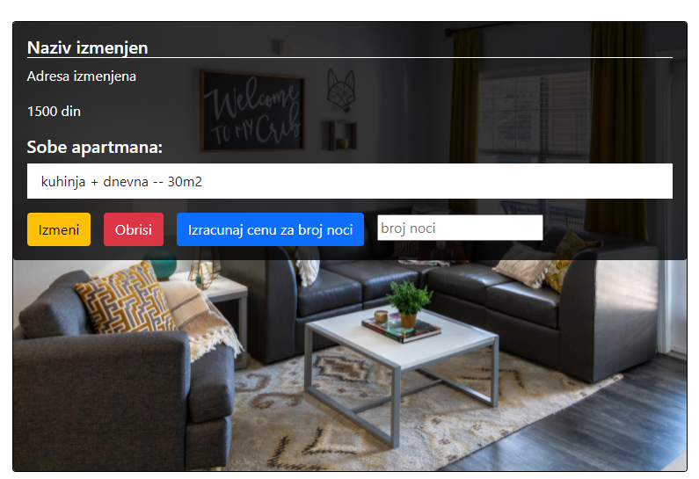

Project Name | MET HOTELS
Created By | Snežana Dimitrijević
Creation Date | 23.01.2022.
Reviewed By | Andjela Bojic

