DESCP OF DATASET
Columns | Descriptions
REACTION FEATURES
Direction | the reaction is forward or reverse propagating
bond type | denotes what type of bond breaking or forming is happening
delta_g_rxn
delta_g | target vaiable

CATALYST FEATURES
catalyst descriptors | rea_paper
 | pauling_electronegativity, work function, d_band_cnetre, d_bandwidth, d_band_filling are taken from the reaseach paper link mentioned. Apart from it I have validated them using other reasearch papers which is mentioned in the 3rd sheet along with other catalyst descriptors used with the attahced links of the sources
total stars | no of adsorption sites on the reactant side
t_n_c, t_n_h, t_n_o | total number of carbon, hydrogen and oxygen atoms present on the reactant side

MOLECULAR DESCRIPTORS SUMMATION OF REACTANTS EVALUATED FROM RDKIT (taken the example of CH3CH3COOH; SMILE-> OC(=O)CC )
sum_mw | sum of molecular weight of the reactants
sum_logp | Wildman-Crippen log partition coefficient (RDKit).Each heavy atom is assigned an atom-type contribution; all are summed.Positive = lipophilic, negative = hydrophilic. Calculates the ratio of compounds conc in n-octanol and that in water. Σ(atom contributions) = 0.481
sum_balaban | J = [q / (μ+1)] × Σ_bonds (s_i × s_j)^(–0.5)(weighted bond order is used in the rdkit but in normal cases we use unweighted) | single bond =1, double bond =0.5, weight =1/bond order
 | q = number of bonds = 4, μ = ring count = 0 → μ+1 = 1
 | s_i = row-sum of topological distance matrix for atom i using weighted avg. Computed index=2.8474
sum_hall | Hall-Kier Index- Correction for heteroatom size used in Kier κ shape indices.
 | α = Σ_atoms (r_i / r_C_sp3 – 1)
 | r_C_sp3 = 0.77 Å (reference). Each O (r=0.66 Å) contributes ≈ –0.143.
 | 2 O atoms + hybridisation corrections → α ≈ –0.53

MOLECULAR FINGERPRINTS EVALUATION MANUALLY
O0 | zero free electrons on oxygen atom =O,-OH
O1 | one free electron on oxygen atom -O.
C0 | fully saturated, no surface bonding, zero free e-
C1 | one dangling bond, weak surface bomding, one free e- on C for metal interaction
C2 | two dandling bond, moderate surface bonding, 2 free e-
C3 | three dangling bonds, strong surface bonding, 3 free e-
C-00 | give the no of C-OH bonds
The other columns are self explanatory. Explaining you with an example
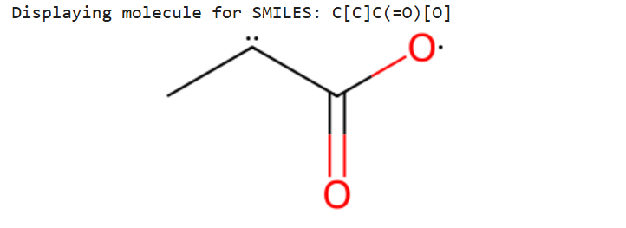
C0
C2
O1
C0

O0

O0-1; O1-1; C0-2; C1-0; C2-1; C3-0; C-H-4; C-O0-0; C-O1-1; C-OH-0; C=O-1; C0-C0-0; C0-C1-0; C0-C2-2; C0-C3-0-0…..ALL OTHER TERMS ARE ZEROS

