Instructions
Instructions for using this workbook

Step 1:
For each heuristic item, enter a rating of -1 (doesn't comply with the guideline), +1 (complies) or 0 (kind of complies). If a guideline isn't relevant, leave the rating blank.

Step 2: Add a comment to explain your rating.

Step 3: Enter a Severity Rating
(1) Not a problem: I don’t agree that this is a problem
(2) Cosmetic: fix not necessary, unless extra time is available
(3) Minor: needs fixing but low priority
(4) Major: needs fixing and high priority
(5)Catastrophic: imperative to fix within next iteration or before release

Step 4: Click on the Results worksheet to get a numerical rating for the compliance with the guidelines.

Results
Heuristic Evaluation of
[Application Name you are evaluating: 24065621]
Created By
[Your Student Name: 24065621, 24105383, 25043131]

Summary of results

 | Raw score | # Questions | # Answers | Score
Visibility | 4 | 5 | 5 | 90%
Match Between System and the Real World | 4 | 5 | 5 | 90%
User Control and Freedom | 3 | 5 | 5 | 80%
Consistency and Standards | 5 | 5 | 5 | 100%
Help Users Recognize, Diagnose, and Recover From Errors | 1 | 5 | 1 | 100%
Error Prevention | 1 | 5 | 2 | 75%
Recognition rather than recall | 4 | 5 | 5 | 90%
Flexibility and efficiency of use | 3 | 5 | 5 | 80%
Aesthetic and Minimalist Design | 4 | 5 | 5 | 90%
Help, Feedback & Error Tolerance | 3 | 5 | 5 | 80%
Overall score |  | 50 | 43 | 88%

Severity
Severity

Summary of results

 | Raw score | # Questions | # Answers | Score
Visibility | 8 | 5 | 5 | 20%
Match Between System and the Real World | 7 | 5 | 5 | 13%
User Control and Freedom | 9 | 5 | 5 | 27%
Consistency and Standards | 6 | 5 | 5 | 7%
Help Users Recognize, Diagnose, and Recover From Errors | 1 | 5 | 1 | 0%
Error Prevention | 4 | 5 | 2 | 33%
Recognition rather than recall | 6 | 5 | 5 | 7%
Flexibility and efficiency of use | 9 | 5 | 5 | 27%
Aesthetic and Minimalist Design | 6 | 5 | 5 | 7%
Help, Feedback & Error Tolerance | 9 | 5 | 5 | 27%
Overall score |  | 50 | 43 | 17%

UC1-State1
Use Case 1: Set automatic reply
State 1: Outlook Inbox Page
Completed by: Sonny Normansell, Bo Song, Isabel Beat

Checkpoint |  | Severity | Comments

Visibility of System Status | 1 | 1 | The user is informed about where they are in the system and the system state through the use of Icons and tooltips whch appear underneath the icon that the user is hovering over to provide a desciption of the functionality of the icon that is the user is about to select. The nav bar indicates that the user is in the inbox pageas it provides a central point for the user to navigate to other states in the system. Contrast between element that are being hovered over by the cursor proivde the user with feedback about the system status as it informs the user about where they are in the system and what element they are about to interact with, this is achieved by providing contrasting background and font colour to navigational elements to indicate that the user is focusing on them.
Match Between System and the Real World | 1 | 1 | The use of icons provide a intuitive mapping between the tasks and the system through avoiding using system orietned terms, instead this state uses icons and language that is familiar with the user along with tooltips for extra description minimising confusion about the functionality of elements. Having navigation bars at the edge of the screen make content more accessible as the edges of the screen 'have infinite width' and are the most accessible place on the screen. This state also follows f shpae pattern for reading web content, no important information is on the right hand side of the page and the most important information is in the first two paragraphs (navigation content) which makes the information appear in natural and logical order.
User Control and Freedom | 1 | 1 | There are multiple obvious paths for the user to begin the process of creating their automatic reply. Automatic reply popup is displayed upon clicking the icon which creates a feeling of progress. There are multiple ways for the user to backtrack to the inbox page which gives the user control of the whole system along with tailoring to both expert and novice users.
Consistency and Standards | 1 | 1 | Multiple features support consistency and standards. Every time a user clicks on an icon a popup will display which supports consitency as popups displaying is consistent across the system. When a user hovers the cursor over an element it consistently provides an explination of the function through the use of tooltips and demonstrates where the user is in the system through the use of a colour scheme change for that speicfic element along with a tooltip which is repetition to demonstrate that the process repeats for each icon. It is easy to differentiate between elements due to unvaried spcaing between elements in sections. The elements with a similar level of importance are in close proximity to each other which is something that is consitent throughout the interface. Font size and font-family are also repeated throughout this state for example 'Sergou UI' is used throughout this state and a font-family of 16px is utilized for non-heading and non sub-script text. Overall interface design is consistent with outlook design and other microsoft applications , through the use of the same colours, alignement, use of interface controls and font-family.
Help Users Recognize, Diagnose, and Recover From Errors |  | 1 | This page has virtually no risk of user errors, as it contains no error-prone elements. There are no text input fields, form submission buttons, or permanent delete functions that could lead to accidental actions. Since there are no common error scenarios on this page, no complex error recovery mechanisms are needed. You can navigate freely without worrying about fixing mistakes later.
Error Prevention |  | 1 | The state doesn't provide a way for an error to occure through interacting with any individual element. There are no potential destructive actions at this state.
Recognition rather than recall | 0 | 1 | When a user returns to this state all objects, actions and options will still be found in the same place on the interface. The use of icons representing actions makes the icons more recognisable to the user and the use of tooltips when hovering over an icon means that the user does'nt have to recall information about the functionality of the icon.
Flexibility and efficiency of use | 1 | 1 | Includes multiple pathways to reach the same interface for example the settings icon and text-link which can tailor to both novice and expert users with different technical expertise. The interface includes shortcuts to reach other interfaces which can speed up interaction for expert users for example the automatic replies icon which can be used as a shortcut to reach the automatic replies page. The interface provides logical information hierarchy through seperating the primary and secondary functions , for example the secondary functions of the inbox page such as automatic replies and chat have been placed at the top of the screen in a nav bar.
Aesthetic and Minimalist Design | 1 | 1 | Popup for every icon only contains necessary infromation which keeps the interface uncluttered. In each menu all elements are aligned which keeps the interface looking clean, structured and groups related elements visually. The sepeartion of menus and the main content keep the interface uncluttered. The use of icons and tooltips when hovered over reduces complexity as users don't have to interact with techincal terms. Related tasks have been grouped for example navigation content has been grouped in the top nav bar and emails have been grouped which supports minimalist design.
Help and Documentation | 0 | 2 | Help option is present in the navigation which can be used to provide the user with help if needed. Tooltip popups under each icon when hovered provide a worded explination to give context to each icon which aids the user. Since help and documentation is important it should be more visible and included alongside the icons in the top most navigation bar so that users can navigate easier to this function.

Evidence:
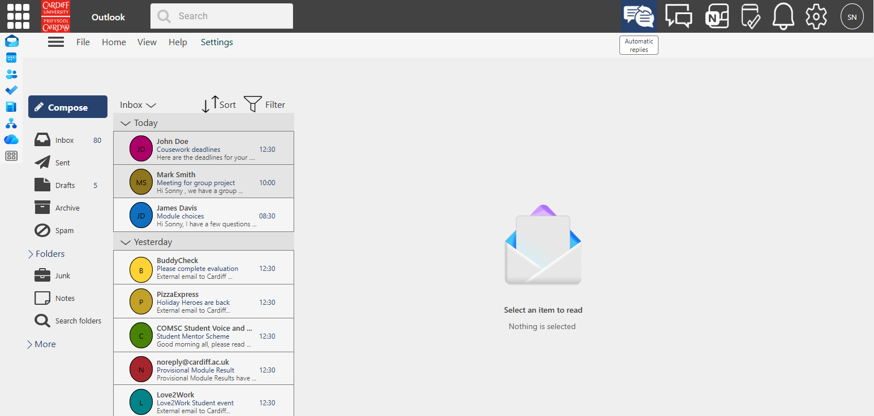

Multiple paths for the user to navigate to automatic replies (shortcut icon, through settings or through search bar) which fuliflls heuristic #8 ' Flexibility and efficiency of use'
The use of icons provide a intuitive mapping between the tasks and the system through avoiding using system orietned terms
heuristic
2 'match between the system and the real world'

UC1-State2
Use Case 1: Set automatic reply
State 2: Automatic replies page
Completed by: Sonny Normansell, Bo Song, Isabel Beat

Checkpoint |  | Severity | Comments

Visibility of System Status | 1 | 1 | 1. The user is well informed about where they are within the process of creating a reply. There is a large title in the top right corner of the page, which boldly entitles the page ‘Automatic replies’. Additionally, there is a blue button on the right side (where users generally look for buttons due to consistency across platforms with many buttons being on the right, away from the blocks of information). This button informs the user that if pressed, it will allow them to create a reply due to the text ‘compose’ which is more common language that users will understand due to using other platforms. There is a menu that allows users to navigate to certain functions or pages in the process (such as delete, or home), which further adds understanding about which part of the process they are doing.
Match Between System and the Real World | 1 | 1 | The title of the page is at the top of the screen, which is where users instinctively look for that type of information, since this is the general layout of most documentation, for example, birth certificates, or chapter titles in a book. The button that will allow the user to create a reply is to the right of the screen, following general patterns - the key process buttons are on the right. This would include buttons such as ok or cancel, or the close button being to the top right of the screen. It also allows the user to build familiarity with the system, since one of the important menus was at the top right of the inbox page; the user will be able to associate the top right of the screen with important buttons, and menus, and will know where to look in the future. The interface uses standard, universally recognized email terms that align with user expectations. Labels like "Inbox", "Sent Items", and "Drafts" match nearly every mainstream email client. The left-aligned navigation also follows standard web design conventions most users encounter daily. This makes the interface feel intuitive and familiar, with no confusing made-up terms to decode.
User Control and Freedom | 1 | 2 | There is a large ‘x’ at the top right of the page, once again conforming to standard practice across most platforms. This button provides a clear exit of the process, allowing the user to return to the main inbox page. There is an additional exit of the page in the menu bar under the title of the page, listed as home. This is another clear marker of an exit that is common practice on many other internet platforms. The tooltip under this menu option states ‘Go home’ which adds additional context that it would take the user to a separate page if the language used is unfamiliar to the user. The x could change colour when hovered over to signify that it will perform the close function to the user and make it obvious to the user that they found the function they are looking for. This page restricts your navigation control, as it lacks a direct one-click shortcut to return to the Inbox when clicking the ‘x’ buttons.
Consistency and Standards | 1 | 1 | Every element on this page follows the same consistent design system as the rest of the Outlook platform. Button styling, icon design, text formatting, spacing, and hover effects all match the Inbox page and other Outlook settings pages exactly. The overall layout also aligns with the standard settings page format used across the platform. This consistency means you know exactly what to expect when interacting with the page. . The options on this page conform with other platform conventions as no matter where in the system the user is, as the close button is in the same place in each page and uses the same symbol in each page. This is not just a common function within this process, but almost every platform the user will interact with throughout their day. Additionally, the colour scheme is once again consistent across the page, as well as the platform in its entirety. It uses grey and blue to conform with the colour scheme that outlook uses. The most important button on the page is blue to stand out from the grey background and make it clear that the button will perform a useful function. This, paired with the tooltips which provides brief explanations of the buttons, and menus, should be sufficient enough that users will not have to wonder about the functionality of any part of the process.
Help Users Recognize, Diagnose, and Recover From Errors |  | 1 | This page has no common error-prone scenarios, as it contains no text input fields, form submissions, or complex configuration options. The only interactive elements are navigation links, a compose button, and basic edit/delete buttons, none of which create common error situations. Since there are no likely user error scenarios, no complex error recognition or recovery mechanisms are needed here.
Error Prevention |  | 1 | This page has virtually no risk of user errors, as it contains no error-prone elements. There are no text input fields, form submission buttons, or permanent delete functions that could lead to accidental actions. Since there are no common error scenarios on this page, no complex error recovery mechanisms are needed. You can navigate freely without worrying about fixing mistakes later.
Recognition rather than recall | 1 | 1 | Every core feature and navigation option is clearly visible and labeled directly on the interface. All navigation items have clear text labels paired with recognizable icons, and every interactive element has an explanatory tooltip on hover. You don’t have to memorize where a function is hidden or what an icon does, as all needed information is in front of you. This reduces mental load and makes the interface much easier to use.
Flexibility and efficiency of use | 1 | 1 | There are multiple ways to achieve the same result in multiple cases on this page. An example is the return to home options, with an option being in the menu, but also the main exit route being the close in the top right of the screen. This provides routes for people of multiple skillsets. If there is a user who is not familiar with technology, they might not be aware that the close button in the top right actually closes the page, but they would hopefully understand that ‘go home’ means to return to a main page.
Aesthetic and Minimalist Design | 1 | 1 | There is no unnecessary information on the page when it opens, with a very minimalist design. Only the important functions are on the page until a path of options are selected. This helps keep the user not confused by giving them too any options at one time. .The page has a clean, uncluttered layout focused entirely on the core task of managing your automatic replies. All related functions are grouped logically, with clear visual separation between the navigation sidebar and main content area. There’s no redundant text, unnecessary visuals, or decorative elements that don’t serve a functional purpose. This minimalist design makes it easy to focus on the task at hand.
Help and Documentation | 0 | 2 | Help option is present in the navigation which can be used to provide the user with help if needed. Tooltip popups under each icon when hovered provide a worded explination to give context to each icon which aids the user. There is a tooltip in the menu labelled Help which users could click to get additional infromation about the entire page however there is no additional help functionality about different aspects of the page. The help functionality could possibly benefit from a icon positioned to the left of the x icon to increase its visibility.
 |  | 1.2

Evidence:
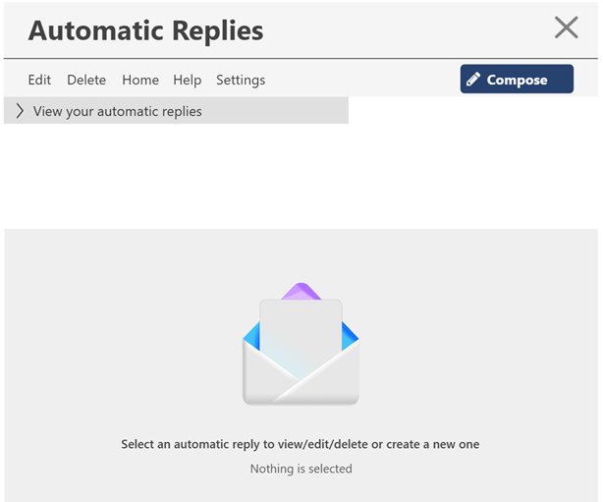

'x' restricts navigational control as it lacks a direct one click shortuct to return to the inbox page(state 1)
Heuristic #2 'user control and freedom'

Help functionality could beneift through an button positioned to the left of the 'x' button to increase its visibility
Heuristic #10 'help and documentation'

UC1-State3
Use Case 1: Set automatic reply
State 3: Compose automatic reply
Completed by: Sonny Normansell, Bo Song, Isabel Beat

Checkpoint |  | Severity | Comments

Visibility of System Status | 0 | 3 | The user is immediately aware of their progress within the process of composing an automatic reply due to the way in which the box opens once the user interacts with the compose button. At first, the input boxes state ‘Tap to begin typing’ which is a good indicator to users that they have to complete certain boxes. Additionally, there is an icon to the right of the screen which has a tooltip stating the user is in edit mode. This is another indication that the user is expected to complete something and is not just viewing existing rules. There is also a second heading for a title of this box, which is the text 'Create a new automatic reply'. This adds a new layer of context to the part of the process they have navigated to, being within the automatic replies page, and inside the create new rule section of this page. However, there is a flaw on this page, as when the user begins to create their automatic reply, there is no obvious indicator as to whether the user has entered a start date, end date, and any specified days, which might lead to some confusion as to whether or not it is a necessary process.
Match Between System and the Real World | 1 | 2 | The phrase ‘tap to begin typing’ is a common phrase used across many different platforms to indicate that the user is expected to input some text within a box. This method of giving information to guide the user is a consistent way that is utilised on many websites and applications which should provide the user with some familiarity and help them build a mental model. They should quickly become comfortable using the feature and the platform as a whole due to the consistencies across the pages. The tasks that the user must complete for the process are logical and likely what they expected before opening the page, meaning that information appears in a natural order, and increases the usability of the platform. The menu is almost identical to the one which is used by other microsoft software like word, which the user will likely also be familair with if using outlook, so the comcepts on the menu will be easily understood. This could include the options to change the font, font size, and text colour. The layout of the interface is intuitive if the user is familiar with email platforms as there are two boxes, one for subject, and one for the main body of the email. However, if the user is not familiar with general email layouts, they might not understand the purpose of the separate text boxes. It could include some label or tooltip that explains what each box is for.
User Control and Freedom | 1 | 1 | The create automatic reply section of the automatic replies page includes two buttons, one for confirming the creation of a reply, and one for cancelling the creation and returning to the previous view of this page. It does not return to the inbox page which is an intuitive design as the user may intend to return to view current replies, not knowing they can view current automatic replies even when the input box is open. The confrim button, once pressed, causes a popup to appear stating that a new reply has been successfully created and providing the user with a back button, which closes the entire create reply and returns back to the automatic replies page. This is another intuitive decision as most users will likely want to check that the reply has been successfully been created even after the popup; they will want to see it with their own eyes in the current replies, so they can check all details are correct at one time. All of this gives the users complete control over how they navigate through the interface.
Consistency and Standards | 1 | 1 | There is consistency between this feature of the platform, and the rest of the platform, demonstrated through the placement of certain elements of the page. For example, the menu bar for the text controls (e.g., text font, size, and colour) is across the top of the create replies box. This matches the previous 2 states of the use case, with all important menus being at the top of the pages and underneath the titles, where the eye is naturally drawn to. Therefore, platform conventions are followed the entire way through the process.Consistency is also maintained through this state as the confirm and cancel buttons are displayed in the same way within the date and days entries as well as the overall confirm and cancel. When the user chooses dates, they are presented with confirm and cancel which are the same shape and colour as the ones shown at the bottom of the page. This repetition of common phrases means the users should never be confused about whether the action of clicking a button will perform a certain action; all confirm buttons are used to confirm an action, and all cancel buttons are used to cancel an action. This should be easily comprehensible to any users. The use of green to represent confirm and red to cancel is another intuitive choice made to allow the user to comprehend what actions thet are taking, since green often means go, and red often means stop. This is a change from the usual colour scheme, but since the buttons are the most important on the interface, this is fitting.
Help Users Recognize, Diagnose, and Recover From Errors |  | 1 | There are not many errors that could be made at this stage, excepting the imputs made by the user. For example, if the user were to enter the wrong date, they can easily return to the date input function and change the date they have entered. Any other mistakes made in this state could be remedied in other states or use cases. For example, if they accidentally confirm an incomplete message, they can edit or delete it but this is not relevent at this state. Therefore, there are no ways the user could create an error at this state.
Error Prevention | 0 | 3 | If the user were to confirm an incomplete message, there is no message to them about incomplete inputs or any confirmation message asking if they are sure they wish to proceed with empty boxes. This means the user could accidentally create an automatic reply between two dates which replies with a blank email, or they could attempt to create an automatic reply with no dates. If this were the case, would the automatic reply every be sent or would it be considered invalid and not actually send any replies despite being listing in current replies? The presence of a cancel button is, however, a good method of error prevention, as it enables the user to cancel the action of creating a reply if they change their mind or if it would be more convenient to start fresh than change a variety of inputs. Cancelling and confirming the creation of a message should come with a confirmation box asking if the user is sure.
Recognition rather than recall | 1 | 1 | The user does not have to remember any significant details within this state as the information is clearly visible. There are common icons representing the different options in the menu, so they will not have to recall which icon allows them to change what aspect of the text. Additionally, the should recognise confirm and cancel as common words used in many systems online, and therefore will not have to rememebr any specialised naming for elements within this specific platform. Just like other states in the platform, when the user hovers over an element of the page, more information/context appears to guide the user. In this state, when the user hovers over an option in the menu, there is a drop down that displays all of the options under that type, which the user can select. For example, if the user selects text colour in the menu, there is a dropdown with a list of colours that are available. The user can select one of these colours. The use of these drop downs consistently across the platform, and the state, means that the user will never have to remember specific functions, as they can recognise that hovering will provide additonal context, and menus will provide options, etc. There is also a calendar which provides a visual representation of dates, which means the user will not have to remember to input dates in certain formats, and instead can just locate the correct day, month, and even year in a common date format.
Flexibility and efficiency of use | 1 | 2 | There are not many ways this interface could have been made that would be inclusive of different skill levels due to simplicity of the functions available within this stage. Due to the simplicity of the functions, it would be easy for users to create multiple automated replies quickly. However, for some users, it might be more efficient if there was a way of saving certain parts of the process. For example, if a user wanted to create multiple replies for the same week, but different ones sent at different times, an options to save frequent dates, or time frames might be exceedingly useful. This would not be a necessary function however, as they could easily create a new reply. The efficiency of the state is evident in the small number of steps required to create a reply. Most of the functions available are unecessary, including the altering of the text style. Since the user needs only to type the reply, and choose a date, the process is quickly achieved and the user would not have to waste any time deliberating on specialised functions. Another way that the process could be made more efficient is by allowing the users to save drafts. This would be useful when, for example, a user is not yet certain of times, or circumstances. They would be able to fill out as much information as they could, and come back to finish the rule oncwe they are sure. This would be mean they would be in no great rush to complete the rule quickly if they are in a hurry, as it would be mostly prepared.
Aesthetic and Minimalist Design | 1 | 1 | The interface does not overwhelm the user with a great number of unecessary functions. The functions that are not always needed within the process are contained in one menu, and already have a default setting so that the user does not have to trouble themseleves with the styling of the email. The rest of the layout is minimalist in that it keeps a strict colour scheme with grey scale backgrounds, like the other states, and green and red buttons for the dates, days, and the final confirm or cancel that submits or wipes the reply. The interface looks uncluttered as the main input boxes fill most of the space and are not filled with uneccessary information, allowing the user to feel at ease as they fill in information or make styling decisions. Form fields are grouped in logical sections, with the date inputs being at the top to one side, the text styling choices being at the top to the other side, and the main input boxes being next to each other filling the remaining space. This adds to the aesthetic nature of the interface, as the information is not scattered around the page creating a busy feel.
Help and Documentation | 1 | 2 | There is little help for this state, as most elements are extremely self explanatory. The navigation bar at the top of the automatic replies page is still visibile even when creating an automatic reply, so the user is still able to select this option on that menu, even when in the process of creating an automatic reply. There are no tooltips on the create reply interface but due to the drop downs on all of the options, any user who has a bit of experience with similar platforms, or other microsoft softwares should be able to easily work out all of the functionality. However, a completely new user may have trouble figuring out some of the text styling options.

Evidence:

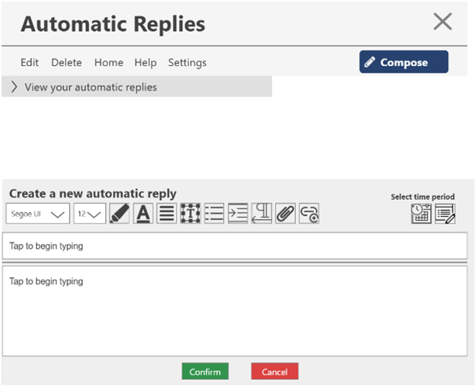

There is no obvious way for the user to check if they have entered a date and days, other than reopening all of the calendars.

Could include tool tips to quickly describe what each of the text styling functions are. Would a user completely new to microsoft or other platforms involiving text know what it means to align left or increase indent?

No way to save a draft

Does not specify what each input box should include. The user may not understand that one box is subject and one box is main body of email.

No checking if the user is sure they wish to confirm or to cancel. They could lose their progress if accidentally clicking cancel, or could create an incomplete reply if accidentally pressing confirm

UC1-State4
Use Case 1: Set automatic reply
State 4:Automatic reply created
Completed by: Sonny Normansell, Bo Song, Isabel Beat

Checkpoint |  | Severity | Comments

Visibility of System Status | 1 | 1 | The user can clearly see what state the system is in through the toast notification. The popup shows “Automatic reply created”, so users know right away that the operation is done. The popup appears immediately after clicking, without making the user wait too long. The green “Back” button also lets users know this action can be reversed. I think this feedback is quite timely, users won’t be confused about whether their operation succeeded. The popup is positioned in the center, easy for users to notice without missing the information.
Match Between System and the Real World | 0 | 2 | The language used in the popup is pretty simple, expressions like “Automatic reply created” should be understandable for users. However, there’s a small issue - the popup says “New end date has been set” but users can’t see the actual date. In real life, when we set an out-of-office reply, we want to know the specific dates, but now users have to check elsewhere. I suggest displaying the date directly in the popup, like “End date: Oct 15”, so users have a clearer picture. Also, the subject line “Health issues” is a bit too brief, real out-of-office reasons are usually more complete.
User Control and Freedom | 1 | 1 | Users have several ways to control this flow. There’s a “Back” button in the popup to return if they don’t want to continue. The main interface also has “Cancel” and “Confirm” for users to decide whether to submit. The top navigation bar has options like “Home” and “Edit”, users can jump elsewhere anytime. I think this design is pretty good, users won’t get stuck on this page, they can exit whenever they want without feeling “forced to complete”.
Consistency and Standards | 1 | 1 | The popup style is consistent with other notifications in the system, users recognize it as system feedback. The “Back” button uses green, same as the “Confirm” button, both indicating positive actions. Font is Segoe UI, consistent with other parts of the interface. Button rounding, spacing, and other details are also unified. I think users won’t get confused by different styles across pages, the overall experience feels coherent.
Help Users Recognize, Diagnose, and Recover From Errors | 1 | 1 | The popup tells users the operation is complete, they can clearly understand the current state. Messages use simple English without technical terms, users should be able to understand. The green “Back” button also gives users a recovery path, they can go back if they want to modify. The popup also mentions “New end date has been set”, users can diagnose that the date is configured. I think this feedback is quite clear, users won’t be confused about what they just did.
Error Prevention | 1 | 1 | This design does well in preventing errors. The “Cancel” button lets users abort before confirmation, won’t accidentally submit with a slip. “Confirm” and “Cancel” buttons have different colors, green and red, users won’t easily click the wrong one. The popup appears after operation, not auto-submitting, users have a chance to review. Subject and content are separate lines, users won’t get confused when inputting. I think this design helps users avoid quite a few errors, better than prompting after something goes wrong.
Recognition rather than recall | 1 | 1 | When the popup appears, all information is on screen, users don’t need to remember anything. The popup clearly states what happened (created) and what was set (end date), users don’t need to recall what they just did. Toolbar icons have text labels next to them, like font name “Segoe UI”, users don’t need to guess what each icon does. Subject and content lines are visible simultaneously, users don’t need to switch back and forth to check. I think this design lets users operate by recognition rather than memory, much less burden.
Flexibility and efficiency of use | 1 | 1 | The interface gives users multiple ways to achieve the same goal. The popup has a “Back” button for quick return, no need to start over if they want to modify. Top navigation bar can jump directly to other functions, no need to go back home to find them. Toolbar formatting options are quite complete, different users can find what they need. Novice users can follow step by step, experienced users can click confirm and skip. I think this design accommodates users of different levels, efficiency is pretty good.
Aesthetic and Minimalist Design | 0 | 2 | The popup looks quite clean overall, but there’s one issue. The popup covers the main content area, text the user is editing gets blocked, have to close the popup to see it. I suggest moving the popup to top-right or bottom, don’t block the main content. Also, text in the popup could be more concise, “for the current automatic reply” could be removed since context is already clear. Toolbar has quite a few icons, could consider hiding less commonly used ones. Overall design is okay, but layout could be optimized a bit more.
Help and Documentation | 1 | 1 | Top navigation bar has a “Help” option, users can find it when they need assistance. The popup itself serves as help, telling users the operation is complete. Toolbar icons should show tooltips on hover, users don’t need to guess what each button does. “Settings” option also lets users find more configuration instructions. I think the help function is simple but basically sufficient, users can find somewhere to check when they encounter problems.

Evidence:
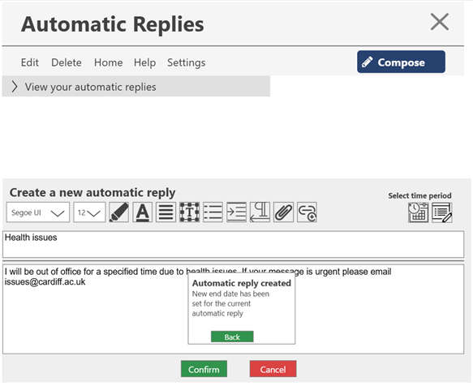

Popup covers editing content area, user cannot see text while notification displays. Heuristic #9 ‘Aesthetic and Minimalist Design’

Toast notification provides immediate feedback to inform user the reply has been created. Heuristic #1 ‘Visibility of System Status’

Back button serves as emergency exit, user can return to modify if needed. Heuristic #3 ‘User Control and Freedom’

Confirm button allows user to finalize and submit the automatic reply. Clear visual distinction with green color. Heuristic #3 ‘User Control and Freedom’
Cancel button provides alternative exit path. Color contrast (green/red) helps users distinguish actions quickly. Heuristic #4 ‘Consistency and Standards’

UC1-State5
Use Case 1: Set automatic reply
State 5: Display created automatic replies
Completed by: Sonny Normansell, Bo Song, Isabel Beat

Checkpoint |  | Severity | Comments

Visibility of System Status | 1 | 2 | The system clearly keeps the user informed about what is going on through the use of and appropriate description on the dropdown box. 'View your automatic replies' clearly indicates that if a user selects an item from the dropdown box then they will be able to view the created automatic reply. Whilst hovering over an automatic reply from the dropdown box the automatic reply will be displayed in the main section panel. Upon being selected from the dropdown box the automatic reply will be displayed temporarily in the panel which previously stated 'Select an automatic reply to view/edit/delete or create a new one' therefore the automatic reply being displayed in this panel clearly indicates that the user is viewing the complete automatic reply. Having brief overviews of the content of the automatic replies in the dropdown box provide the user with feedback and enough information to select the automatic reply that they wish to view. Having an icon display on the automatic reply helps the user identify that they are viewing an automatic reply. Although perhaps having a background colour change on the selected automatic reply from the dropdown box could give the user a better sense of the automatic reply that they are about to select , this would also follow consistency as hovering over an element in each other state in the system applies contrast to that element.
Match Between System and the Real World | 1 | 1 | This state adheres to this heuristic due to fact that the system doesn't follow system oriented terminology and instead mirrors the non-technical terminology repeated in the previous states. Repeating previous non system-oriented terminology helps build a consistent model in the user's mind and therefore mirrors terminology familiar to the user. The use of the icon in the automatic reply panel helps the user identify that they are viewing an automatic reply without providing technical , system-oriented terminology. The tooltips that display when the user hovers over a navigational link in the top navigation bar helps to provide an intuitive layout and mapping between the tasks and the system which allow the user to be informed about the actions that they are about to partake in. The use of proximity and alignment in the top navigational bar make information appear in natural and logical order with navigational elements being in close proximity and aligned and on the opposite side of the navigation bar to the compose button which helps in grouping related functionality and separating non-related functionality.
User Control and Freedom | -1 | 4 | This state could improve to better adhere to this heuristic as there lacks a clearly marked emergency exit when the user selects to view an automatic reply, this could leave the user confused about how to exit viewing this automatic reply as de-selecting the automatic reply from the dropdown may not be intuitive to novice users as there is no indication which automatic reply was selected from the dropdown apart from the content of the automatic reply. There also lacks support for multiple paths to view an automatic reply, viewing an automatic reply must be achieved through going through and selecting an automatic reply from the dropdown box which take longer for expert users who have many automatic replies to choose from.
Consistency and Standards | 1 | 2 | This state follow consistency and standards due to the consistency with regards to Font-size font family and use of colour which has remained consistent with the rest of the system, providing an intuitive interface through conforming to existing processes. The navigation bar in this state is consistent with the navigation bar from the first state 'outlook inbox page' which builds a consistent model in the users mind through conforming to previous styling. The font-family 'Sergou UI'and font colour #424242 has been used throughout this state which is consistent with every other state. The same colour for the 'view your automatic replies' dropdown has been used as the 'Today' and 'Yesterday' dropdown from state 1 providing the user with a good mental mapping between the styling and function of elements. The structure of the automatic reply with regards to alignment is consistent between the preview automatic reply from the dropdown box and the full automatic reply in the main content panel. Although this heuristic is violated when examining the main content panel with the full automatic reply as the profile picture is not consistent with the users profile picture shown in the dropdown box and the right side panel.
Help Users Recognize, Diagnose, and Recover From Errors |  | 1 | This page has virtually no risk of user errors, as it contains no error-prone elements. There are no text input fields, form submission buttons, or permanent delete functions that could lead to accidental actions. Since there are no common error scenarios on this page, no complex error recovery mechanisms are needed. You can navigate freely without worrying about fixing mistakes later.
Error Prevention |  | 1 | The state doesn't provide a way for an error to occure through interacting with any individual element. There are no potential destructive actions at this state.
Recognition rather than recall | 1 | 2 | This state conforms to the heuristic 'recognition rather than recall' due to the fact that once a user selects an element from a dialogue , for example selects an automatic reply from the'view your automatic replies' dropdown box the content of the dropdown box remains visible and the selected automatic reply is displayed in the bottom panel at the same time ensuring that the user doesn't have to remember which automatic reply they selected before viewing it. Also the fact that each element in the dropdown box contains a brief overview of the automatic reply including subject, date range and first sentence the user will be aware of the automatic reply that they have selected and the automatic reply being displayed in the main panel will reflect this preventing the user from needing to remember the overview content of the automatic reply. Perhaps tooltips in this state could improve this heuristic as tooltips would provide instructions on how to view an automatic reply similar to how tooltips have been used in previous states to give descriptions of the functionality of navigational options in states.
Flexibility and efficiency of use | -1 | 4 | This state lacks support for different methods to achieve the same end due to the fact that there exists only one path for the user to view an automatic reply which is through selecting an automatic reply from the dropdown box. This state also lacks advanced keyboard shortcuts that experienced users rely on to speed up their work. There are no shortcuts for opening automatic replies, or selecting multiple automatic replies emails at once. This means expert users have to rely entirely on mouse clicks, which slows down their workflow slightly.
Aesthetic and Minimalist Design | 1 | 1 | This state adheres well to this heuristic due to the fact that the state contains only the relevant information that is essential to complete the task of viewing an automatic reply. The layout feels very uncluttered due to the fact that it is simplistic, minimalistic and doesn't contain unnecessary information. This state ensures minimalism through grouping related tasks , for example all automatic replies from the dropdown box are grouped visually due to the help of proximity and alignment , content on the navigation bar is also grouped visually due to alignment and proximity with the related elements. Lastly this page ensures minimalist design through reducing the number of options on the page , for example to view an email the user has to select an email from a dropdown which ensures that the user doesn't have to navigate through complex dialogues. I believe the use of the organisers workspace design pattern helps ensure minimalist design in this state as selecting an option from the dropdown displays its content in the main panel which is a very simple and minimalistic operation which reduces the need for complex dialogues.
Help and Documentation | 1 | 2 | This state provides a help option that is visible in the top navigation bar to provide help to the user. This Help option in the top most navigation bar is consistent throughout each state and therefore has helped build a model in the users mind , the user can expect to find the help option in the top navigation bar if it is repeated throughout the system, improving its accessibility. The tooltips that appear underneath navigational options and the compose button once hovered over provide great help and documentation through providing the user with further information about the use of these elements for example hovering over the settings navigational link will provide the tooltip 'Go to Settings' providing help to the user with regards to the functionality of the individual elements in the navigation bar. Although this could be applied to the elements in the dropdown box , providing a tooltip once hovering over an automatic reply telling the user that they can view the automatic reply by clicking it could provide further help for novice users although clicking an option is an intuitive action. The help option could be made more visible and accessible through the use of buttons with an icon.

Evidence:
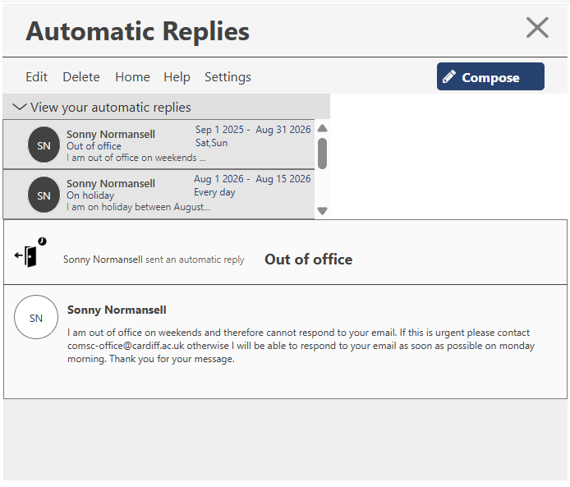

only one path for the user to view an automatic reply which is through selecting an automatic reply from the dropdown box.
Heuristic #8 'flexibility and efficiency of use

The profile picture is different from the one displayed in the drop down and in the main content panel violates heuristic #4 consistency and standards

lacks a clearly marked emergency exit when the user selects to view an automatic reply
Heuristic #3 'User control and freedom

