Coffee Maker
Espresso Maker Technical Specifications
Description |  | coffee maker | coffee maker | coffee maker | coffee maker | coffee maker
Image |  | 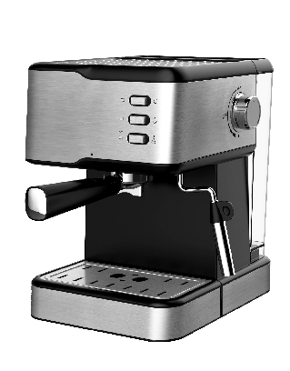 | 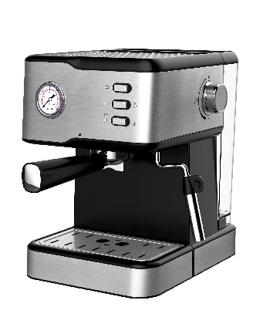 | 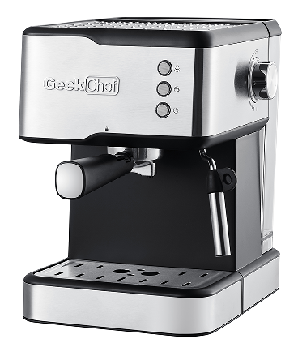 | 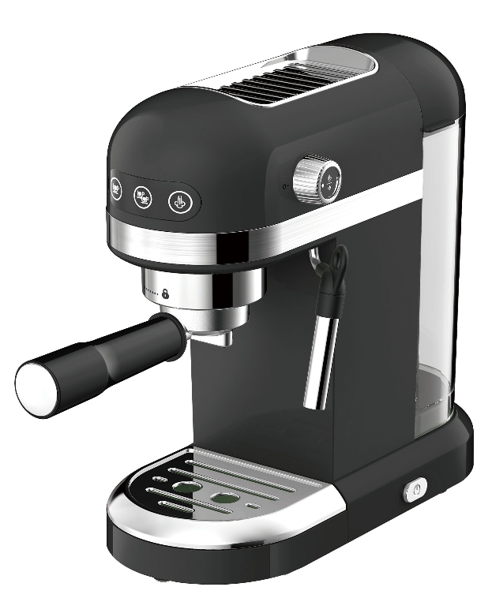 | 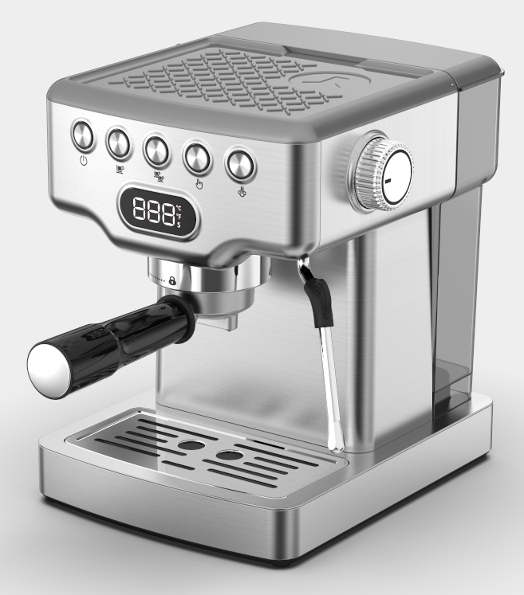
Brand |  | Geek Chef | Geek Chef | Geek Chef | Geek Chef | Geek Chef
Model Number |  | GCF20B | GCF20BP | GCF20C | GCF20D | GCF20E
UPC |  |  |  | 850037687183 | 850037687190
Product Introduction |  | 120V 60Hz 950W ESE POD Push-button control panel 20Bar pump pressure Coffee options:espresso,cappuccino 1.5L detachable transparent water tank Alumium alloy die casting boiler Alumium alloy filter holder attached with dual stainless steel filter to improve coffee quality 2 cups filter for ground coffeeWith overheat and overpressure protecting device Detachable frothing nozzle Durable stainless steel cup plate for coffee cups preheating Without ERPJiayin pump UL plug with 75cm exposed length power cord | 120V 60Hz 950W ESE POD Push-button control panel with pressure gauge 20Bar pump pressure Coffee options:espresso,cappuccino 1.5L detachable transparent water tank Alumium alloy die casting boiler Alumium alloy filter holder attached with dual stainless steel filter to improve coffee quality 2 cups filter for ground coffee With overheat and overpressure protecting device Detachable frothing nozzle Durable stainless steel cup plate for coffee cups preheating Without ERP Jiayin pump UL plug with 75cm exposed length power cord | push button control panel without pressure gauge 20 Bar pump pressure Plastic with stainless steel decoration housing Coffee options:espresso,cappuccino,latte 1.5L detachable transparent water tank Alumium alloy die casting boiler Alumium alloy filter holder attached with dual stainless steel filter to improve coffee quality 2 cups ground coffee With overheat and overpressure protecting device Detachable frothing nozzle Durable stainless steel cup plate for coffee cups preheating ULKA pump,UL plug Product size:370*225*301mm One gift box+ one brown carton ISTA-3A | approved with ETLplug power cable; ULKA 19Bar high pressure pump, 1.4L detachable transparent water tank; With safety valve can release pressure automatically Volumetric control: preset 1 and 2 cup Thermo block beating system,with polypropylene decoration; Aluminum alloy filter holder attached with dual stainless filter Detachable frothing nozzle and drip tray | 19Bar(ULKA) high pressure pump 1.8L detachable transparent water tank,SS housing Silvery top Volumetric control: preset 1 and 2 cup With safety valve can release pressure automatically Thermo block heating system With stainless steel decoration Aluminum alloy filter holder attached with dual stainless fitler Detachable frothing nozzle and drip tray Can use for ground coffee 5 buttons and 1 rotary knob,1digital screen
Capcity | bar | 20 | 20 | 20 | 20 | 19

Rating |  | 120V~60Hz | 120V~60Hz | 120V 60Hz | 120V~60Hz | 120 V ,60HZ,
Power | W | 950W | 950W | 950W | 1350W | 1350W
Accessories |  | 2-cup filter*1 ESE pod filter*1 Measure scoop*1 | 2-cup filter*1 ESE pod filter*1 Measure scoop*1 | Porta-filter*1 Measure scoop*1 | Porta-filter*1 Measure scoop*1 | Measure scoop*1 Single-cup coffee filter*1 Double-cup coffee filter*1
Certification |  |  |  | TUV CUS
Control type |  | button | button | button | Digtial | button
Plug type
Plug Length | ft
 | mm | 820 | 820
Unit Dimension (W*D*H) | mm | 270*230*300 | 270*230*300 | 370*225*301 | 328*153*320 | 280*234*312
 | in |  |  | 14.56*8.85*11.85 | 12.91*6.02*12.6
Gift Box (W*D*H) | mm | 315*265*345 | 315*265*345 | 315*265*343 | 373x196x367 | 313*264*363
 | in |  |  | 12.4*10.43*13.5 | 14.68*7.71*14.44 | 12.32*10.39*14.29
Unit per carton box | pc | 1 | 1 | 1 | 1 | 1
Carton Box (W*D*H) | mm | 328*285*360 | 328*285*360 | 325*275*358 | 388x210x390 | 329*287*369
 | in |  |  | 12.8*10.82*14.1 | 15.27*8.26*15.35 | 12.95*11.3*14.52
Net weight | Kg | 3.15 | 3.52 | 3.33 | 3.2 | 3.38
 | lb |  |  | 7.34 | 7.05 | 7.45
Gross weight/pc | Kg | 4.57 | 4.73 | 8.54 | 4.5 | 4.9
 | lb |  |  | 18.8 | 9.92 | 10.8
Loading quantity | 20’ GP |  |  | 882 | / | /
 | 40’ GP |  |  | 1855 | / | /
 | 40' HQ | 2156 | 2156 | 2156 | 2100 | 1900
Warranty |  | 1 year | 1 year | 1 year | 1 year | 1 year

