Coffee Maker
Espresso Maker Technical Specifications
Description
Image |  | 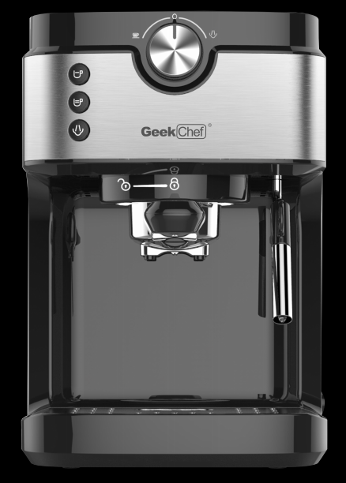 | 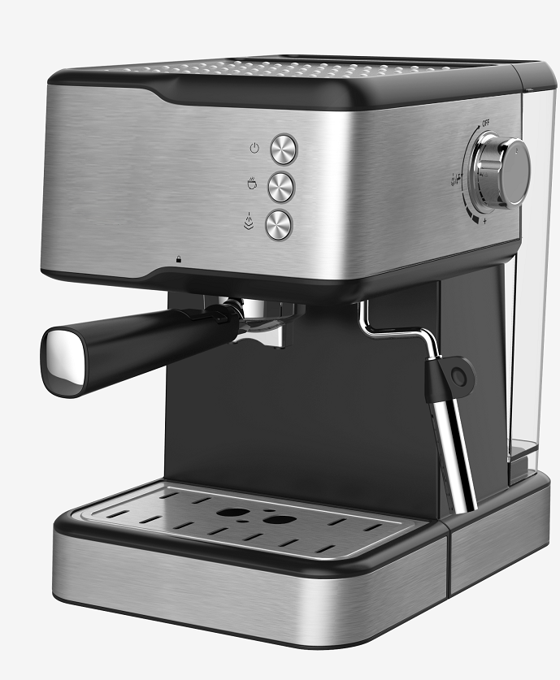 | 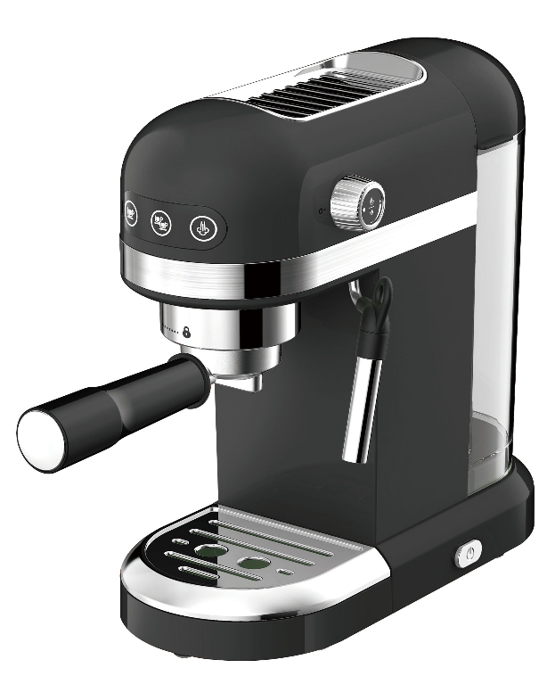 | 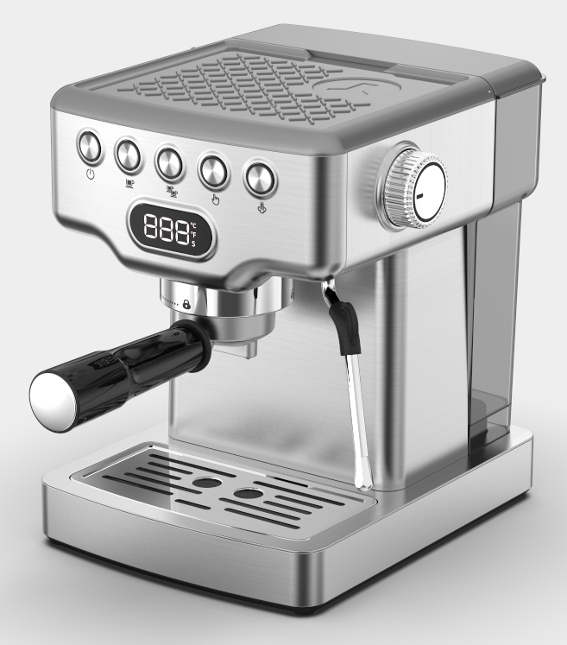 | 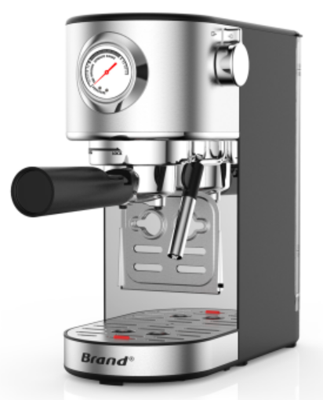
Brand |  | Geek Chef | Geek Chef | Geek Chef | Geek Chef | Geek Chef
Model Number |  | GCF20A | GCF20C | GCF20D | GCF20E | GCF15F
UPC |  | 贴FNSKU | 850037687183 | 850037687190
Product Introduction |  | .Automatic setting of coffee volume .Cup warming function .With safety pressure release function and overpressure protection function .Detachable drip tray, steam wand cover, handle and water tank .Water tank capacity: 900mL | push button control panel without pressure gauge 20 Bar pump pressure Plastic with stainless steel decoration housing Coffee options:espresso,cappuccino,latte 1.5L detachable transparent water tank Alumium alloy die casting boiler Alumium alloy filter holder attached with dual stainless steel filter to improve coffee quality 2 cups ground coffee With overheat and overpressure protecting device Detachable frothing nozzle Durable stainless steel cup plate for coffee cups preheating ULKA pump,UL plug Product size:370*225*301mm One gift box+ one brown carton ISTA-3A | approved with ETLplug power cable; ULKA 19Bar high pressure pump, 1.4L detachable transparent water tank; With safety valve can release pressure automatically Volumetric control: preset 1 and 2 cup Thermo block beating system,with polypropylene decoration; Aluminum alloy filter holder attached with dual stainless filter Detachable frothing nozzle and drip tray | 19Bar(ULKA) high pressure pump 1.8L detachable transparent water tank,SS housing Silvery top Volumetric control: preset 1 and 2 cup With safety valve can release pressure automatically Thermo block heating system With stainless steel decoration Aluminum alloy filter holder attached with dual stainless fitler Detachable frothing nozzle and drip tray Can use for ground coffee 5 buttons and 1 rotary knob,1digital screen | S.S. machine, provides the perfect espresso, latte, or cappuccino at home 15bar solenoid pump, thermo block heating element with S.S. water pipe heating system , electronic controller+NTC to ensure more accurate beverage and stable temperature . With pressure dial to show users brewing pressure. Luxurious control panel with touch sensor buttons for better operation feeling. Automatic proportioning of single cup or double cup espresso coffee as per programmed volume, adjustable coffee volume . Convenient control knob ,with features of making steam, and hot water , preheating stand by . Steam nozzle for froth milk device, AL die casting sieve holder. With 1.0L transparent & detachable water tank . Removable drip tray with stainless steel cover for easy clean up. Unique design for upper and lower drip tray assembly for loading short espresso mug and tall cappuccino&latte cup
Capcity | bar | 20 | 20 | 20 | 19 | 15

Rating |  | 120V~60Hz | 120V 60Hz | 120V~60Hz | 120 V ,60HZ, | 120V 60Hz
Power | W | 1300 | 950W | 1350W | 1350W | 1300W
Accessories |  | Porta-filter*1 Measure scoop*1 |  | Porta-filter*1 Measure scoop*1
Certification |  | ETL | TUV CUS
Control type |  | Digtial | button | Digtial | button | rotary knob
Plug type
Plug Length | ft | 2.69
 | mm | 820
Unit Dimension (W*D*H) | mm | 270*195*285 | 370*225*301 | 328*153*320 | 280*234*312
 | in | 10.6*7.67*11.22 | 14.56*8.85*11.85 | 12.91*6.02*12.6
Gift Box (W*D*H) | mm | 325*250*345 | 315*265*343 | 373x196x367 | 313*264*363
 | in | 12.8*9.84*13.58 | 12.4*10.43*13.5 | 14.68*7.71*14.44 | 12.32*10.39*14.29
Unit per carton box | pc | 1 | 1 | 1 | 1 | 1
Carton Box (W*D*H) | mm | 337.82*259.1*363.22 | 325*275*358 | 388x210x390 | 329*287*369 | 412*204*378
 | in | 13.3×10.2×14.3 | 12.8*10.82*14.1 | 15.27*8.26*15.35 | 12.95*11.3*14.52
Net weight | Kg | 2.96 | 3.33 | 3.2 | 3.38
 | lb | 6.53 | 7.34 | 7.05 | 7.45
Gross weight/pc | Kg | 4.42 | 8.54 | 4.5 | 4.9
 | lb | 9.75 | 18.8 | 9.92 | 10.8
Loading quantity | 20’ GP |  | 882 | / | / | /
 | 40’ GP |  | 1855 | / | / | /
 | 40' HQ | 2071 | 2156 | 2100 | 1900 | 2190
Warranty |  | 1 year | 1 year | 1 year | 1 year | 1 year

