TOOL list
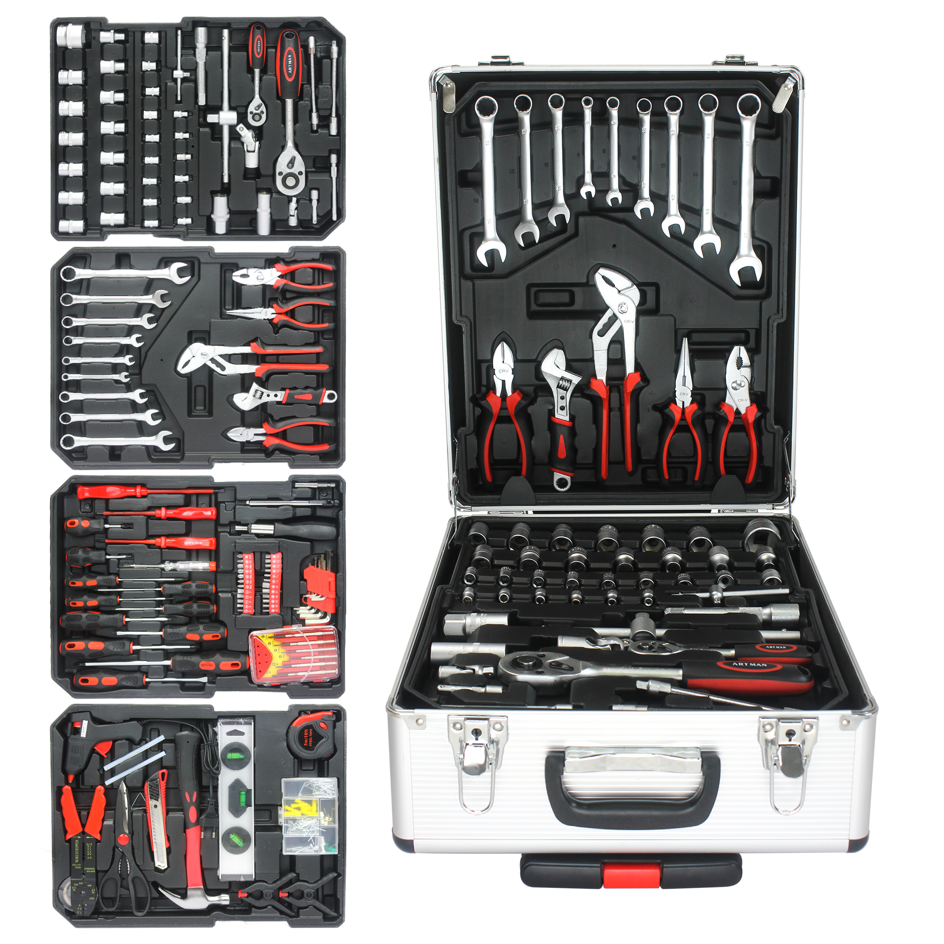
9pcs Combination wrenches 6，8,10,11,12,13,14,15，17mm
1pc 6" Diagonal cutting plier
1pc 8" Adjustable wrench
1pc 6" Long nose plier
1pc 6" Slip joint plier
1pc 1/4" Ratchet handle
2pcs 1/4" Extension bar 2"&4"
1pc 1/4" Soft extension bar
1pc 1/4" Sliding T-bar
1pc 1/4" Handle
15pcs 1/4" Sockets 4,4.5,5,5.5,6,6.5,7,7.5,8,9,10,11,12,13,14mm
1pc 1/2" Ratchet handle
2pcs 1/2" Spark plug sockets
1pc 1/2" Universal joint
1pc 1/2" Extension bar
1pc 1/2" Sliding T-bar
14pcs 1/2" Sockets 8,9,10,11,12,13,14,15,16,17,18,19,20,30mm
11pcs Screwdrivers (-)3*75,3*100,5*75,6*100,6*38mm
(+)3*75,3*100,5*75,6*100,6*38,8*150mm
3pcs Insulation screwdrivers (-)4*100,5.5*125,4*100mm
1pc Ele. tester
24pcs Bits 25mm
1pc Bit driver handle
6pcs Precision screwdrivers
9pcs Hex key wrenches
1pc Tire gauge
1pc Bit extension bar
1pc 8" Crimping plier
1pc Insulation tape
1pc Glue gun with 2pcs stickers
1pc Scissors
1pc Knife
1pc 8oz Claw hammer
1pc Level
2pcs Plastic clips
1pc Measure tape 5m
277pcs Hardware box
1pair Glooves
500pcs caible ties

