Tool list
picture | tools
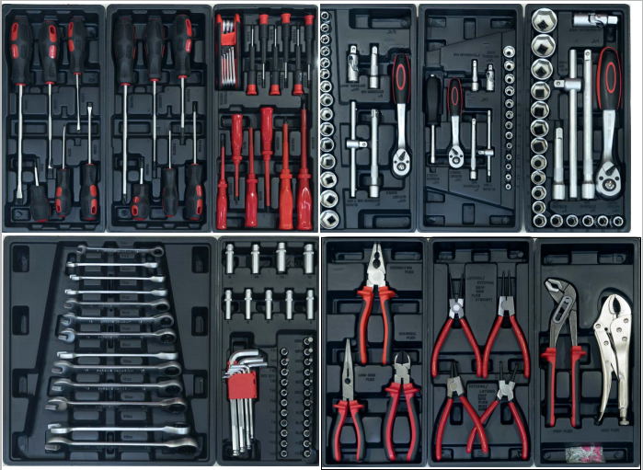 | 13PCS:ratchet combination wrenches 8,9,10,11,12,13,14,15,16,17,19,21,22mm
 | 9pcs:hex key wrenches 1.5,2,2.5,3,4,5,6,8,10mm
 | 9pcs:1/4" socket long 4,5,6,7,8,9,10,11,12mm
 | 23pcs:1/4"press fit socket T8,T10,T15,T20,T25,T30,T40,H3,H4,H5,H6,H7,H8,PH1,PH2,PH3,PZ1,PZ2,PZ3,SL3,SL4,SL5,SL6
 | 1pc:ratchet handle 1/2" 72T
 | 17pcs:1/2 dr.10,11,12,13,14,15,16,17,18,19,21,22,23,24,27,30,32mm
 | 1pc:1/2 dr*5" extension bar
 | 1pc:1/2 dr*10" extension bar
 | 1pc:1/2 sliding T-bar
 | 1pc:1/2 universal joint
 | 1pc:ratchet handle 3/8" 72T
 | 15pcs:3/8 dr. 8,9,10,11,12,13,14,15,16,17,18,19,21,22,24mm
 | 1pc:3/8 universal joint
 | 1pc:3/8 dr*3" extension bar
 | 1pc:3/8 dr*6" extension bar
 | 1pc:3/8 sliding T-bar
 | 1pc:ratchet handle 1/4" 72T
 | 1/4*6" handle
 | 13pcs:1/4 dr.sockets 4,4.5,5,5.5,6,7,8,9,10,11,12,13,14mm
 | 1pc:1/4 dr*2" extension bar
 | 1pc:1/4 dr*4" extension bar
 | 1pc:1/4 sliding T-bar
 | 1pc:1/4 universal joint
 | 4pcs: french circlip pliers
 | 3pcs:plier,8" linesman plier,8" long nose plier,7" diagonal cutting plier
 | 1pc:10"locking plier
 | 1pc:D4 water pump plier
 | 6pcs:screwdrivers (+)PH0*75 PH1*100 PH2*38 PH2*150 PH3*200mm
 | 6pcs:screwdrivers (-)6*38 3*75 4*100 5*100 6*150 8*200mm
 | 6pcs:high pressure screwdriver red color (-)3*75 4*100 5*125mm (+)0*75 1*100 2*100mm
 | 8pcs:hex key wrenches(*)T9,T10,T15,T20,T25,T27,T30,T40mm
 | 6pcs:precision screwdrivers(+)0-1-2(-)1-2-3

