Notes
CONTENTS
"Audiologists" sheet, from Supplemental Online Content "eTable 2. NPPES (National Plan and Provider Enumeration System) State-level Counts of Audiologists"
"Hearing Instrument Specialists" sheet, from Supplemental Online Content "eTable 3. NPPES State Count of Hearing Instrument Specialists"
"Aud+HEINSP" sheet, from Supplemental Online Content "eTable 4. NPPES State Count of Audiologists and Hearing Instrument Specialists"

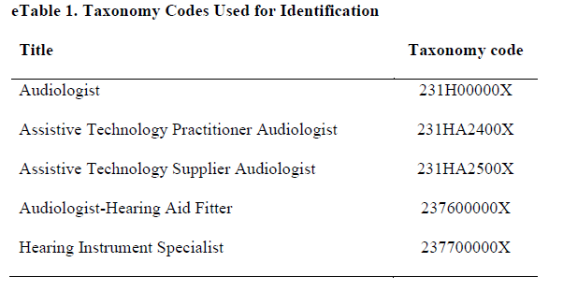

CITATION: Garuccio J, Ukert B, Arnold M, Phillips S, Pesko MF. Using supply and demand to identify shortages in the hearing health care professional workforce. JAMA Otolaryngol Head Neck Surg. Published online July 31, 2025. doi:10.1001/jamaoto.2025.2112

VERSION: Version 1, Last updated 1/22/2026

