Introduction
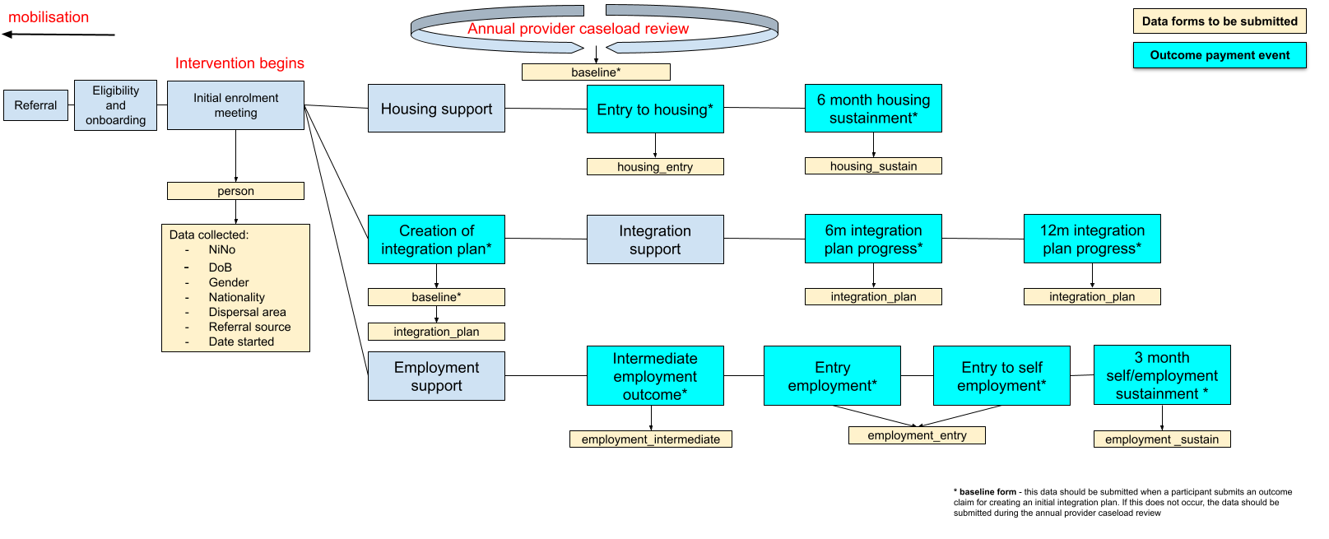
Introduction
The document outlines the data fields, types and descriptions for all required data collection during the lifetime of the Refugee Tranisition Outcome Fund. The description in each field outlines the context for the data field, the frequency and milestone at which it should be collected. The validation rules that apply for each field are noted at the end of the document. These will be applied on submission of data, if any validation rules are not met, a report will be produced with details of the fields and specified errors for the given fields. The image below outlines the key milestones and data collection points during the program.

