Head
システム名 1.0
レビューシート

Review
№ | レビュー日 | ステータス | 部分 | エラー タイプ | 箇所 | レビュー内容 | レビュー者 | 対応内容 | 対応日 | 対応者 | 備考
1 | 2021-12-16 | Open | Others | Careless | Tutorial_01 index.php | 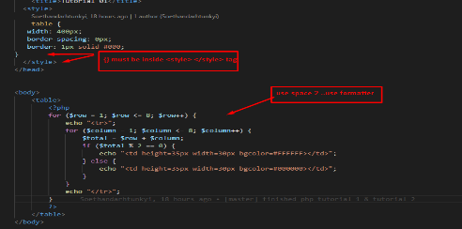 1) Please use formatter. | Kyi Myat Noe Soe
2 | 2021-12-16 | Open | Others | Careless | Tutorial_02 index.php | 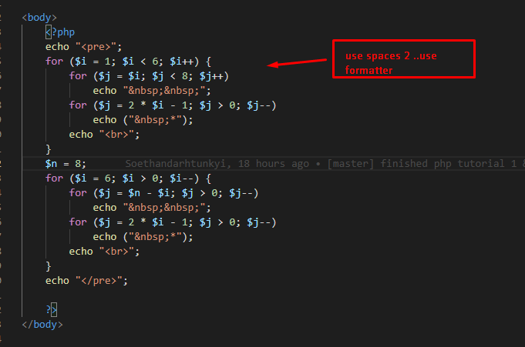 1) Please use formatter. | Kyi Myat Noe Soe
3 | 15/12/2021 | Open | Others | Careless | Tutorial_03 index.php | 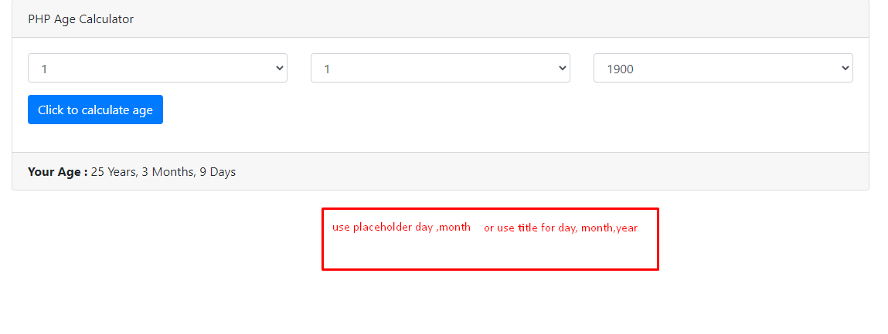 1) Use placeholder day, month or use titile for day,month, year | Kyi Myat Noe Soe

4 | 16/16/2021 | Open | Others | Careless | Tutorial_04 index.php | 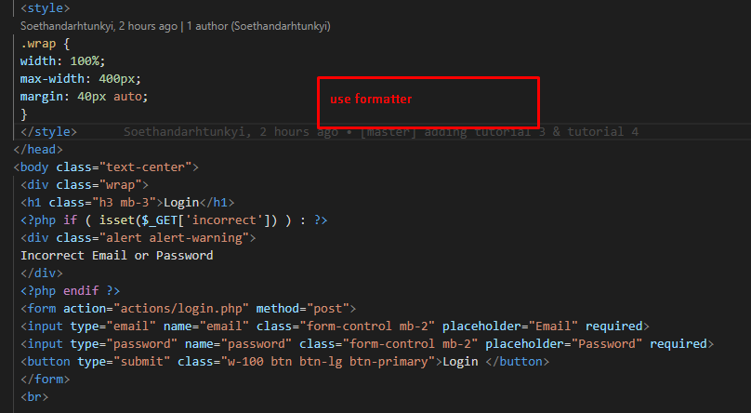 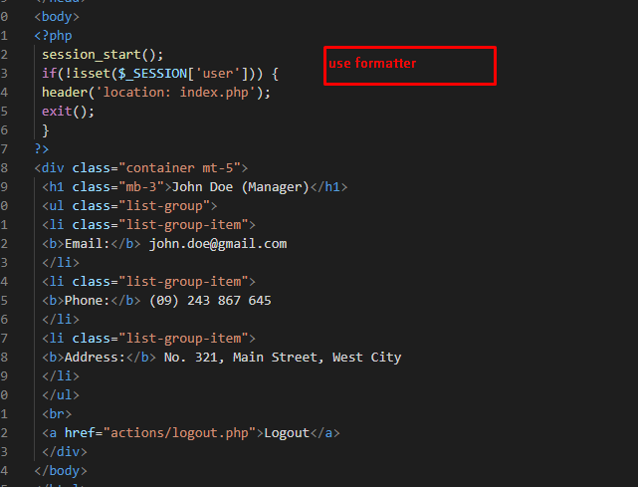 1) Please use formatter. | Kyi Myat Noe Soe
5 | 17/16/2021 | Open | Others | Careless | Tutorial_05 index.php | 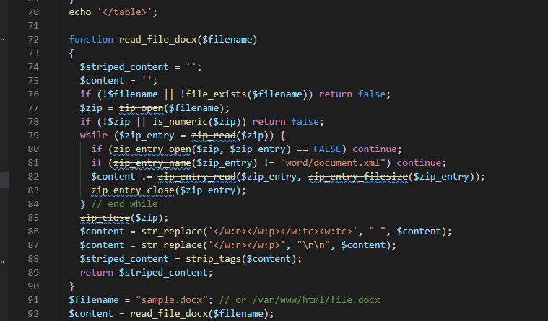 1) Please use new version of word file. | Kyi Myat Noe Soe
6 | 20/16/2021 | Open | Others | Careless | Tutorial_06 index.php | 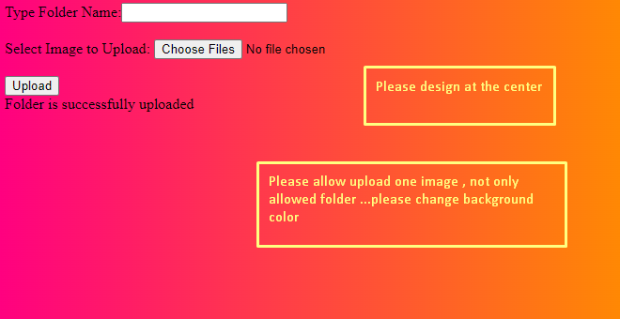 1) Please only allowed image , not allowed other files. | Kyi Myat Noe Soe
6 | 21/16/2021 | Open | Others | Careless | Tutorial_07 index.php | 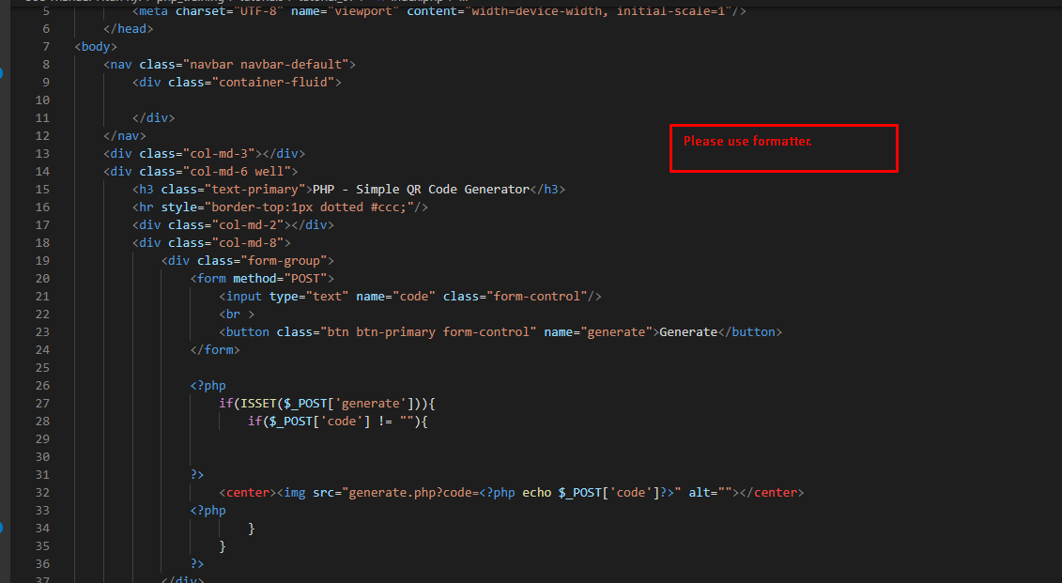 1) Please use formatter. | Kyi Myat Noe Soe
6 | 22/16/2021 | Open | Others | Careless | Tutorial_08 index.php | 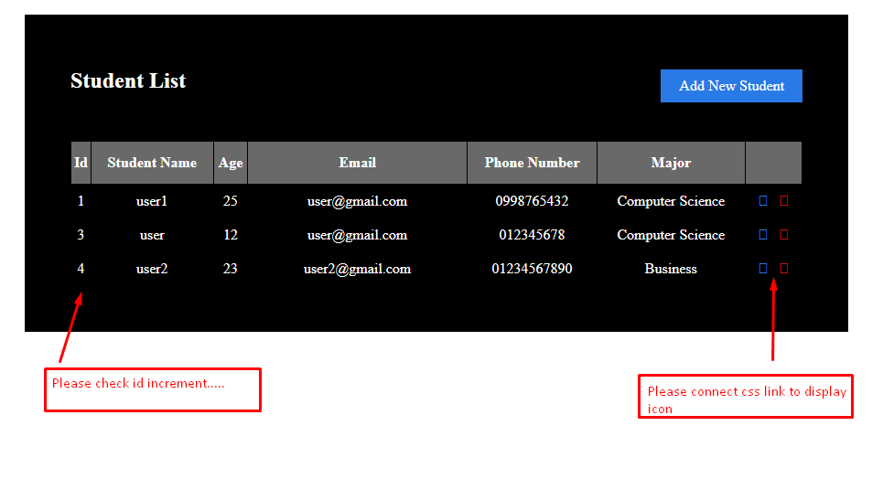 | Kyi Myat Noe Soe

