Scale-up
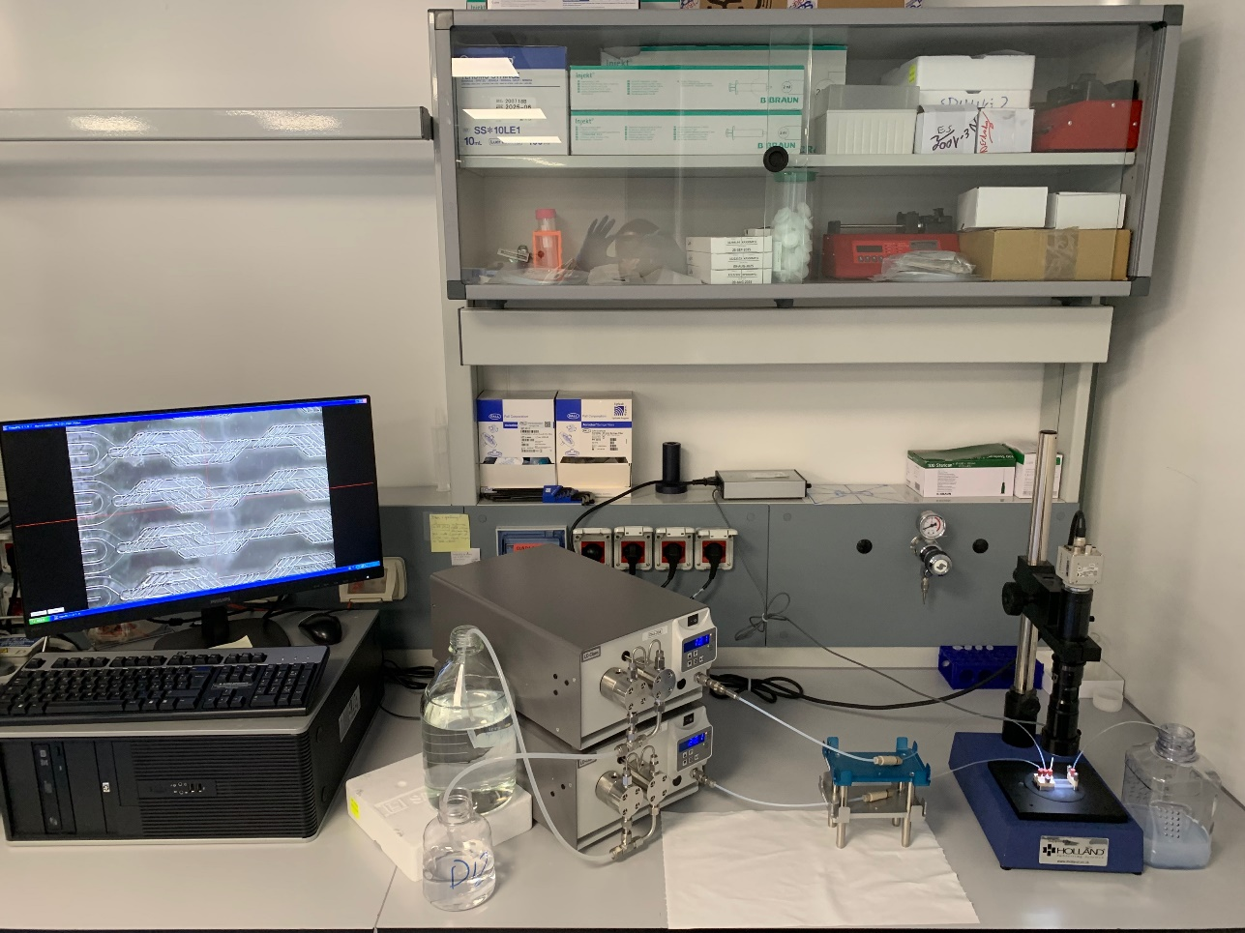
ID | Main Lipid | Chip | ESM concentration (mg/mL) | HSPC concentration mg/mL | Cholesterol concentration (mg/mL) | DSPE-PEG2000 concentration mg/mL | TFR mL/min | FRR | Aqueous medium | Formation | Size (nm) | PDI
TTS1 | ESM | Telos | 24.93 | 0.00 | 10.05 | 0.00 | 17.500 | 5.0 | MQ | YES | 111 | 0.055
TTS2 | ESM | Telos | 24.93 | 0.00 | 10.05 | 0.00 | 52.500 | 5.0 | MQ | YES | 94 | 0.017
TTD0 | HSPC | Telos | 0.00 | 9.58 | 3.22 | 3.16 | 15.190 | 1.7 | PBS | YES | 112 | 0.233
TTD01 | HSPC | Telos | 0.00 | 9.58 | 3.22 | 3.16 | 15.190 | 1.7 | PBS | YES | 101 | 0.242
TTD1 | HSPC | Telos | 0.00 | 9.58 | 3.22 | 3.16 | 17.500 | 1.7 | PBS | YES | 120 | 0.415
TTD2 | HSPC | Telos | 0.00 | 9.58 | 3.22 | 3.16 | 35.000 | 1.7 | PBS | YES | 93 | 0.145
TTD3 | HSPC | Telos | 0.00 | 9.58 | 3.22 | 3.16 | 35.000 | 1.7 | PBS | YES | 90 | 0.142
TTD6 | HSPC | Telos | 0.00 | 9.58 | 3.28 | 3.20 | 35.000 | 1.7 | PBS | YES | 109 | 0.231
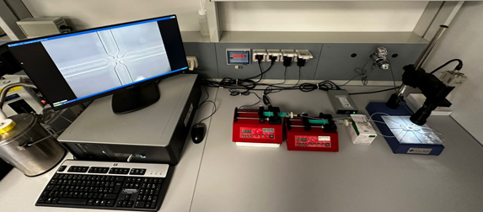
1 | ESM | Micromixer | 24.93 | 0 | 10.05 | 0 | 2.5 | 5 | MQ | YES | 110 | 0.054
2 | HSPC | Micromixer | 0.00 | 9.58 | 3.22 | 3.16 | 2.17 | 1.70 | PBS | YES | 90 | 0.201

