5.Analysis of products
id | item_type | Orders count | id | item_type | revenue | id | item_type | cost | id | item_type | profit
8681 | Office Supplies | 123 | 8681 | Office Supplies | $402,213,995.60 | 8681 | Office Supplies | $324,236,819.40 | 8293 | Cosmetics | $92,723,306.17
1270 | Beverages | 121 | 7940 | Household | $294,205,199.20 | 7940 | Household | $221,242,732.50 | 8681 | Office Supplies | $77,977,176.25
3127 | Personal Care | 115 | 8293 | Cosmetics | $233,154,825.20 | 8875 | Meat | $193,424,282.20 | 7940 | Household | $72,962,466.77
8293 | Cosmetics | 114 | 8875 | Meat | $223,762,018.20 | 8293 | Cosmetics | $140,431,519.00 | 7331 | Baby Food | $53,940,997.16
5988 | Vegetables | 114 | 7331 | Baby Food | $143,647,587.70 | 7331 | Baby Food | $89,706,590.52 | 2455 | Clothes | $43,431,314.40
7331 | Baby Food | 112 | 2103 | Cereal | $95,791,404.50 | 2103 | Cereal | $54,536,370.35 | 2103 | Cereal | $41,255,034.15
4594 | Fruits | 112 | 5988 | Vegetables | $89,746,728.64 | 5988 | Vegetables | $52,970,725.92 | 5988 | Vegetables | $36,776,002.72
8875 | Meat | 111 | 8969 | Snacks | $74,788,612.80 | 8969 | Snacks | $47,761,190.40 | 8875 | Meat | $30,337,736.00
2455 | Clothes | 105 | 2455 | Clothes | $64,626,552.80 | 3127 | Personal Care | $31,603,612.26 | 8969 | Snacks | $27,027,422.40
2103 | Cereal | 103 | 3127 | Personal Care | $45,579,022.94 | 2455 | Clothes | $21,195,238.40 | 3127 | Personal Care | $13,975,410.68
8969 | Snacks | 103 | 1270 | Beverages | $29,093,160.85 | 1270 | Beverages | $19,491,498.07 | 1270 | Beverages | $9,601,662.78
7940 | Household | 97 | 4594 | Fruits | $5,520,299.76 | 4594 | Fruits | $4,094,370.24 | 4594 | Fruits | $1,425,929.52
Revenue by Category
Number of orders by Category

Cost by Category
Profit by Category

6.2 Geo_Regions
Region Metrics

6.3 Geo_Subregions
Sub-region Metrics

7.Sales channel
Channel Metrics
Orders by Channel

8.Shipping Duration
Median of Shipping duration by country
Category | Median of Shipping Duration | Orders count | Total profit | region | Countries | Median of Shipping Duration | Orders count | Total profit
Cereal | 29 | 103 | $41,255,034.15 | Asia | Georgia | 32 | 23 | $5,697,679.21
Baby Food | 29 | 112 | $53,940,997.16 |  | Armenia | 24 | 29 | $9,422,353.18
Cosmetics | 28 | 114 | $92,723,306.17 |  | Cyprus | 24 | 30 | $10,032,220.56
Office Supplies | 27 | 123 | $77,977,176.25 | Europe | Hungary | 36 | 25 | $13,786,231.03
Snacks | 25 | 103 | $27,027,422.40 |  | Russia | 34 | 32 | $13,267,682.64
Meat | 25 | 111 | $30,337,736.00 |  | Monaco | 33 | 13 | $4,797,048.77
Household | 24 | 97 | $72,962,466.77 |  | Slovakia | 32 | 30 | $12,052,790.03
Fruits | 23 | 112 | $1,425,929.52 |  | Finland | 31 | 23 | $7,525,362.83
Beverages | 23 | 121 | $9,601,662.78 |  | Luxembourg | 31 | 28 | $9,870,766.11
Vegetables | 21 | 114 | $36,776,002.72 |  | Lithuania | 30 | 25 | $7,997,297.83
Clothes | 21 | 105 | $43,431,314.40 |  | Bosnia and Herzegovina | 30 | 33 | $13,257,602.77
Personal Care | 20 | 115 | $13,975,410.68 |  | Ukraine | 29 | 33 | $14,804,925.74
 |  |  |  |  | Montenegro | 29 | 28 | $11,169,660.56
Median of Shipping Duration by Category
 |  |  |  |  | Austria | 29 | 28 | $10,027,509.64
 |  |  |  |  | Belgium | 29 | 26 | $7,476,060.14
 |  |  |  |  | Sweden | 28 | 29 | $11,155,328.59
 |  |  |  |  | Czech Republic | 28 | 31 | $13,635,593.78
 |  |  |  |  | Switzerland | 28 | 28 | $11,037,297.60
 |  |  |  |  | Poland | 27 | 28 | $10,671,100.99
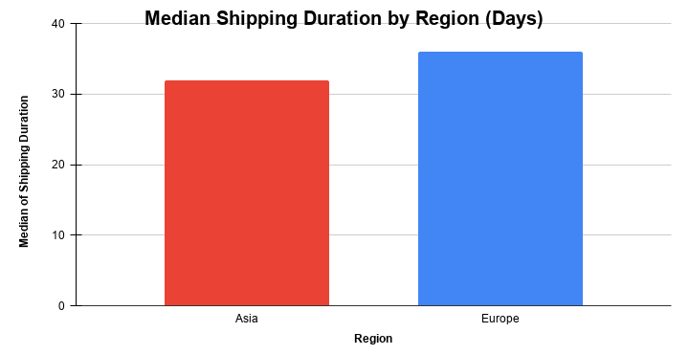
 |  |  |  |  | Netherlands | 27 | 24 | $5,762,490.70
 |  |  |  |  | Albania | 27 | 21 | $10,490,706.02
 |  |  |  |  | Belarus | 27 | 28 | $11,852,421.05
 |  |  |  |  | Bulgaria | 26 | 30 | $10,408,342.61
 |  |  |  |  | Andorra | 26 | 40 | $15,410,036.63
 |  |  |  |  | France | 26 | 26 | $10,842,345.66
 |  |  |  |  | Slovenia | 25 | 27 | $12,123,524.52
 |  |  |  |  | Spain | 25 | 26 | $8,002,174.02
 |  |  |  |  | Romania | 24 | 34 | $10,793,548.69
 |  |  |  |  | Germany | 24 | 26 | $11,582,919.10
 |  |  |  |  | Norway | 24 | 30 | $9,875,771.81
 |  |  |  |  | Italy | 24 | 30 | $10,913,921.97
 |  |  |  |  | Greece | 24 | 32 | $12,324,450.13
Profit and Median Shipping Duration by Category
 |  |  |  |  | Malta | 23 | 32 | $14,610,127.88
 |  |  |  |  | Ireland | 23 | 30 | $9,830,365.71
 |  |  |  |  | Latvia | 21 | 27 | $10,759,285.29
 |  |  |  |  | Iceland | 21 | 23 | $7,278,112.15
 |  |  |  |  | Denmark | 21 | 26 | $9,617,418.06
 |  |  |  |  | San Marino | 21 | 40 | $13,792,992.81
 |  |  |  |  | Macedonia | 20 | 32 | $13,684,099.95
 |  |  |  |  | United Kingdom | 19 | 23 | $9,326,312.21
 |  |  |  |  | Portugal | 19 | 25 | $11,345,407.59
 |  |  |  |  | Liechtenstein | 19 | 24 | $8,397,411.11
 |  |  |  |  | Serbia | 18 | 29 | $11,853,514.38
 |  |  |  |  | Estonia | 17 | 23 | $7,828,593.56
 |  |  |  |  | Croatia | 13 | 18 | $7,318,229.45

Does profit depend on the shipping duration?
There is no strong relationship between shipping duration and profit.
Categories with both high and low shipping duration demonstrate a wide range of profitability,
indicating that delivery time is not a key driver of profit.

9.1 Sales Dynamics by Year, Mon
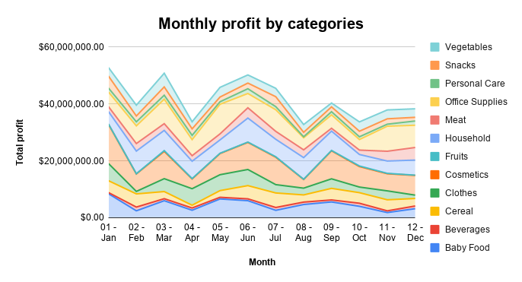
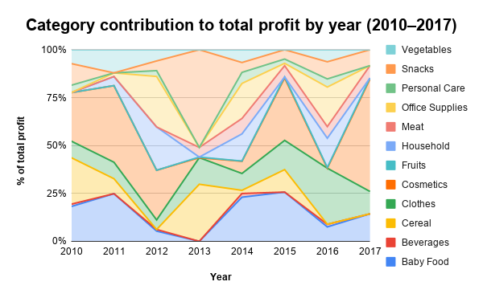
Monthly Total Profit (All Categories)

Conclusion

Sales fluctuate over time across product categories. There is no consistent yearly growth,
but noticeable monthly seasonality with peaks in mid-year (months 5–7) and declines in months such as 4 and 8.

9.2 Sales Dynamics by Year, Mon
Monthly profit by Region
 | Asia | Europe
Yearly profit by Region

 | Conclusion |  | Conclusion
 | Europe generates the majority of profit with clear monthly fluctuations, |  | Europe consistently generates much higher profit than Asia.
 | while Asia shows stable but significantly lower performance. |  | Peak performance was in 2012, followed by a gradual decline.
 |  |  | Asia remains stable but significantly lower in profit.
 |  |  | Asia remains stable but significantly lower in profit.

Monthly Profit Trends by Country
Yearly Profit Trends by Country

No consistent seasonality observed. Profit fluctuates across months, with occasional spikes driven by specific countries. |  | No consistent growth trend observed. Profit varies across years, with Poland showing the highest volatility.

10.Profit by weekday
Total Profit and Number of Orders by Weekday

Total profit by Weekday
Number of Orders by Weekday

11.Dashboard
 | Total number of orders | 1330
 | Total profit | $501,434,459.00
 | Total number of contries | 46
 | Total revenue | $1,702,129,408.00

Profit by Countries

Number of orders by Category
Channel Metrics
Total Profit and Number of Orders by Weekday

Monthly Total Profit (All Categories)
Median of Shipping duration by country
Monthly profit by Region
 | Asia | Europe

13.ABC visualization
Category | Total profit | % of total | Cumulative % | ABC | Category | Total revenue | % of total | Cumulative % | ABC | Category | Profit ABC | Revenue ABC | Profit | Revenue
Cosmetics | $10,833,318.09 | 27.78% | 27.78% | A | Office Supplies | $34,211,317.35 | 25.04% | 25.04% | A | Cosmetics | A | A | $10,833,318.09 | $27,240,620.40
Office Supplies | $6,632,543.75 | 17.01% | 44.78% | A | Cosmetics | $27,240,620.40 | 19.94% | 44.99% | A | Office Supplies | A | A | $6,632,543.75 | $34,211,317.35
Household | $5,500,910.16 | 14.11% | 58.89% | A | Household | $22,181,217.84 | 16.24% | 61.22% | A | Household | A | A | $5,500,910.16 | $22,181,217.84
Baby Food | $4,088,851.56 | 10.48% | 69.37% | A | Cereal | $18,445,874.58 | 13.50% | 74.73% | A | Baby Food | A | B | $4,088,851.56 | $11,314,417.32
Clothes | $2,953,663.31 | 7.57% | 76.95% | A | Baby Food | $11,314,417.32 | 8.28% | 83.01% | B | Clothes | A | B | $2,953,663.31 | $7,208,005.22
Cereal | $2,500,898.40 | 6.41% | 83.36% | B | Clothes | $7,208,005.22 | 5.28% | 88.29% | B | Cereal | B | A | $2,500,898.40 | $18,445,874.58
Vegetables | $2,204,971.72 | 5.65% | 89.01% | B | Vegetables | $5,871,950.56 | 4.30% | 92.59% | B | Vegetables | B | B | $2,204,971.72 | $5,871,950.56
Meat | $1,777,615.20 | 4.56% | 93.57% | B | Snacks | $3,841,267.30 | 2.81% | 95.40% | C | Meat | B | C | $1,777,615.20 | $2,645,122.40
Snacks | $1,267,739.64 | 3.25% | 96.82% | C | Meat | $2,645,122.40 | 1.94% | 97.33% | C | Snacks | C | C | $1,267,739.64 | $3,841,267.30
Personal Care | $648,828.46 | 1.66% | 98.49% | C | Personal Care | $2,116,071.43 | 1.55% | 98.88% | C | Personal Care | C | C | $648,828.46 | $2,116,071.43
Beverages | $491,054.37 | 1.26% | 99.75% | C | Beverages | $1,140,195.10 | 0.83% | 99.72% | C | Beverages | C | C | $491,054.37 | $1,140,195.10
Fruits | $99,296.82 | 0.25% | 100.00% | C | Fruits | $384,414.66 | 0.28% | 100.00% | C | Fruits | C | C | $99,296.82 | $384,414.66

Total | $38,999,691.48 | 100.00% |  |  | Total | $136,600,474.20 | 100.00%

Profit ABC Analysis (2017)
Revenue ABC Analysis (2017)
ABC Comparison: Profit vs Revenue (2017)
 |  |  |  |  |  |  |  |  |  |  |  |  |  |  | Key Insights:
 |  |  |  |  |  |  |  |  |  |  |  |  |  |  | • A categories generate the majority of revenue and profit
 |  |  |  |  |  |  |  |  |  |  |  |  |  |  | • Cereal has high revenue but lower profit, indicating lower margins
 |  |  |  |  |  |  |  |  |  |  |  |  |  |  | • Cereal has high revenue but lower profit, indicating lower margins
 |  |  |  |  |  |  |  |  |  |  |  |  |  |  | • C categories contribute minimally and may require optimization

Category | Total cost | % of total | Cumulative % | ABC
Office Supplies | $27,578,773.60 | 28.26% | 28.26% | A
Household | $16,680,307.68 | 17.09% | 45.35% | A
Cosmetics | $16,407,302.31 | 16.81% | 62.16% | A
Meat | $15,944,976.18 | 16.34% | 78.49% | A
Snacks | $7,225,565.76 | 7.40% | 85.90% | A
Vegetables | $4,254,341.91 | 4.36% | 90.26% | B
Baby Food | $3,666,978.84 | 3.76% | 94.01% | B
Beverages | $2,573,527.66 | 2.64% | 96.65% | B
Personal Care | $1,467,242.97 | 1.50% | 98.15% | C
Clothes | $867,507.20 | 0.89% | 99.04% | C
Cereal | $649,140.73 | 0.67% | 99.71% | C
Fruits | $285,117.84 | 0.29% | 100.00% | C

Total | $97,600,782.68 | 100.00%

Cost ABC Analysis (2017)

