Sheet1
Signal Layer | Reference Layer | Impedance Type | Trace Width（mil) | Trace Spacing（mil) | Impedance(ohm)±10% | Position
L8 | L7 | Single Ended (Non coplanar) | 9.5 |  | 40 | 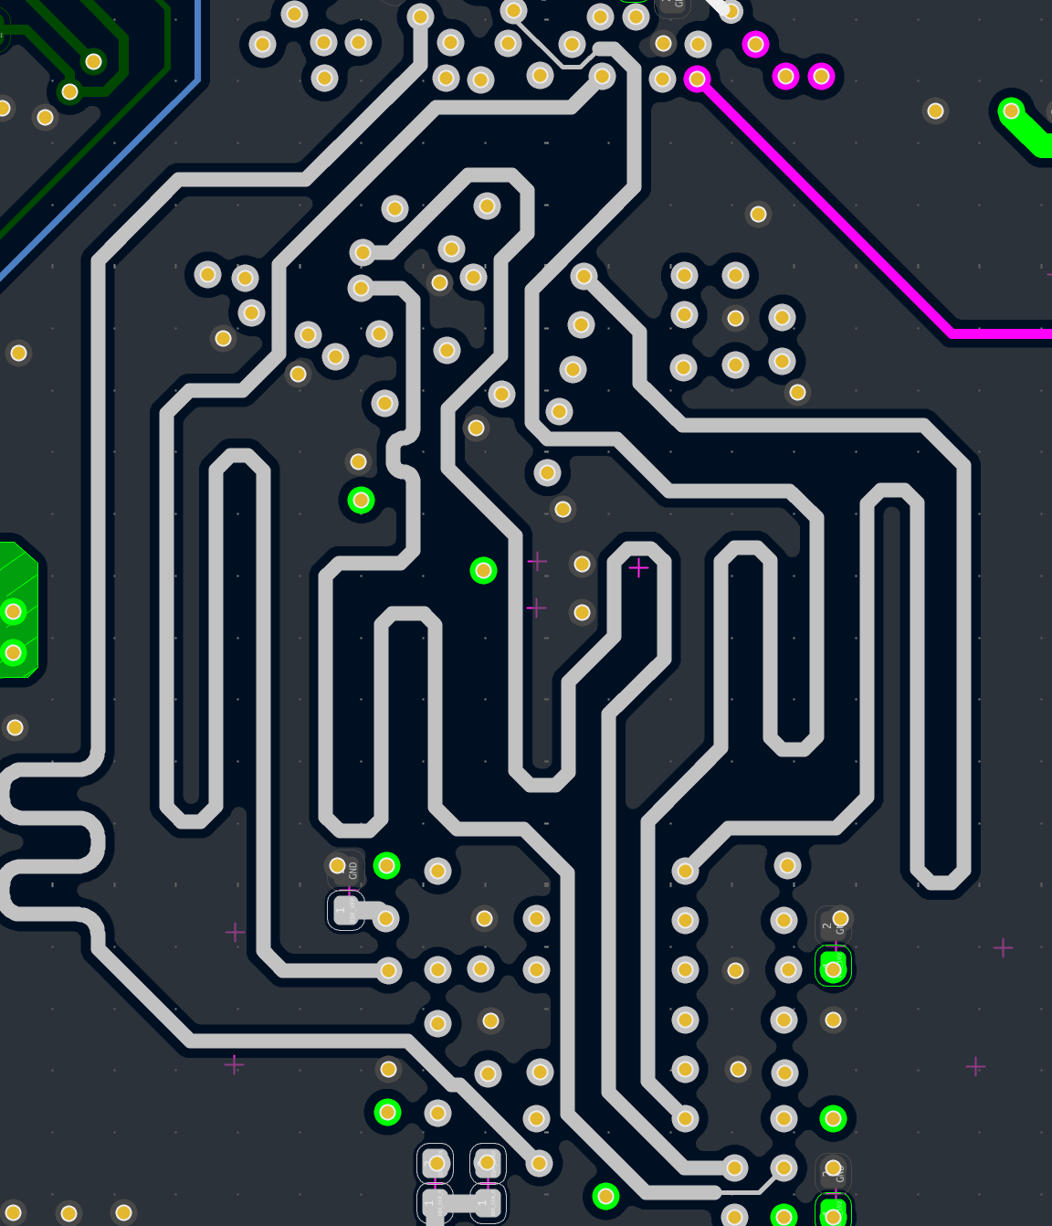
L3 | L2 | Single Ended (Non coplanar) | 6 |  | 40 | 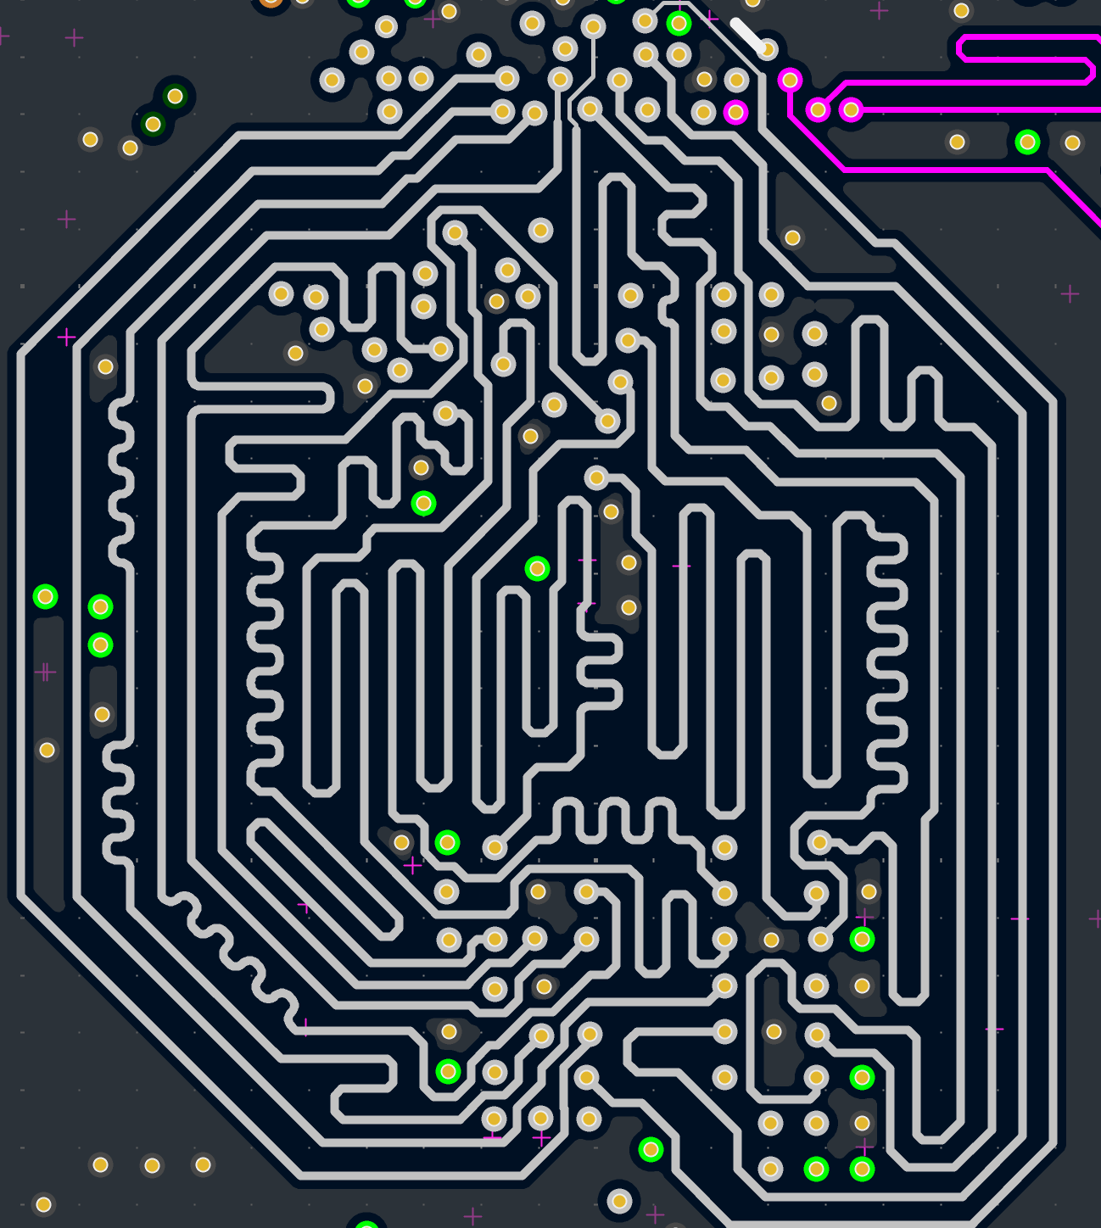
L6 | L7 | Single Ended (Non coplanar) | 6 |  | 40 | 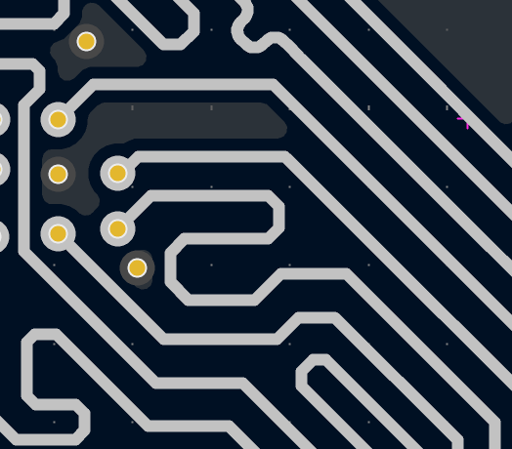
L6 | L7 | Differential Pair (Non coplanar) | 5.07 | 4.72 | 80 | 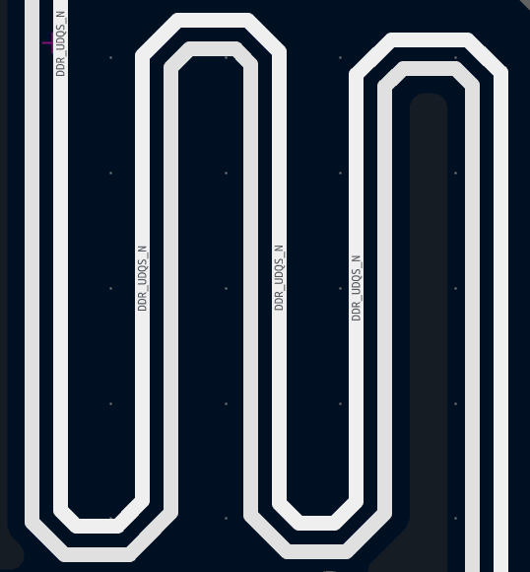
L3 | L2 | Single Ended (Non coplanar) | 3.9 |  | 50 |  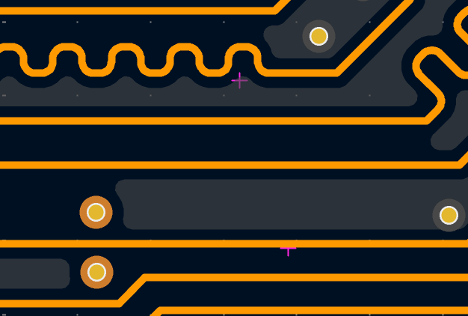 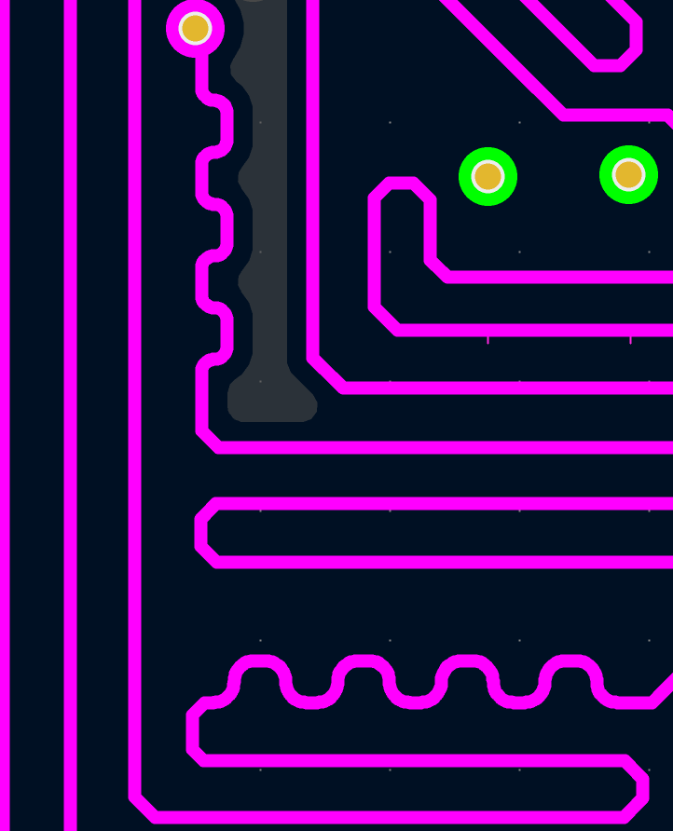
L6 | L7 | Single Ended (Non coplanar) | 3.9 |  | 50 | 
L1 | L2 | Differential Pair (Non coplanar) | 4.9 | 8 | 100
L1 | L2 | Single Ended (Non coplanar) | 6.2 |  | 50 |   
L1 | L2 | Differential Pair (Non coplanar) | 4.9 | 4.72 | 90 | 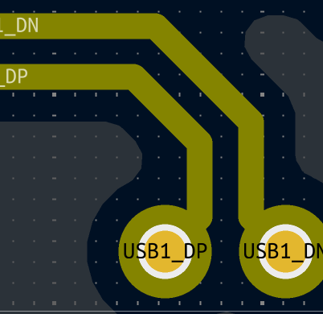 
L3 | L2 | Differential Pair (Non coplanar) | 3.93 | 4.72 | 90 | 
L6 | L7 | Differential Pair (Non coplanar) | 3.93 | 4.72 | 90 | 