Test Cases
Test Case ID | Test Scenario | Test Steps | Test Data | Expected Result | Actual Result | Status (Pass/Fail) | Screenshot
TC01 | Register with valid details | Enter name, email, password and click Register | Valid user data | Account created successfully | Account was successfully created with valid user details. | Pass | 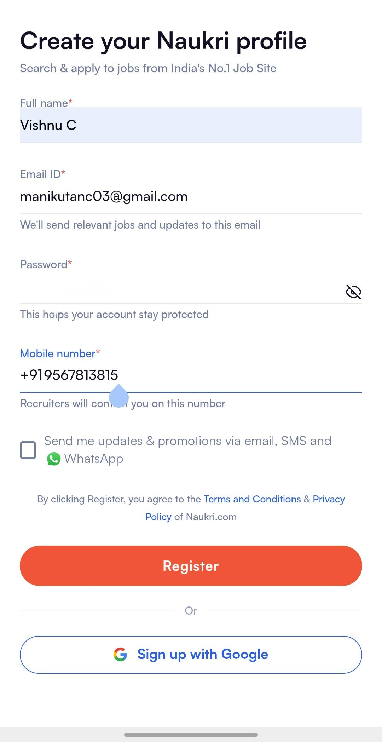
TC02 | Register with phone number | Enter phone number and verify OTP | Valid phone + OTP | Account created successfully | Account was created successfully after phone number OTP verification. | Pass
TC03 | Create profile | Add education and skills and save | Education, skills | Profile saved successfully | Profile information with education and skills was saved successfully. | Pass | 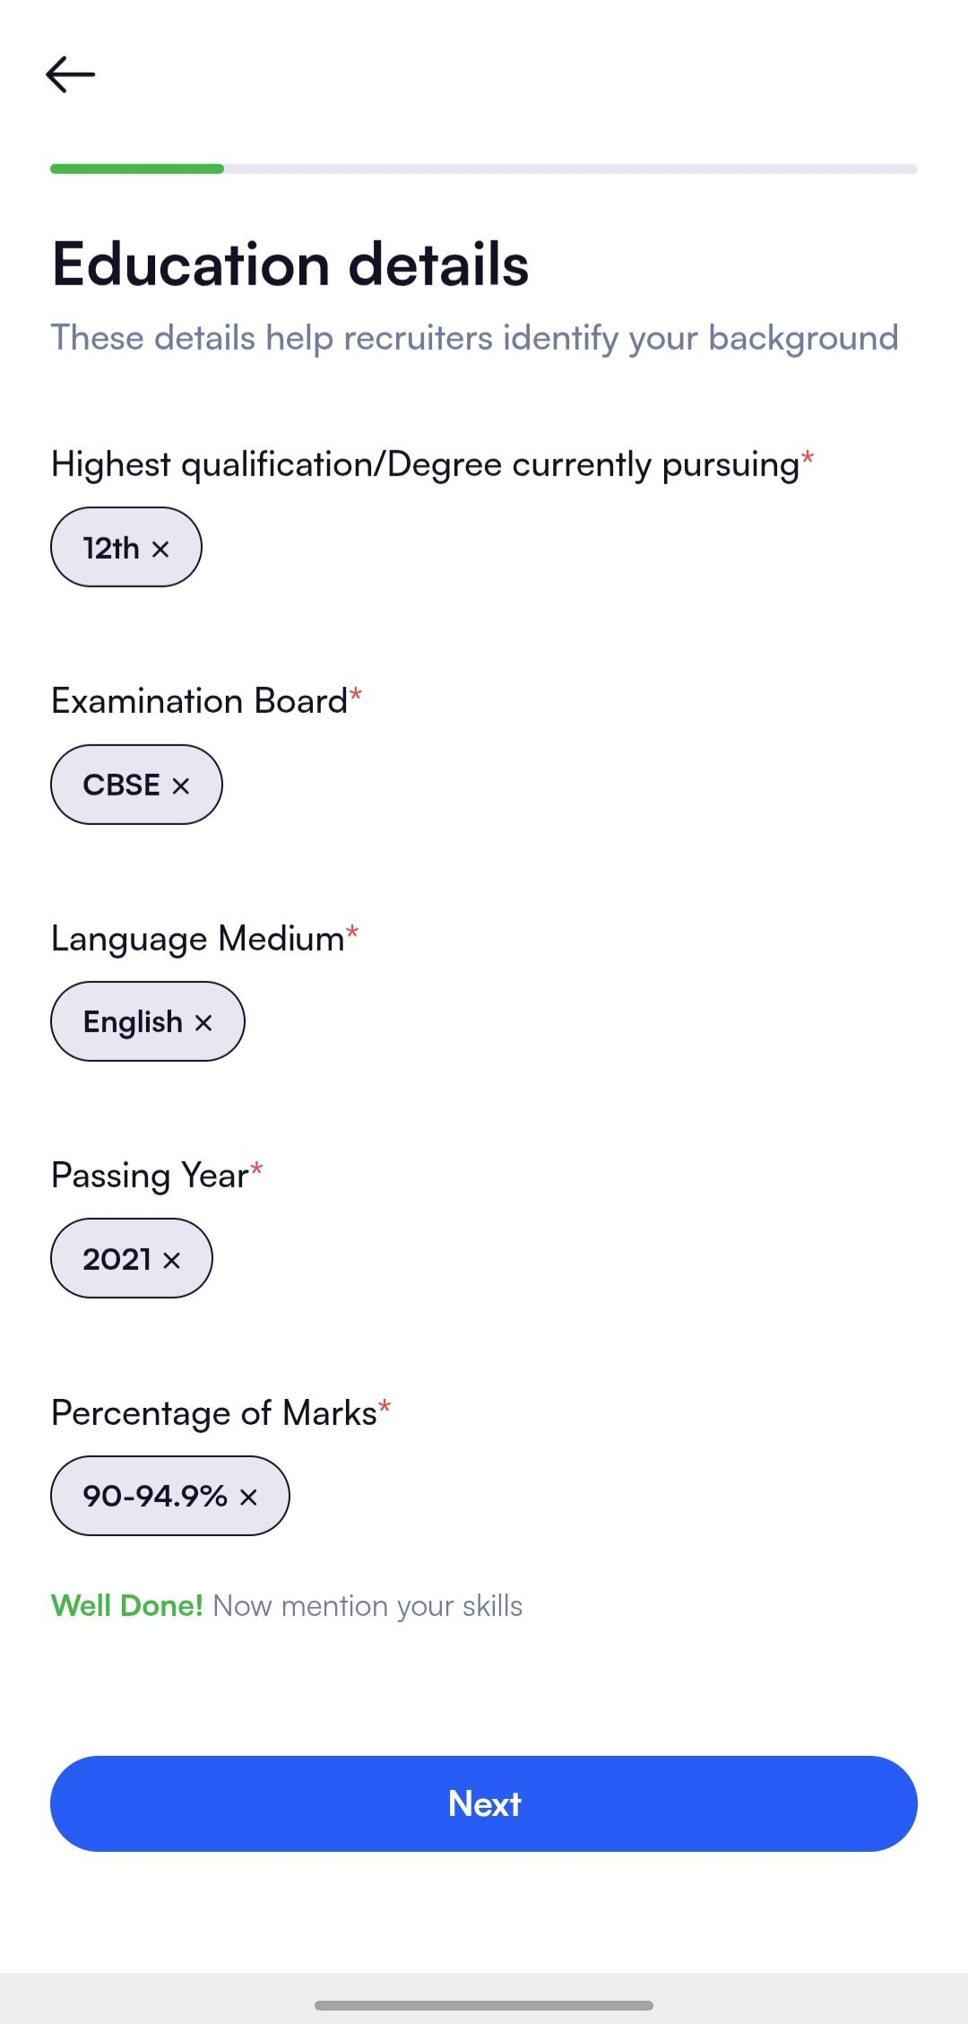
TC04 | Update profile | Edit profile information and save | Updated skills | Profile updated successfully | Updated profile details were saved and reflected correctly. | Pass | 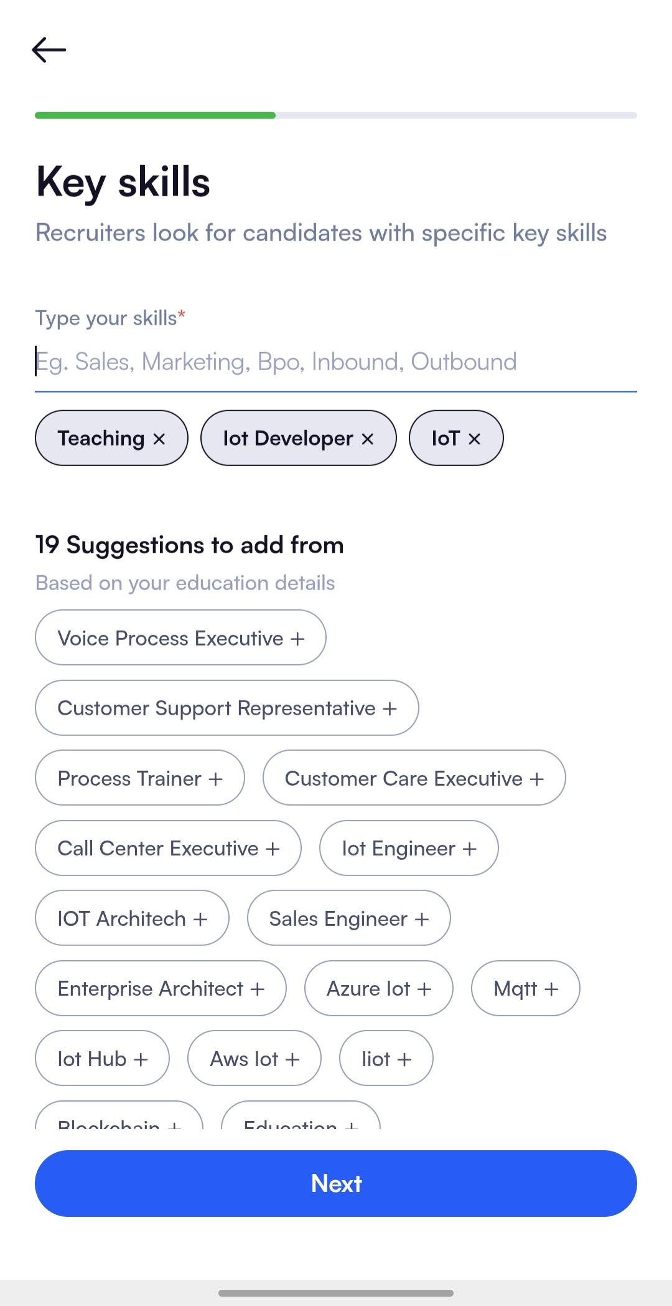
TC05 | Upload resume | Upload resume file | PDF resume file | Resume uploaded successfully | Resume file was uploaded successfully to the profile. | Pass | 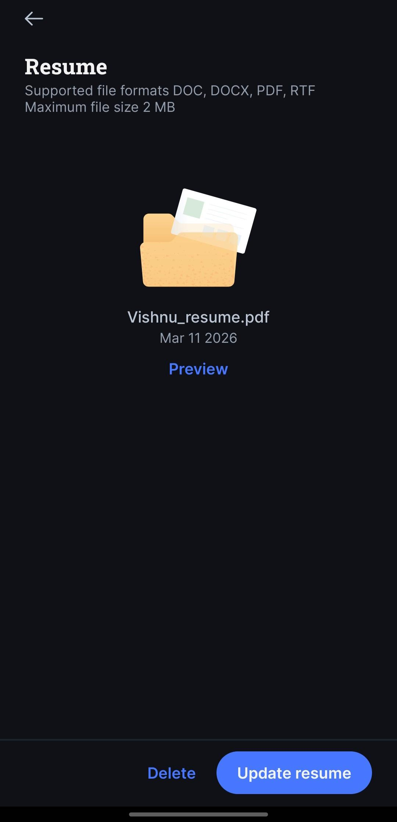
TC06 | Search job by keyword | Enter 'Software Engineer' in search | Keyword | Relevant jobs displayed | Relevant job results were displayed for the searched keyword. | Pass | 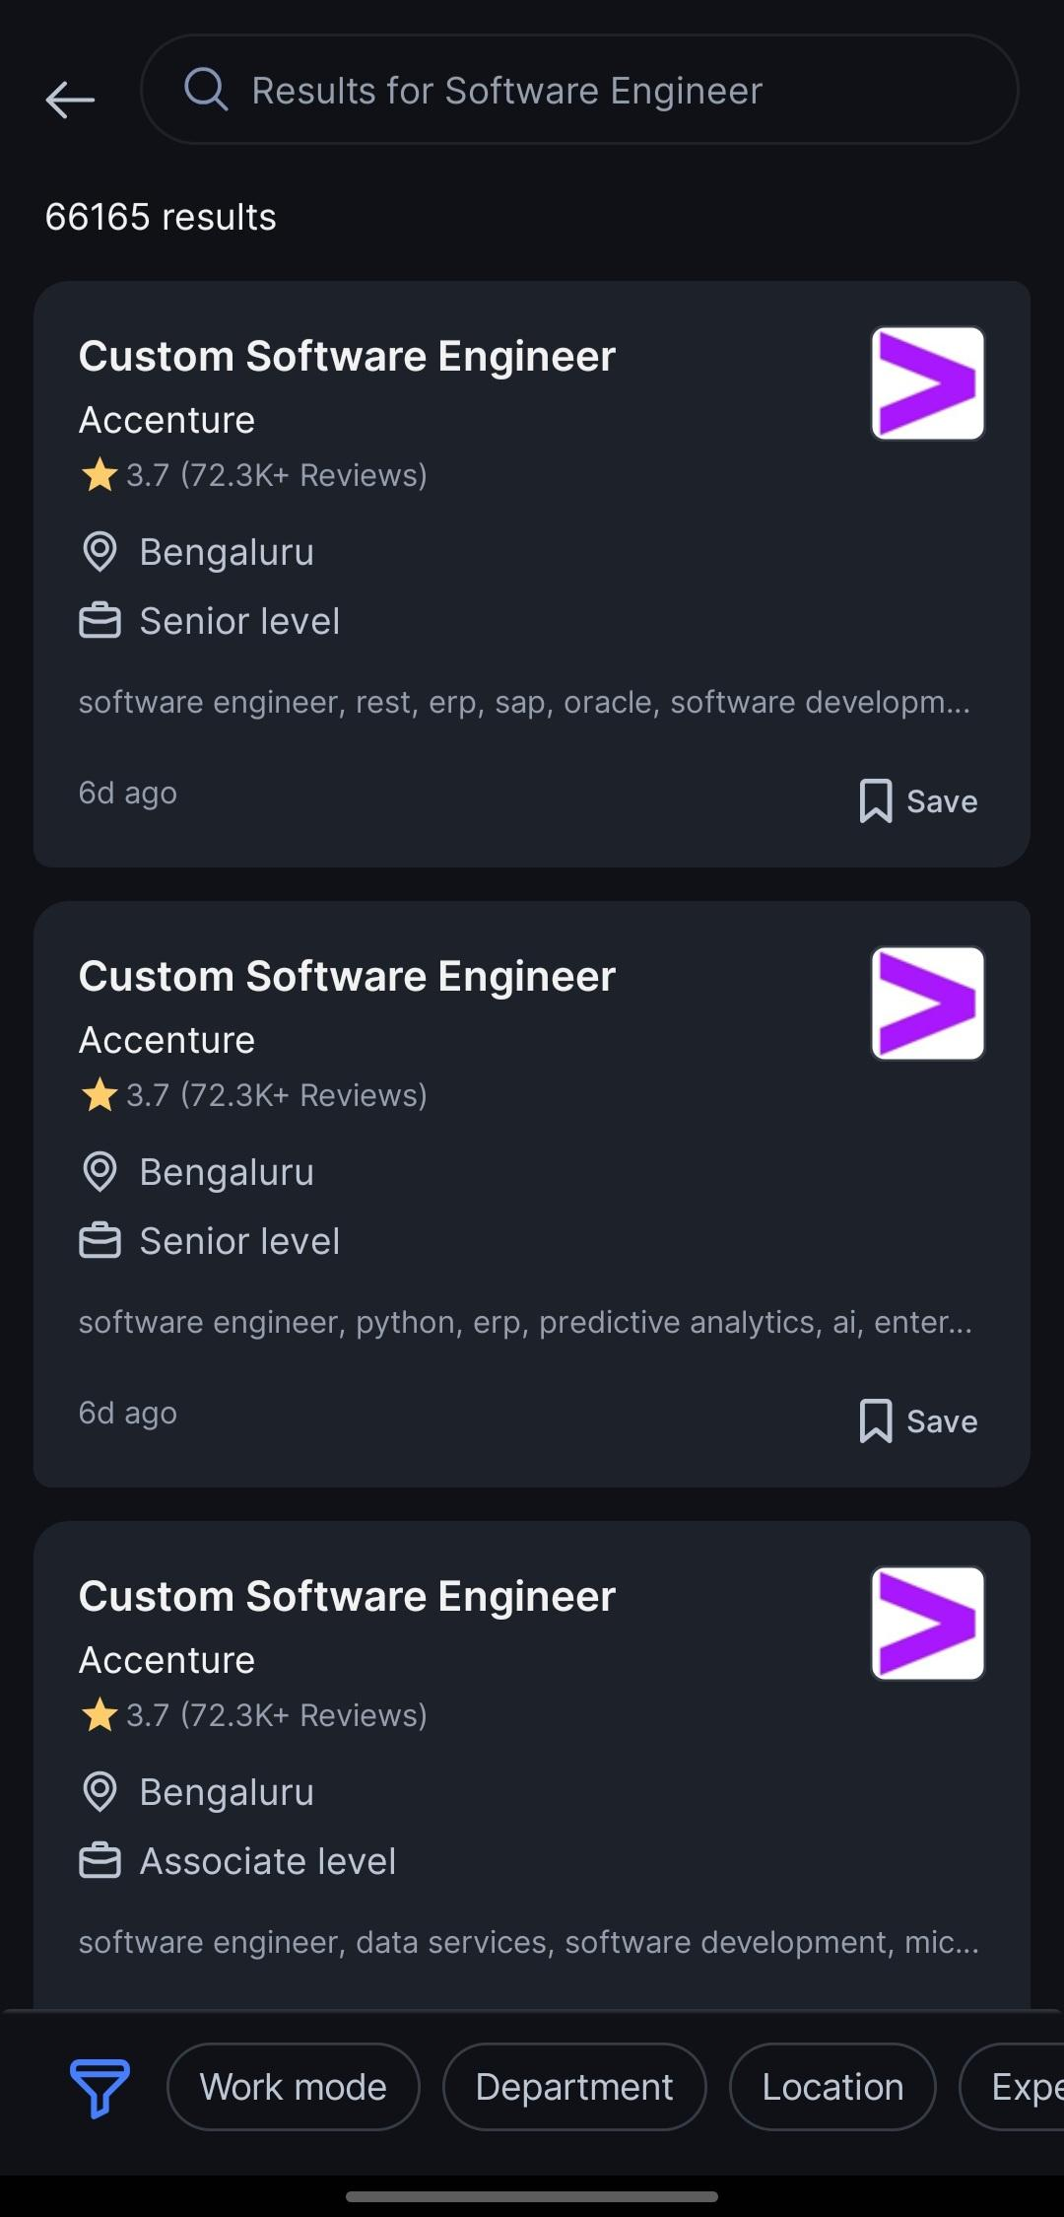
TC07 | Search job by location | Enter location in search | Location: Kochi | Jobs for location displayed | Job listings for the specified location were displayed. | Pass | 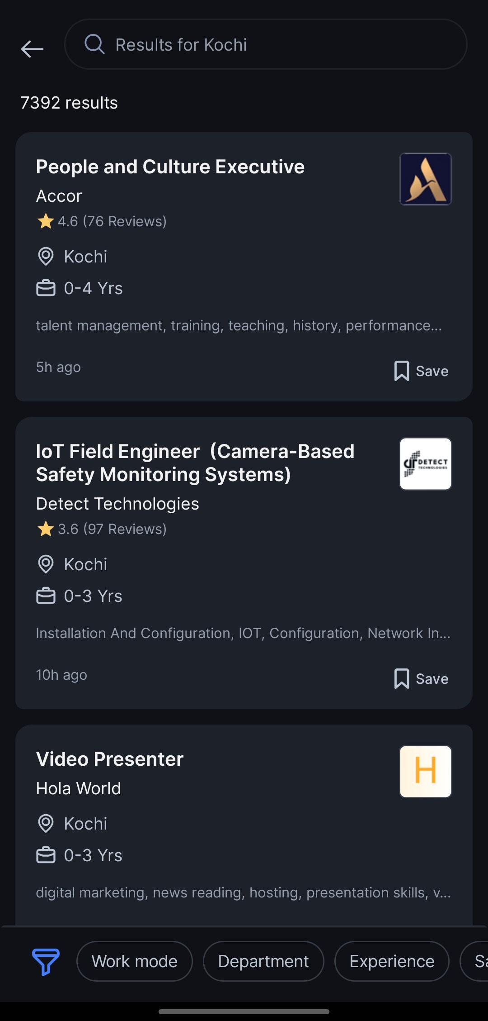
TC08 | Apply job filters | Select experience filter | Experience: 2 years | Filtered jobs displayed | Job listings were filtered correctly based on experience. | Pass | 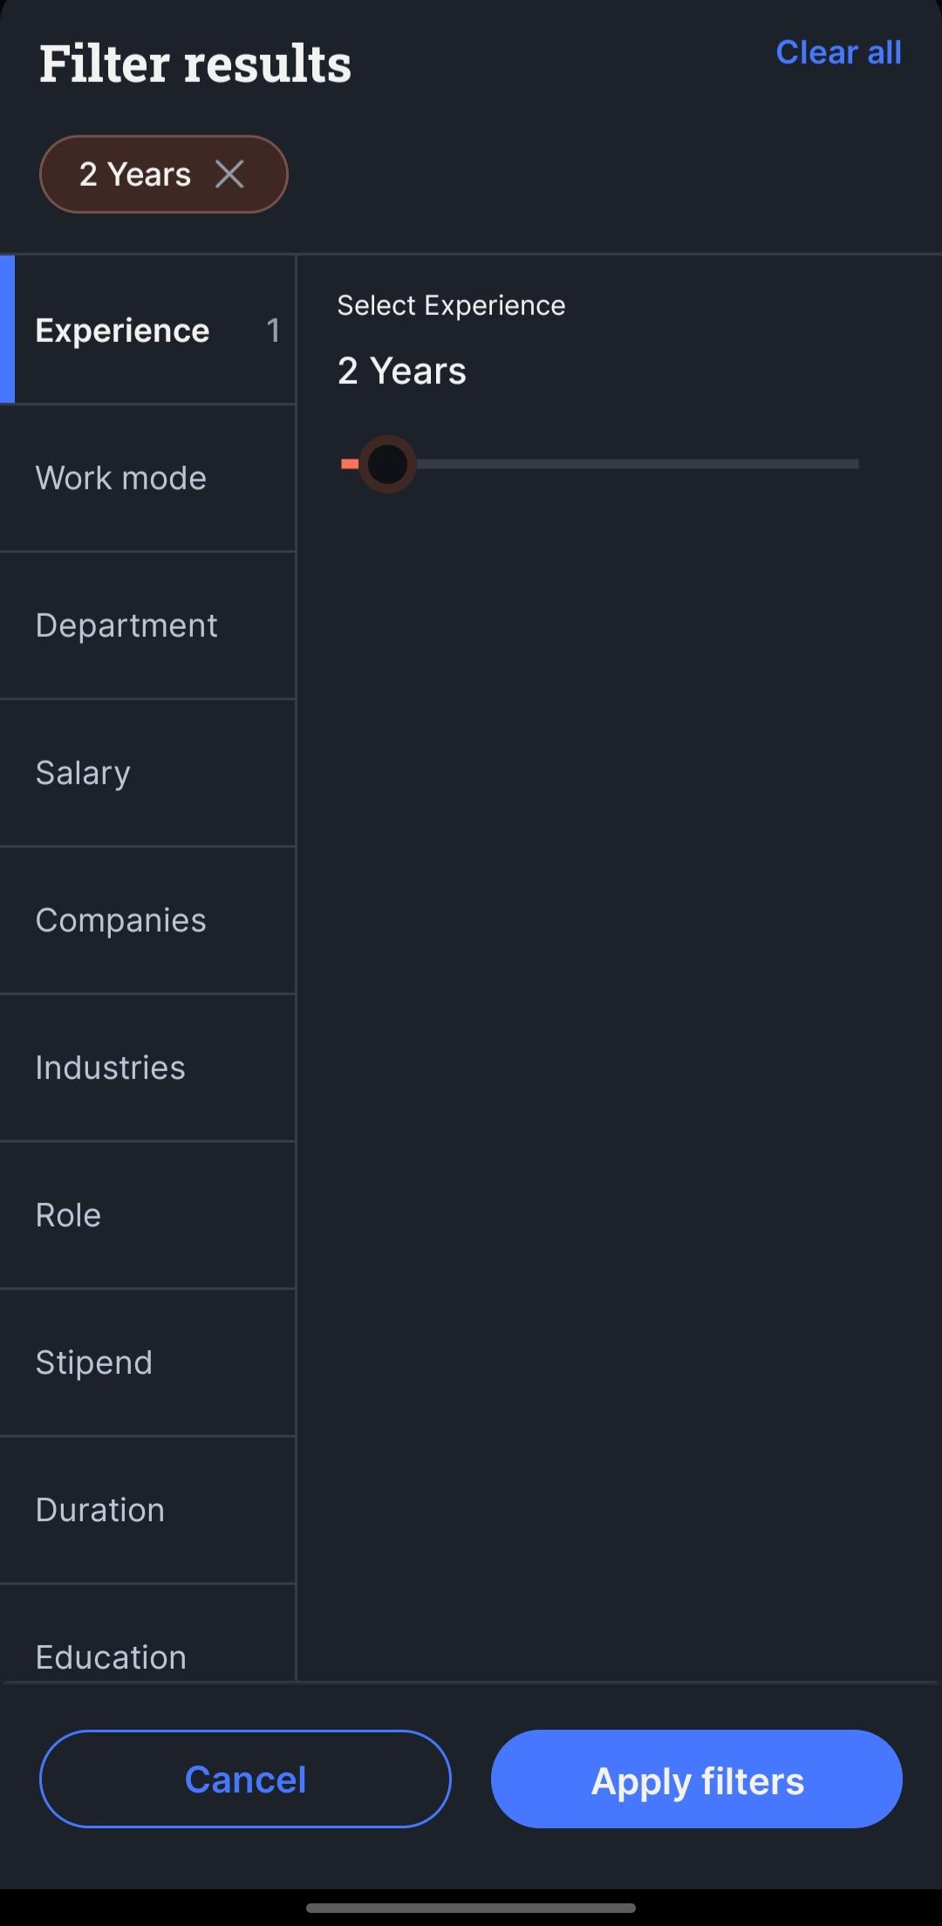
TC09 | View job details | Click on job from list | Job listing | Job description page opens | Selected job listing opened the job description page. | Pass | 
TC10 | Apply for job | Click Apply button | Valid profile | Application submitted | Job application was submitted successfully. | Pass | 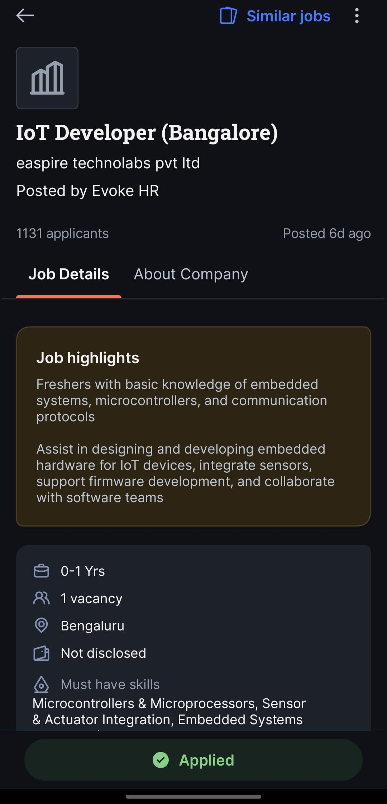
TC11 | Register with existing email | Enter already registered email | Existing email | Error message displayed | System displayed an error message for already registered email. | Pass | 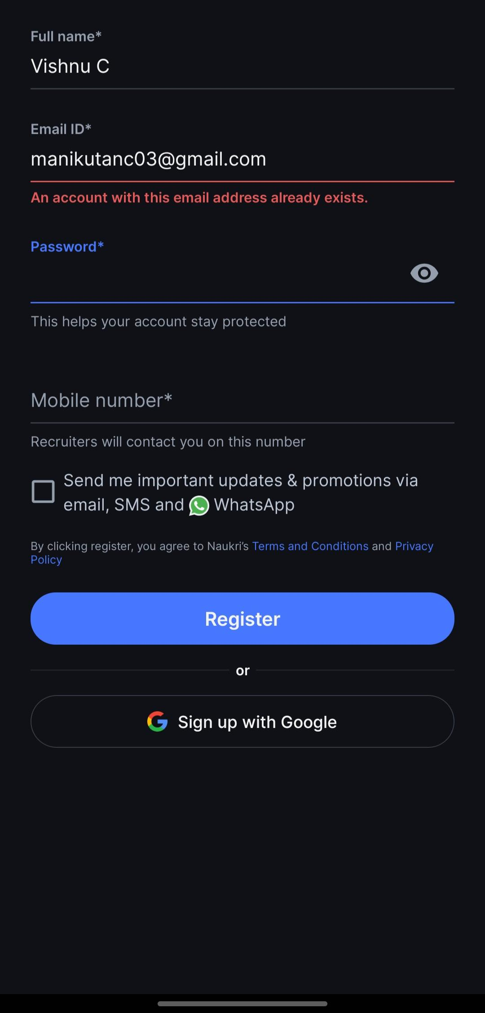
TC12 | Invalid email format | Enter email like abc.com | Invalid email | Validation error shown | System displayed a validation error for invalid email format. | Pass | 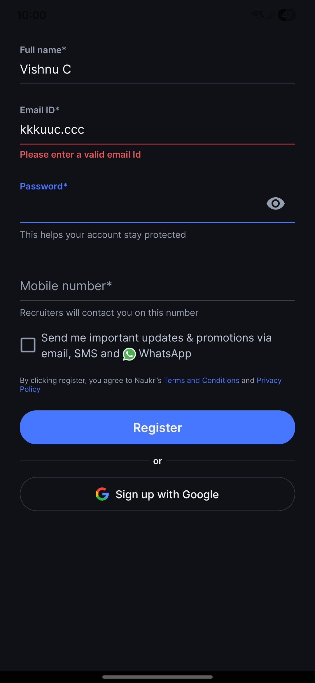
TC13 | Empty required fields | Leave fields blank and submit | Blank data | System asks to fill fields | System prompted the user to fill all required fields. | Pass | 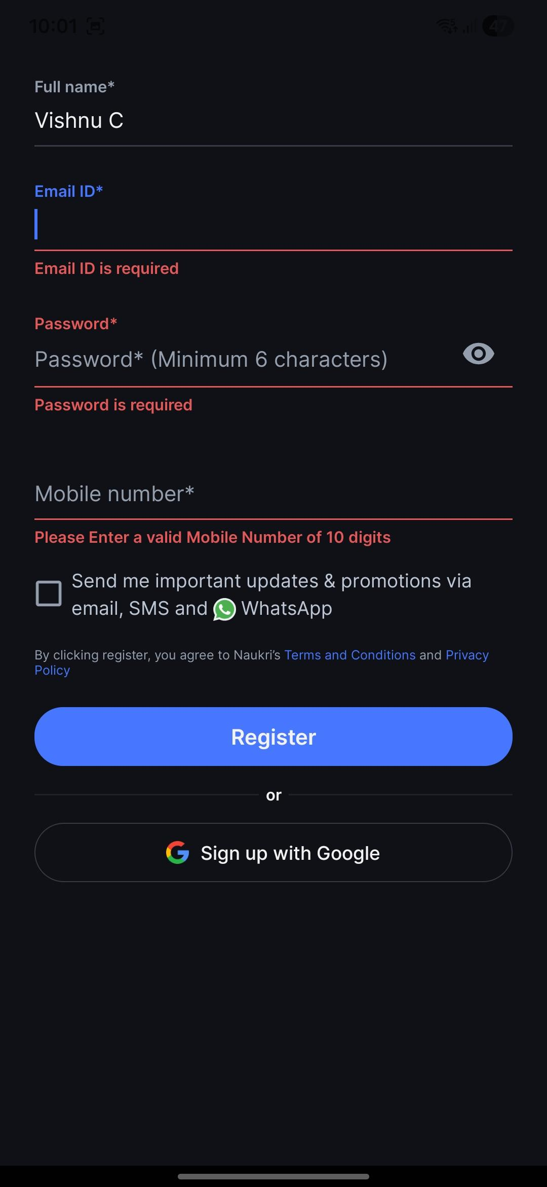
TC14 | Upload wrong file type | Upload unsupported file | EXE file | System rejects file | System rejected the unsupported resume file type. | Pass | 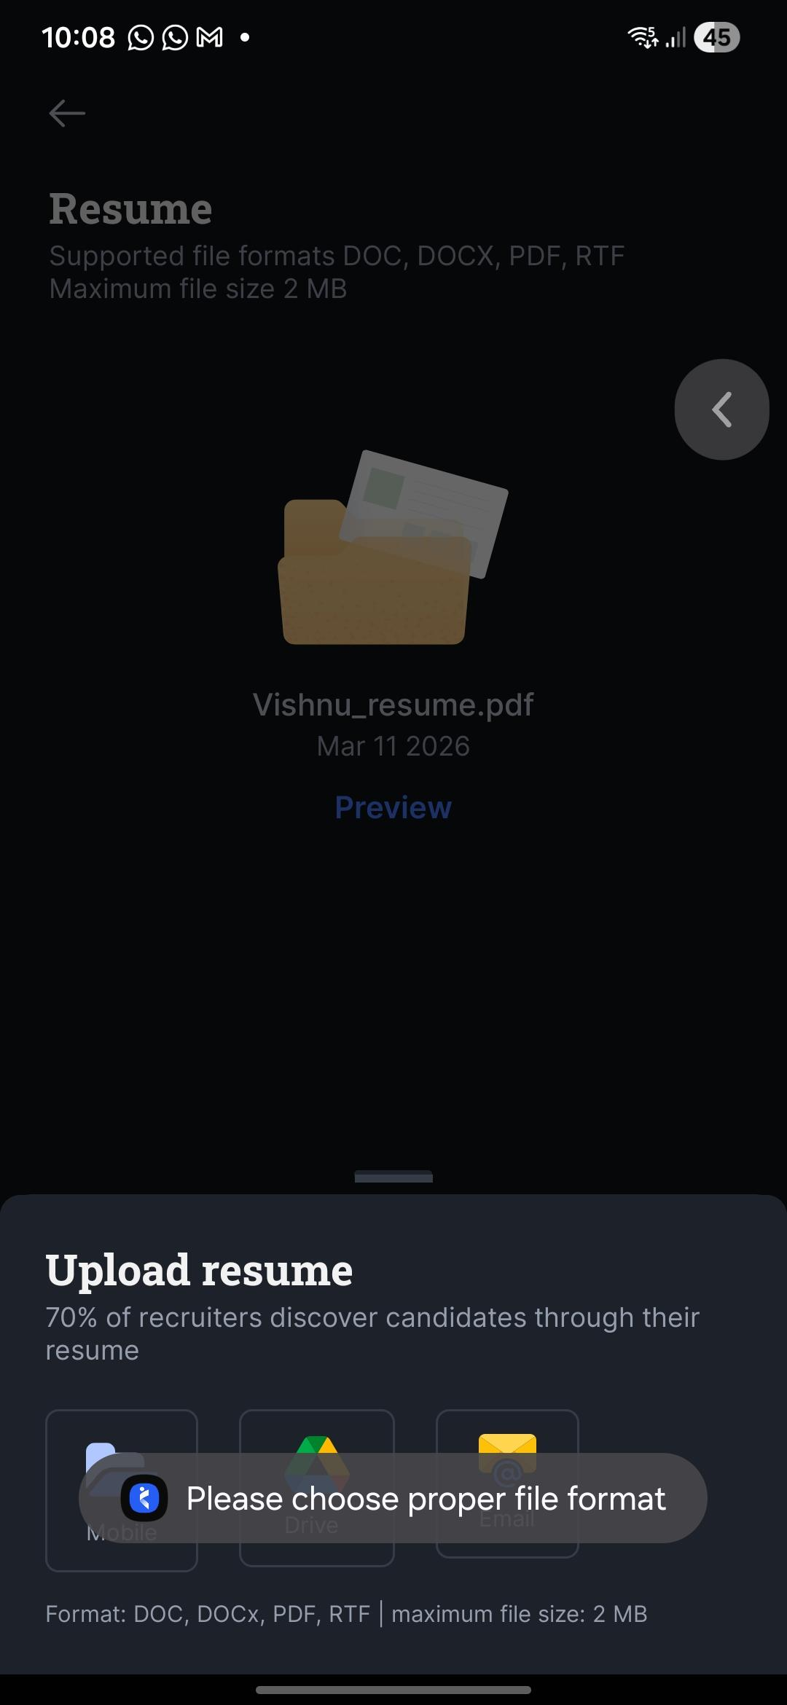
TC15 | Search with random text | Enter random characters | @@@@ | No results message | System displayed some results. | Fail | 