Examples
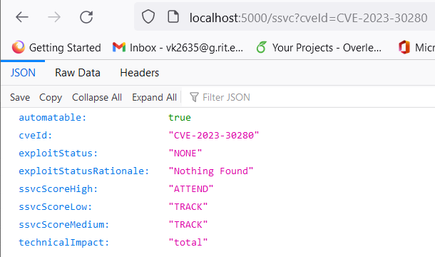
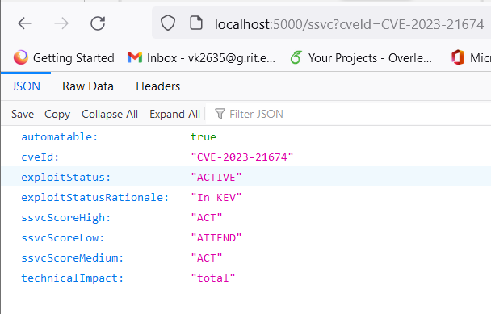
 | ML |  |  | ML | Mission & Well-Being Score |  |  | Note: all M&WB scores are generated, as M&WB is a manually supplied value
cveID | automatable | exploitStatus | exploitStatusRationale | technicalImpact | ssvcScoreHigh | ssvcScoreMedium | ssvcScoreLow
CVE-2023-30280 | TRUE | NONE | Nothing Found | total | ATTEND | TRACK | TRACK
CVE-2023-21674 | TRUE | ACTIVE | In KEV | total | ACT | ACT | ATTEND
CVE-2023-46435 | TRUE | POC | CWEtoPOC | total | ATTEND | TRACK* | TRACK
CVE-2023-23752 | TRUE | POC | Exploit Collection | partial | ATTEND | TRACK | TRACK
CVE-2023-45674 | FALSE | POC | CWEtoPOC | partial | TRACK* | TRACK | TRACK
CVE-2023-41997 | FALSE | NONE | Nothing Found | partial | TRACK | TRACK | TRACK
CVE-2023-38408 | TRUE | POC | Exploit Collection | total | ATTEND | TRACK* | TRACK
CVE-2023-36563 | FALSE | ACTIVE | In KEV | partial | ATTEND | TRACK | TRACK
CVE-2023-38831 | FALSE | ACTIVE | In KEV | total | ACT | ATTEND | TRACK
CVE-2023-21369 | FALSE | NONE | Nothing Found | partial | TRACK | TRACK | TRACK

