Screenshot
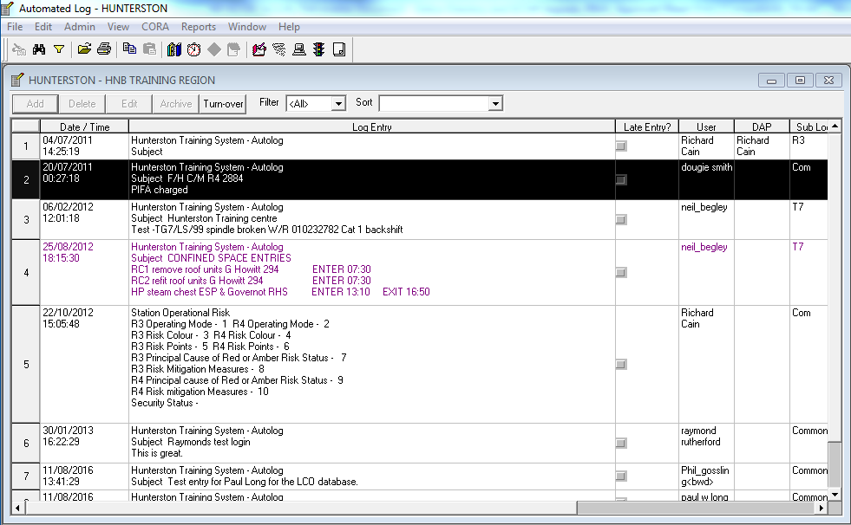
Main screen as a Guest

