Assumptions
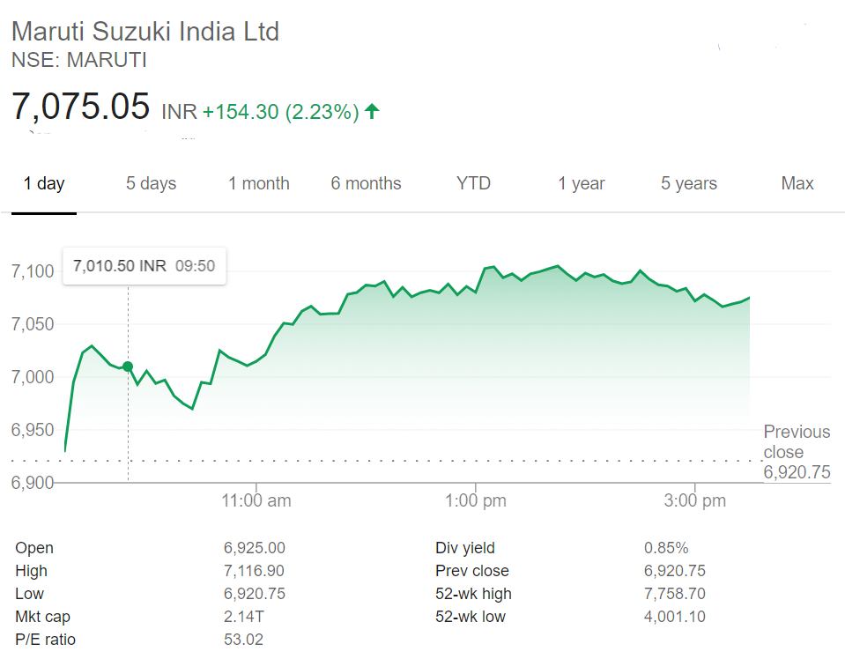
Assumption Type | Case No.
Best Case | 1

COLOR CODE
Blue color | Hardcoded figures
Black color | Calculated figures
Yellow cell fill | Assumptions

ASSUMPTIONS
Increase in Industry growth rate | % | 0.25%
Increase in Revenue growth rate | % | 0.25%
Increase in Market share growth rate | % | 0.25%
Tax Rate | % | 30.00%
Interest Rate | % | 11.00%
Perpetual Growth Rate | % | 5.00%
10-year bond yield | % | 5.90%
Market cap (INR Million) | INR Mn. | 2,137,232
Shares Outstanding | No. in Mn. | 302.08
Current Market Price | INR | 7,075.05

Annual Production Capacity
 |  | Nos.
Year 1 |  | 1550000
Year 2 |  | 1550000
Year 3 |  | 1550000
Year 4 |  | 1800000
Company Sales Data
 | Domestic | Exports
 | Nos. | Nos.
Year 1 | 1170702 | 121713
Year 2 | 1305351 | 123897
Year 3 | 1414541 | 124062
Year 4 | 1653500 | 126074
Industry Sales Data
 | Domestic | Exports
 | Nos. | Nos.
Year 1 | 2601236 | 621341
Year 2 | 2789208 | 653053
Year 3 | 3046727 | 758830
Year 4 | 3288000 | 747000

Charts
Revenue
Sales | Year 1 | Year 2 | Year 3 | Year 4 | Year 5 | Year 6 | Year 7 | Year 8 | Year 9 | Year 10 | Year 11 | Year 12 | Year 13 | Year 14
Domestic | 1,170,702 | 1,305,351 | 1,414,541 | 1,653,500 | 1,683,942 | 1,825,674 | 1,979,708 | 2,147,143 | 2,329,180 | 2,527,130 | 2,742,423 | 2,976,625 | 3,231,445 | 3,508,750
Exports | 121,713 | 123,897 | 124,062 | 126,074 | 128,395 | 139,202 | 150,946 | 163,713 | 177,592 | 192,685 | 209,101 | 226,958 | 246,387 | 267,531
Total | 1,292,415 | 1,429,248 | 1,538,603 | 1,779,574 | 1,812,337 | 1,964,876 | 2,130,654 | 2,310,856 | 2,506,773 | 2,719,815 | 2,951,524 | 3,203,583 | 3,477,832 | 3,776,281

Industry Data | Year 1 | Year 2 | Year 3 | Year 4 | Year 5 | Year 6 | Year 7 | Year 8 | Year 9 | Year 10 | Year 11 | Year 12 | Year 13 | Year 14
Domestic Sales | 2,601,236 | 2,789,208 | 3,046,727 | 3,288,000 | 3,555,183 | 3,844,800 | 4,158,793 | 4,499,278 | 4,868,560 | 5,269,150 | 5,703,784 | 6,175,447 | 6,687,389 | 7,243,157
Exports | 621,341 | 653,053 | 758,830 | 747,000 | 807,701 | 873,499 | 944,835 | 1,022,190 | 1,106,087 | 1,197,097 | 1,295,842 | 1,402,998 | 1,519,306 | 1,645,571
Total | 3,222,577 | 3,442,261 | 3,805,557 | 4,035,000 | 4,362,885 | 4,718,299 | 5,103,629 | 5,521,468 | 5,974,647 | 6,466,247 | 6,999,626 | 7,578,445 | 8,206,696 | 8,888,728
Growth in Industry Sales | NA | 7.2% | 9.2% | 7.9% | 8.1% | 8.1% | 8.2% | 8.2% | 8.2% | 8.2% | 8.2% | 8.3% | 8.3% | 8.3%
 | Year 1 | Year 2 | Year 3 | Year 4 | Year 5 | Year 6 | Year 7 | Year 8 | Year 9 | Year 10 | Year 11 | Year 12 | Year 13 | Year 14
Industry Sales Data
Total Revenue | 575,890 | 680,850 | 797,627 | 860,203 | 902,246 | 1,007,520 | 1,125,371 | 1,257,336 | 1,405,145 | 1,570,742 | 1,756,318 | 1,964,338 | 2,197,578 | 2,459,164
% change | NA | 18% | 17% | 8% | 5% | 12% | 12% | 12% | 12% | 12% | 12% | 12% | 12% | 12%
Revenue Per Car | 445,592 | 476,369 | 518,410 | 483,376 | 497,836 | 512,765 | 528,181 | 544,100 | 560,539 | 577,518 | 595,055 | 613,169 | 631,882 | 651,213
Growth | NA | 7% | 9% | -7% | 3% | 3% | 3% | 3% | 3% | 3% | 3% | 3% | 3% | 3%

