Hoja1
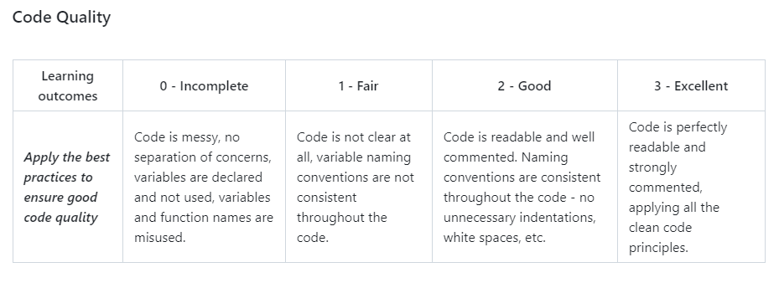
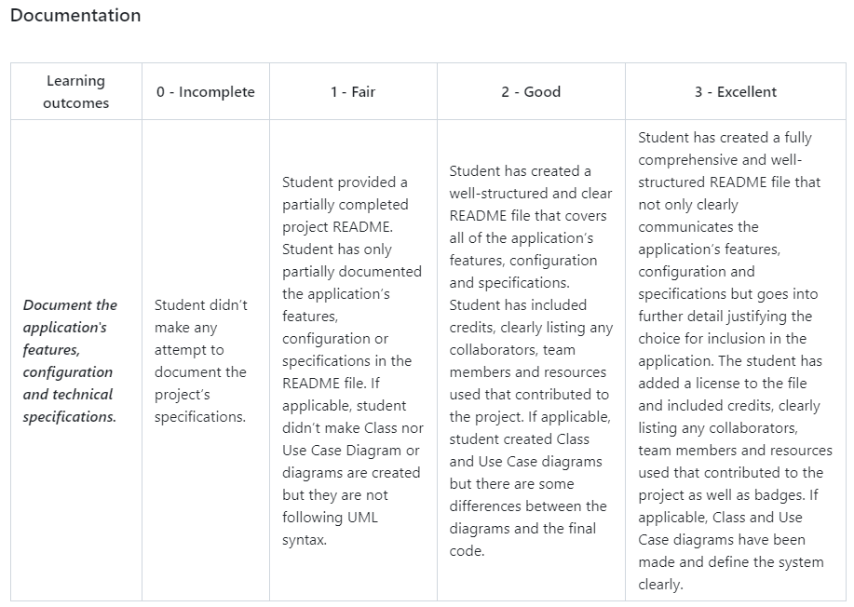
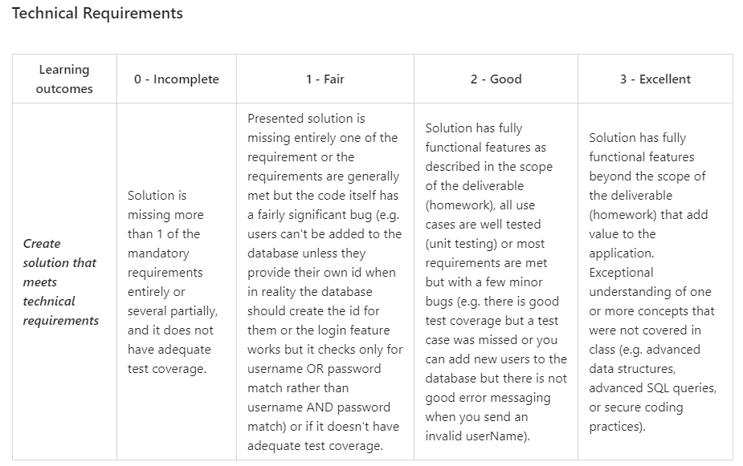

Nombre: | Sol Andrade
Grupo a evaluar: | 3

Technical Requirements | Code Quality | Documentation
3 | 3 | 3

Comentarios:
This proyect shows a well understanding of learned concepts such as data structures and secure coding practices beyond the homework's scope. The code is clean and readable, and the comprehensive README file justifies the feature's inclusion in the application and explains the execution of its game. Although I would suggest improving the file organization of the Github repository because there are repetaed files through the folder structure. I am happy to say I really enjoyed reviewing this project! Overall, I believe this team has demonstrated a high level of skill and dedication.

