Hoja1
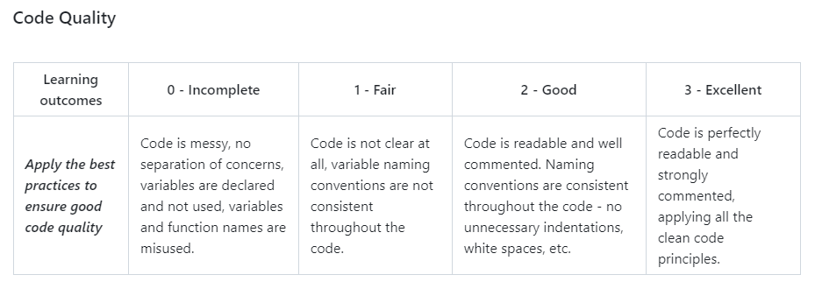
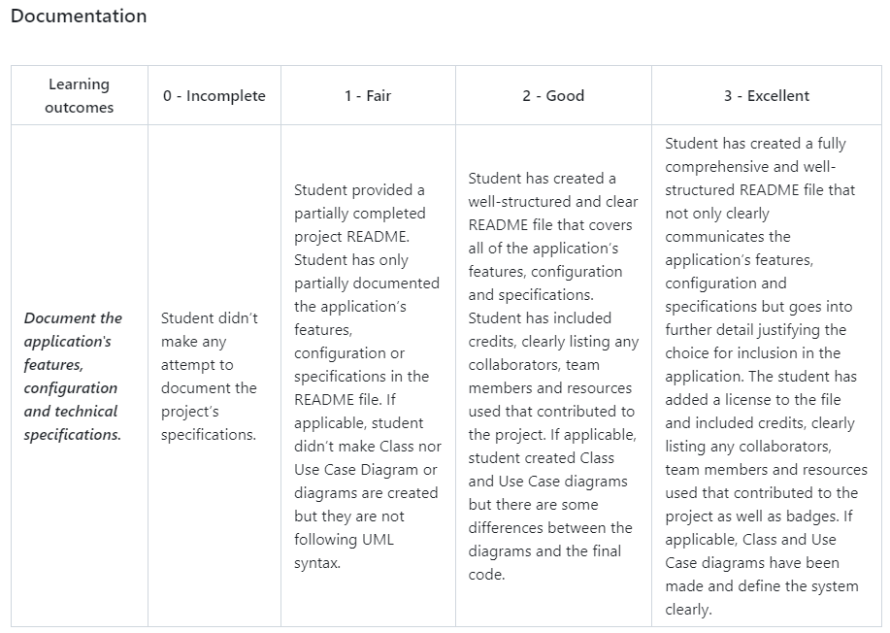
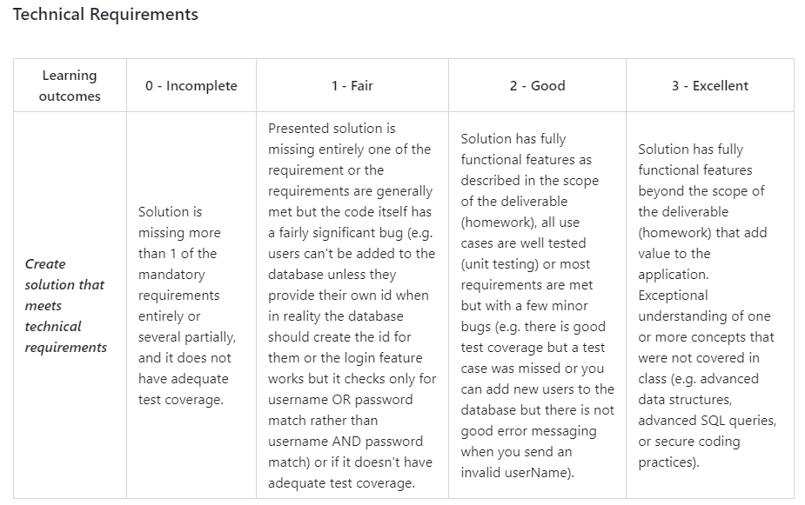

Nombre: | Sol Andrade
Grupo a evaluar: | 6

Technical Requirements | Code Quality | Documentation
3 | 2 | 3

Comentarios:
The three classes in this project are properly implemented. The menu system is intuitve and easy to use and simple to navigate and execute actions within the system. The ENROLL, ASSIGN, SHOW and LOOKUP methods are well implemented and functional. The project also has a comprehensive test suite that covers all possible scenarios and edge cases, which includes testing for invalid input, boundary cases, and every special case relevant to the system. The code is easy to read and understand but includes some long and complex functions with switch cases that could be reduced, and it also has some commented code. Overall the code is well done and uses descriptive names and uses consistend formatting. Last but not least, The documentation is well written that includes a brief intruduction followed by a project destcription which includes a user manual and technical documentation.

