SouthernBD (2)
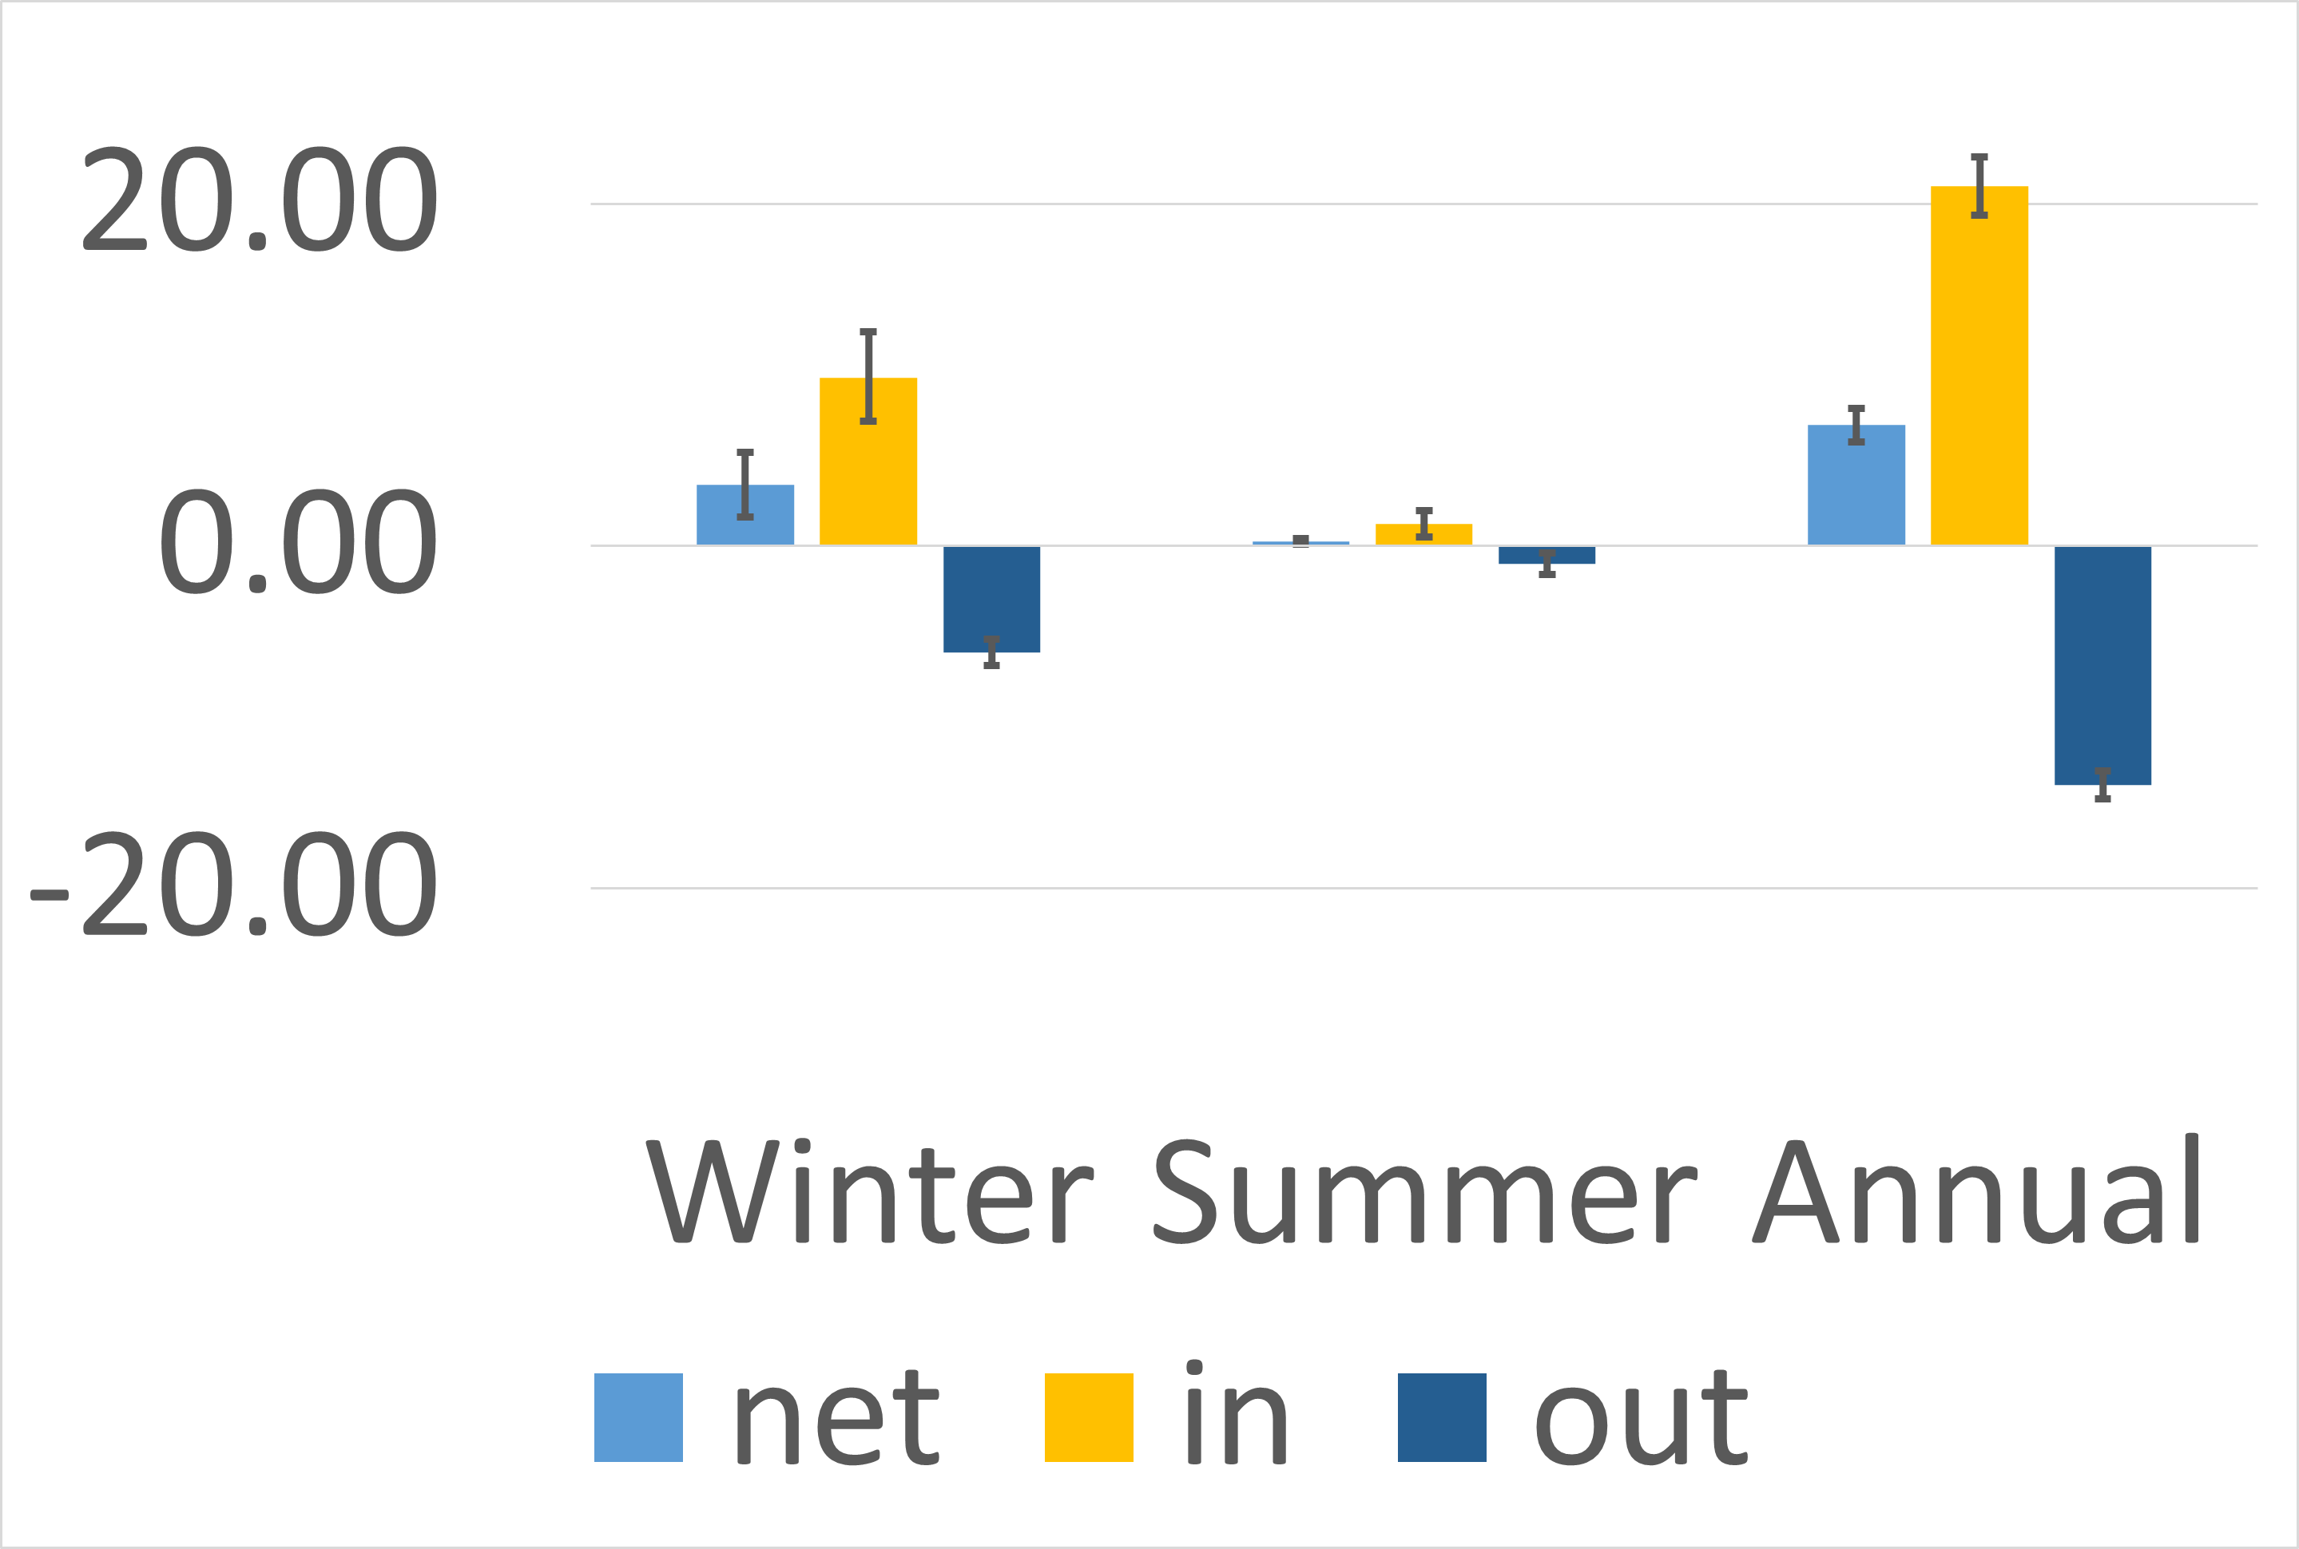
 | Winter | Summer | Annual | Error
Net | 3.5770633333 | 0.26442166667 | 7.067503 | 1.8916466667 | 0.15052166667 | 0.96646766667
 |  |  |  | 1.9109553333 | 0.15544833333 | 0.95983233333
In | 9.8474876543 | 1.294465 | 21.017 | 2.5507283951 | 0.770695 | 1.675
 |  |  |  | 2.6535123457 | 0.773535 | 1.708
Out | -6.2224987654 | -1.0241883333 | -13.949666667 | 0.77180123457 | 0.65491166667 | 0.81611111111
 |  |  |  | 0.80073950617 | 0.63388833333 | 0.82288888889

EasternBD (2)
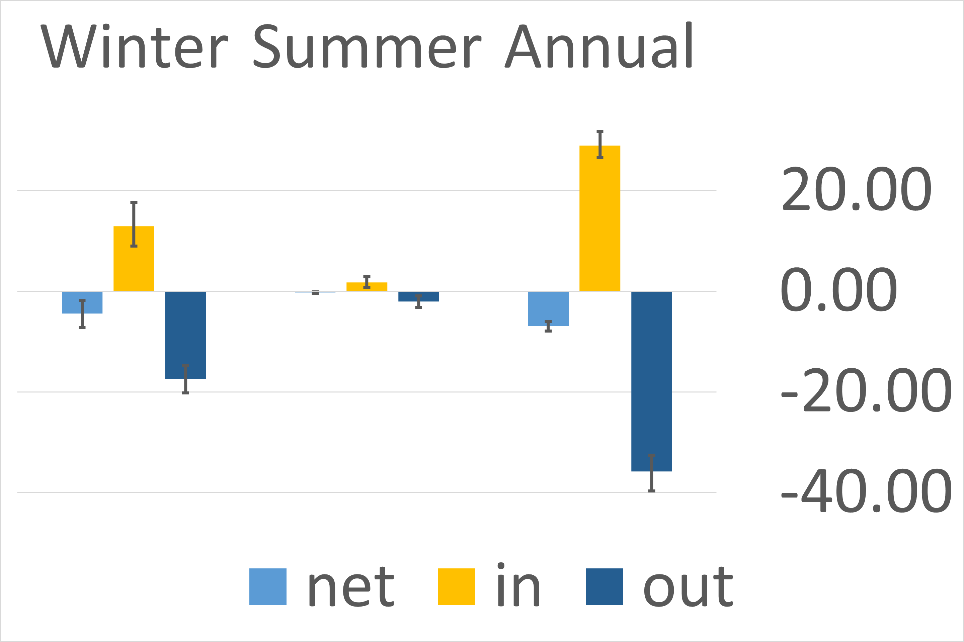
 | Winter | Summer | Annual | Error
Net | -4.3916571667 | -0.24734 | -6.847703 | 2.5481571667 | 0.13874000 | 0.88616766667
 |  |  |  | 2.8662228333 | 0.15642000 | 1.0347656667
In | 12.967966049 | 1.7450966667 | 28.972833333 | 4.7180339506 | 1.10400333 | 2.8267222222
 |  |  |  | 3.9684290123 | 0.94734667 | 2.3642777778
Out | -17.359648148 | -1.9979333333 | -35.820666667 | 2.5481571667 | 1.0891733333 | 3.2502222222
 |  |  |  | 2.8662228333 | 1.2638666667 | 3.8614444444

NorthernBD (2)
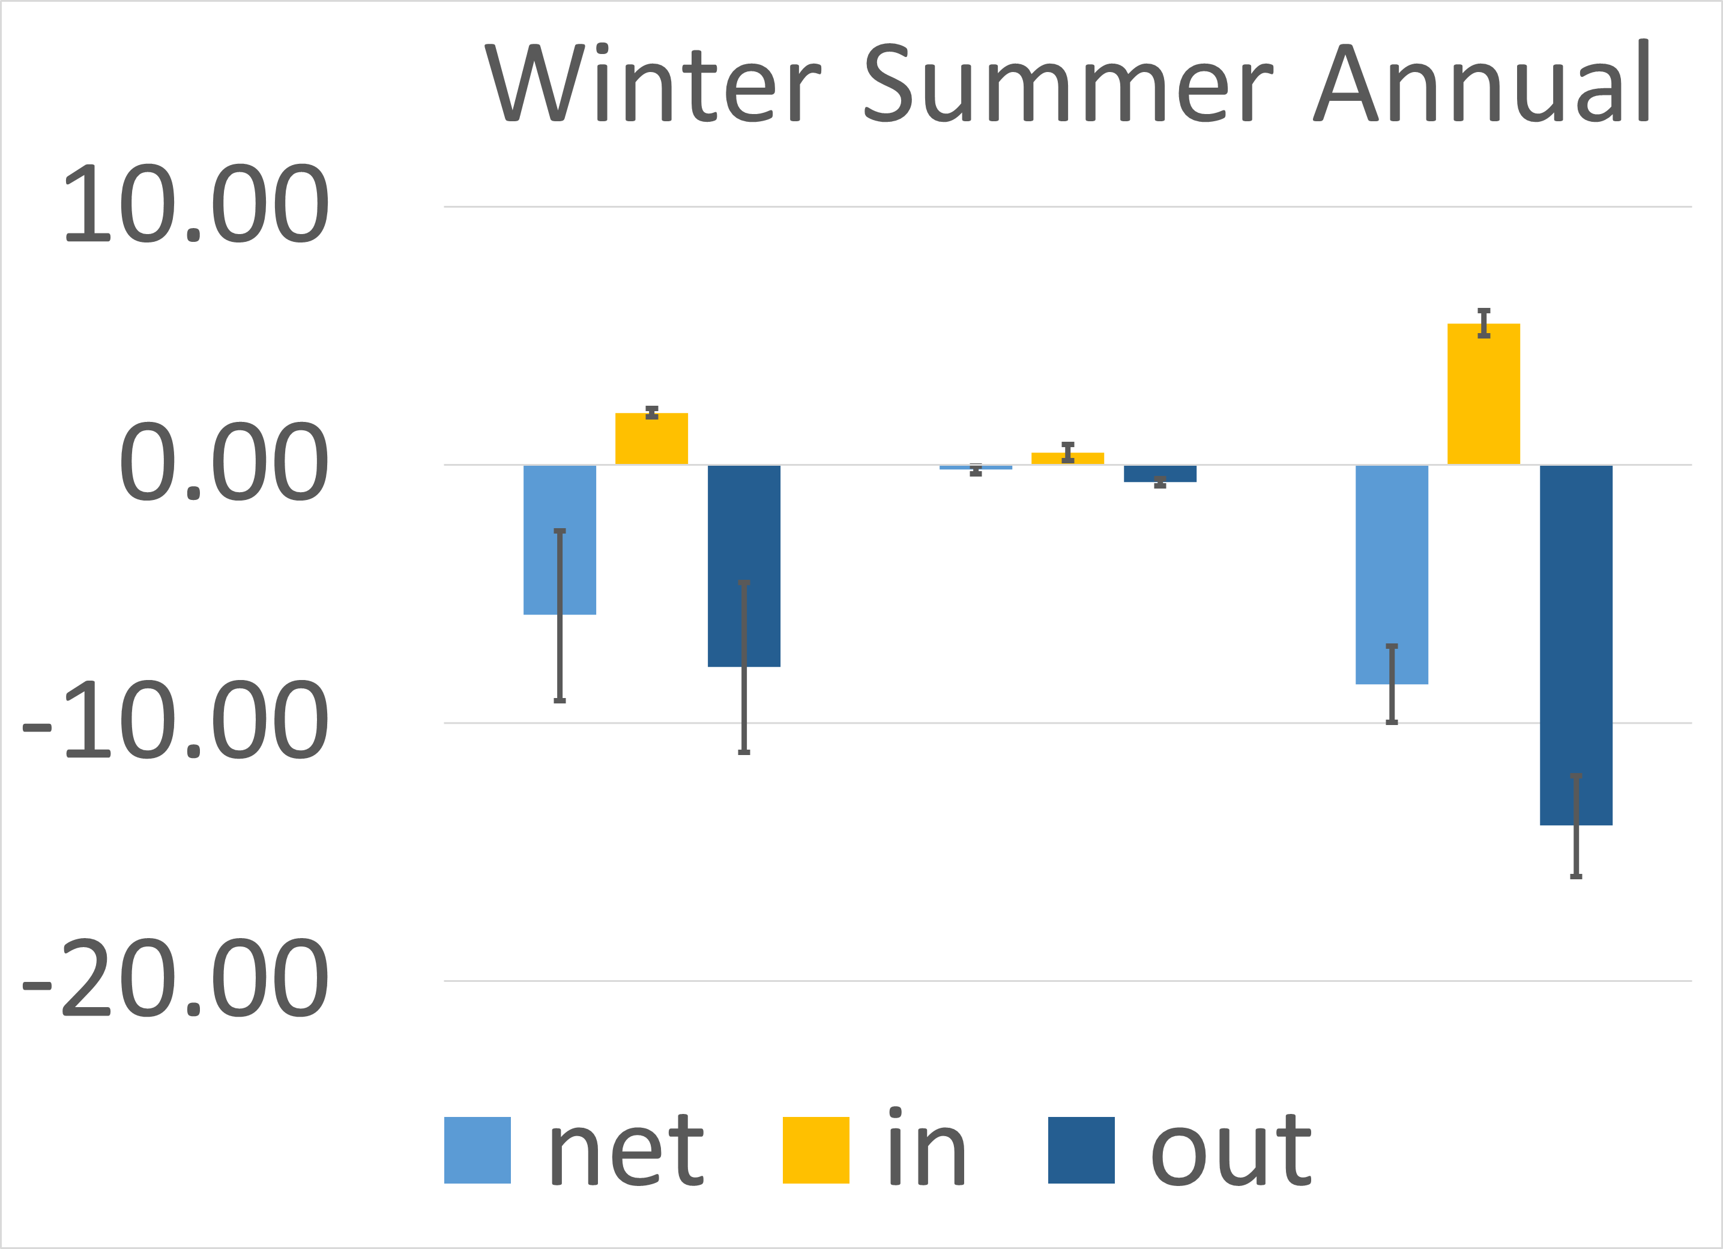
 | Winter | Summer | Annual | Error
Net | -5.8143493333 | -0.19034833333 | -8.4935666667 | 3.2486633333 | 0.14222233333 | 1.4581888889
 |  |  |  | 3.3252826667 | 0.15141166667 | 1.4919111111
In | 2.0046898148 | 0.47706166667 | 5.4721 | 0.17251018519 | 0.31399833333 | 0.49253333333
 |  |  |  | 0.14668055556 | 0.30657166667 | 0.47226666667
Out | -7.8190324074 | -0.67165166667 | -13.965666667 | 3.2486633333 | 0.14315716667 | 1.9126222222
 |  |  |  | 3.3252826667 | 0.15148583333 | 1.9844444444

WesternBD (2)
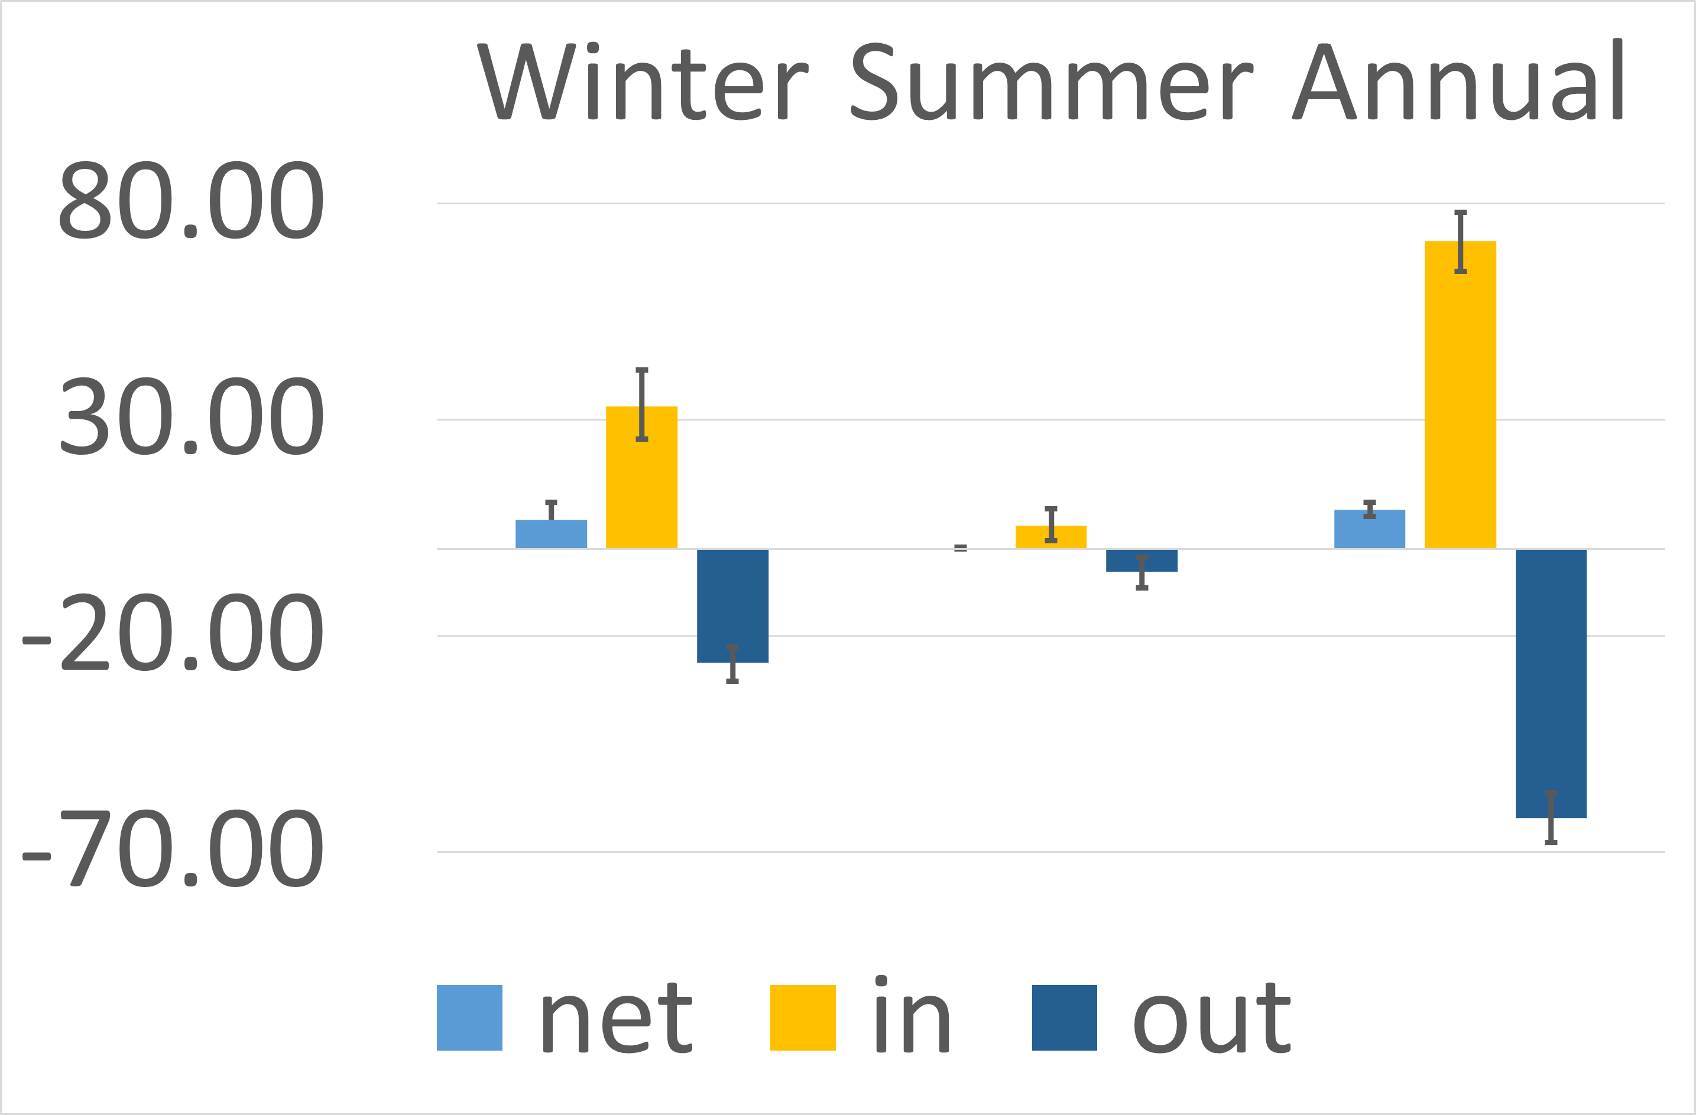
 | Winter | Summer | Annual | Error
Net | 6.7568226667 | 0.224791 | 9.11741133 | 3.9748306667 | 0.154435 | 1.5048811111
 |  |  |  | 4.0946583333 | 0.225119 | 1.6668628889
In | 33.032873457 | 5.5070333333 | 71.290833333 | 7.6004660494 | 3.5479333333 | 6.9919444444
 |  |  |  | 8.4181265432 | 3.8554666667 | 6.5960555556
Out | -26.275805556 | -5.2772333333 | -62.1735 | 4.3231944444 | 3.6253666667 | 5.6581666667
 |  |  |  | 3.6258055556 | 3.3901333333 | 5.8278333333

