Source_Intensity
 | Source Intensity (W/m^2 nm)
490 | 0.0015338106793
491 | 0.0019001926561
492 | 0.0023456329472
493 | 0.0028850876448
494 | 0.0035358555015
495 | 0.0043178400076
496 | 0.005253819201
497 | 0.0063697185121
498 | 0.0076948808184
499 | 0.0092623266851
500 | 0.011108996538
501 | 0.013275965285
502 | 0.015808618705
503 | 0.018756779849
504 | 0.022174772725
505 | 0.026121409854
506 | 0.030659889794
507 | 0.035857590676
508 | 0.0417857461
509 | 0.048518990547
510 | 0.056134762834
511 | 0.064712558031
512 | 0.074333020851
513 | 0.085076876656
514 | 0.097023700041
515 | 0.1102505253
516 | 0.124830308
517 | 0.14083025205
518 | 0.15831002262
519 | 0.1773198704
520 | 0.19789869908
521 | 0.22007211299
522 | 0.24385048693
523 | 0.26922710475
524 | 0.29617641665
525 | 0.32465246736
526 | 0.35458754856
527 | 0.38589112843
528 | 0.41844910891
529 | 0.45212345767
530 | 0.48675225596
531 | 0.52215019636
532 | 0.55810955542
533 | 0.59440165575
534 | 0.63077882055
535 | 0.66697681086
536 | 0.70271772287
537 | 0.73771330903
538 | 0.77166867387
539 | 0.80428628284
...
Wavelength (nm) | Source Intensity (W/m^2 nm)
490 | 0.0015338106793 | mu | 550
491 | 0.0019001926561 | sigma | 16.666666667
492 | 0.0023456329472
493 | 0.0028850876448
494 | 0.0035358555015
495 | 0.0043178400076
496 | 0.005253819201
497 | 0.0063697185121
498 | 0.0076948808184
499 | 0.0092623266851
500 | 0.011108996538
501 | 0.013275965285
502 | 0.015808618705
503 | 0.018756779849
504 | 0.022174772725
505 | 0.026121409854
506 | 0.030659889794
507 | 0.035857590676
508 | 0.0417857461
509 | 0.048518990547
510 | 0.056134762834
511 | 0.064712558031
512 | 0.074333020851
513 | 0.085076876656
514 | 0.097023700041
515 | 0.1102505253
516 | 0.124830308
517 | 0.14083025205
518 | 0.15831002262 |  |  | DNS Reflectometer Data from: https://www.devicesandservices.com/15R-RGB%20Spec%20Sheet.pdf
519 | 0.1773198704
520 | 0.19789869908
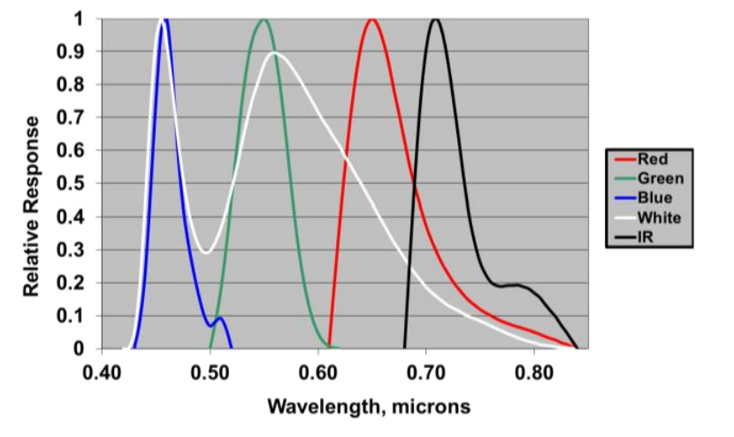
521 | 0.22007211299
522 | 0.24385048693
523 | 0.26922710475
524 | 0.29617641665
525 | 0.32465246736
526 | 0.35458754856
527 | 0.38589112843
528 | 0.41844910891
529 | 0.45212345767
530 | 0.48675225596
531 | 0.52215019636
532 | 0.55810955542
533 | 0.59440165575
534 | 0.63077882055
535 | 0.66697681086
536 | 0.70271772287
537 | 0.73771330903
538 | 0.77166867387
539 | 0.80428628284
540 | 0.83527021141
541 | 0.86433055201
542 | 0.8911878885
543 | 0.91557774286
544 | 0.93725489561
545 | 0.95599748183
546 | 0.97161076719
547 | 0.98393051427
548 | 0.9928258579
549 | 0.99820161903
550 | 1
551 | 0.99820161903
552 | 0.9928258579
553 | 0.98393051427
554 | 0.97161076719
555 | 0.95599748183
556 | 0.93725489561
557 | 0.91557774286
558 | 0.8911878885
559 | 0.86433055201
560 | 0.83527021141
561 | 0.80428628284
562 | 0.77166867387
563 | 0.73771330903
564 | 0.70271772287
565 | 0.66697681086
566 | 0.63077882055
567 | 0.59440165575
568 | 0.55810955542
569 | 0.52215019636
570 | 0.48675225596
571 | 0.45212345767
572 | 0.41844910891
573 | 0.38589112843
574 | 0.35458754856
575 | 0.32465246736
576 | 0.29617641665
577 | 0.26922710475
578 | 0.24385048693
579 | 0.22007211299
580 | 0.19789869908
581 | 0.1773198704
582 | 0.15831002262
583 | 0.14083025205
584 | 0.124830308
585 | 0.1102505253
586 | 0.097023700041
587 | 0.085076876656
588 | 0.074333020851
589 | 0.064712558031
590 | 0.056134762834
591 | 0.048518990547
592 | 0.0417857461
593 | 0.035857590676
594 | 0.030659889794
595 | 0.026121409854
596 | 0.022174772725
597 | 0.018756779849
598 | 0.015808618705
599 | 0.013275965285
600 | 0.011108996538
601 | 0.0092623266851
602 | 0.0076948808184
603 | 0.0063697185121
604 | 0.005253819201
605 | 0.0043178400076
606 | 0.0035358555015
607 | 0.0028850876448
608 | 0.0023456329472
609 | 0.0019001926561
610 | 0.0015338106793

