ANNOUNCEMENTBACK
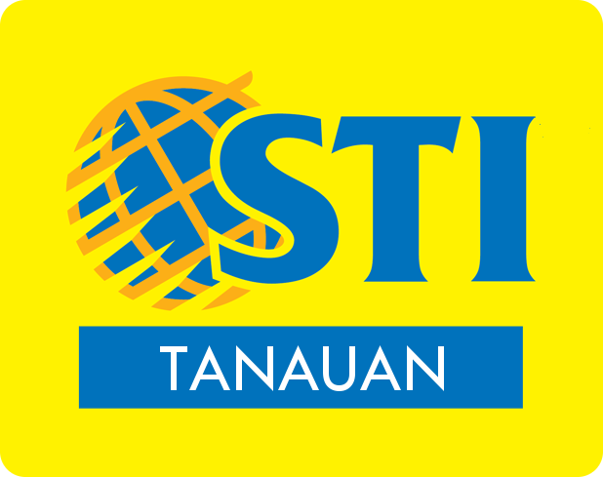

BEST IN MODERN FILIPINIANA & BEST IN MODERN FILIPINIANA | BEST IN SWIMWEAR | BEST IN FORMAL WEAR | BEST IN FORMAL WEAR | TOP 15 QUALIFIERS | TOP 10 SEMIFINALISTS | TOP 5 FINALISTS | BINIBINING TANAUAN WINNERS

