Flow
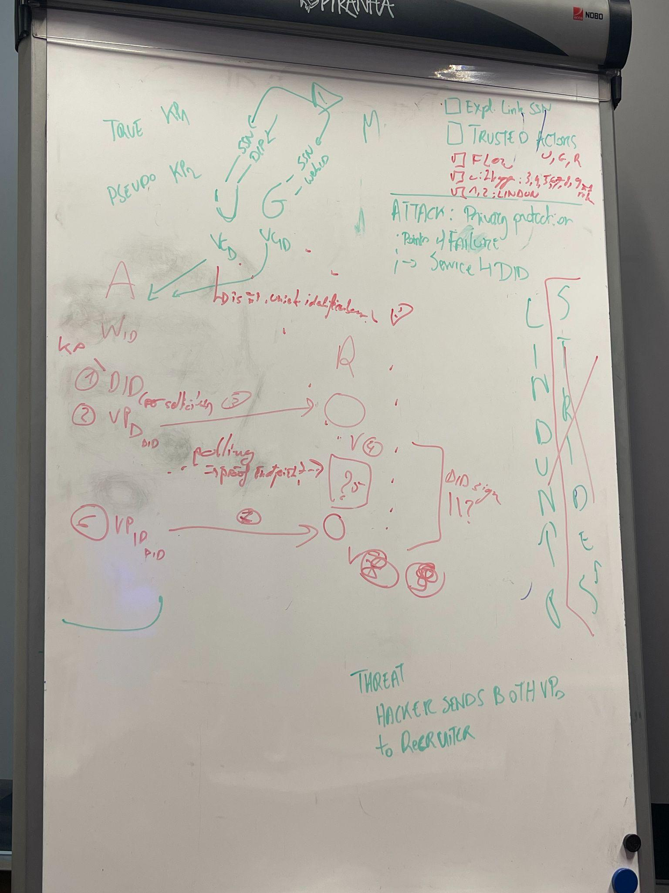
TRUST
X trusts Y | Alice | Pseudomizer | Recruiter
Alice | TRUE | TRUE | FALSE
Pseudomizer | FALSE | TRUE | FALSE
Recruiter | FALSE | TRUE | TRUE
STEPS
Actor: | Alice | Pseudomizer | Recruiter | Description | Remark
 |  | VP01=∂VC_D/∂D.title |  | Alice uses the Pseudomizer to create a VP that selectively discloses only the attributes required by the Recruiter
 |  | Send(VP01, Recruiter) |  | Alice uses the Pseudomizer to send VP01 to the Recruiter
 |  |  | Receive(VP01) | Recruiter receives VP01
 |  |  | ResultVP01 = Process(VP01) | Recruiter processes VP01, and determines whether or not the applicant has been selected.
 |  |  | Send(ResultVP01, Pseudomizer) | Recuiter returns a VP with the result (i.e., whether or not the applicant has been selected). | What if the job selection procedure involves human interaction, and requires multiple days of processing time?
 |  | Receive(ResultVP01) |  | Pseudomizer receives ResultVP01
 |  | If (ResultVP01.selected == True) |  | Alice has been selected, hence, for the second phase (i.e., identity verification) a VP needs to be created with the claims asserting Alice's actual/true identifier (i.e., the goverment-issued WebID).
 |  | Create( VP02=[ ∂VC_ID/∂WebID, VC: { pseudoID: <pseudoID>, trueID: <trueID> } - signed using KP_TRUE, VC: { pseudoID: <pseudoID>, trueID: <trueID> } - signed using KP_PSEUDO ]) |  | Using the Pseudomizer, Alice creates a second VP, i.e., VP02. In doing so, firstly, the identity credential (i.e., VC_ID) is derived to only disclose the WebID. Secondly, an identity binding VC is created, expressing the binding between the actual/true ID and the pseudonymous ID, signed by the key pair that is linked to Alice her actual identity. Thirdly, another identity binding VC is created, this time expressing the binding between the actual/true ID and the pseudonymous ID, signed by the key pair that is linked to Alice her pseudonymous identity.

