Sheet2
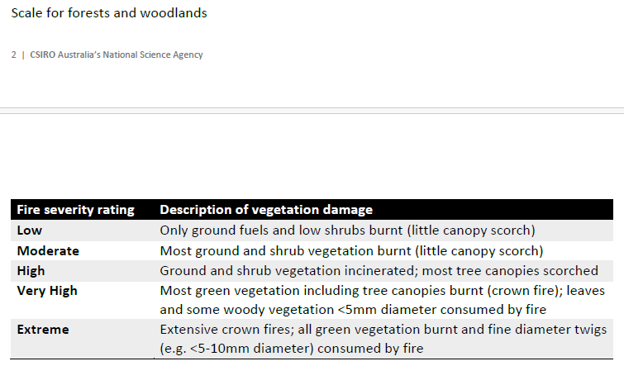
Site | Site MER name
Site_nickname | Informative name I came up with
Floristic_type | Relevant archetype model
Understorey_characteristics
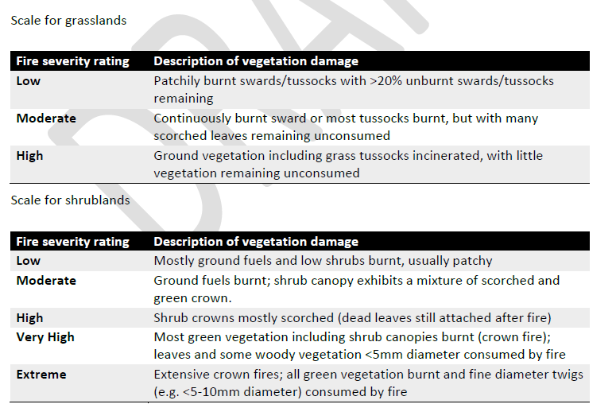
Last_fire_severity | based on plot level measurements across all burnt plots
Rainfall_mm | currently from relevant archetype models
Soils
Fire | archetype model description
source
Veg_type | broad veg description
Fire_freq | catagorical fire frequency based on respective publication generalized at ecosystem level
source_freq
Fire_Interval
Fire_response
source_response

