Лист5
Max Base
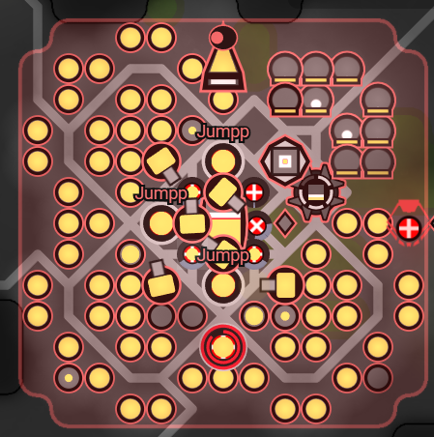
 |  | 1 | 2 | 3 | 4 | 5 | 6 | 7 | 8 | 9 | 10 | 11 | 12 | 13
 | 1
 | 2
 | 3
 | 4
 | 5 |  |  |  |  |  |  | Sp |  | Tr
 | 6 |  |  |  |  |  |  | T
 | 7 |  |  |  |  |  |  | St |  | L
 | 8
 | 9
 | 10
 | 11
 | 12
 | 13

Min Base |  |  |  | 1 | 2 | 3 | 4 | 5 | 6
 |  |  | 1
 |  |  | 2 |  |  |  | 2 | 3
 |  |  | 3 |  | 9 |  | 1 | 4
 |  |  | 4 |  | 8 | 0 |  | 5
 |  |  | 5 |  | 7 | 6
 |  |  | 6

 |  |  |  |  | 1 | 2 | 3 | 4 | 5
 |  |  |  | 1
 |  |  |  | 2 |  | Sp |  | Tr
 |  |  |  | 3 |  | T
 |  |  |  | 4 |  | St |  | L
 |  |  |  | 5

