IPL ANALYSIS
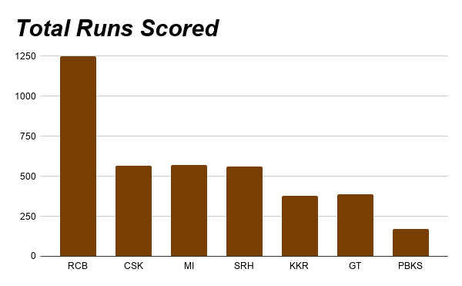
Match | Team | Opponent | Runs | Wickets | Result
1 | RCB | CSK | 210 | 5 | Win
2 | RCB | MI | 178 | 8 | Lose | Average Runs= 193.85
3 | CSK | MI | 190 | 6 | Win
4 | MI | SRH | 201 | 4 | Win | Maximum Runs= 230
5 | SRH | RCB | 165 | 9 | Lose
6 | KKR | RCB | 185 | 7 | Win
7 | RCB | GT | 222 | 3 | Win | RCB won = 4
8 | CSK | SRH | 176 | 8 | Lose
9 | MI | RCB | 198 | 5 | Win
10 | GT | KKR | 205 | 4 | Win
11 | SRH | MI | 187 | 6 | Lose
12 | RCB | PBKS | 214 | 5 | Win
13 | PBKS | CSK | 169 | 9 | Lose | 12
14 | KKR | MI | 192 | 7 | Win
15 | RCB | SRH | 230 | 2 | Win
16 | GT | RCB | 181 | 8 | Lose
17 | CSK | KKR | 199 | 5 | Win
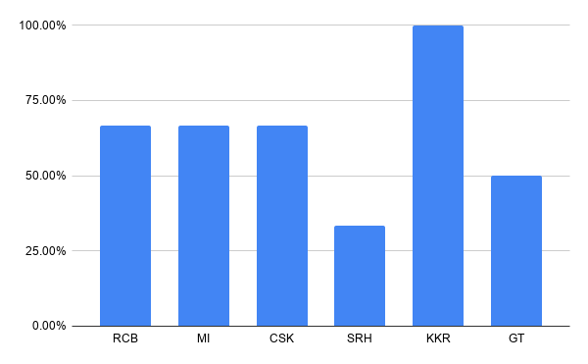
18 | MI | PBKS | 172 | 9 | Lose
19 | SRH | GT | 208 | 4 | Win
20 | RCB | CSK | 195 | 6 | Lose

Team | Wins | Matches | Win % | Rank
RCB | 4 | 6 | 66.67% | 2.006
MI | 2 | 3 | 66.67% | 2.003
CSK | 2 | 3 | 66.67% | 2.003
SRH | 1 | 3 | 33.33% | 6.003
KKR | 2 | 2 | 100.00% | 1.002
GT | 1 | 2 | 50.00% | 5.002

