Sheet1
TITLE | DESCRIPTION | PRICE | IMAGE
THE SECRET | Self-help book by Rhonda Byrne. It is based on the belief of the pseudoscientific law of attraction, which claims that thoughts can change a person's life directly. | ₹ 199 | 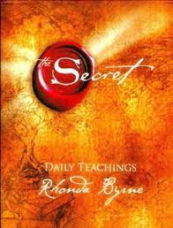
SMALL FRY | Small Fry is Lisa Brennan-Jobs's poignant story of a childhood spent between two imperfect but extraordinary homes | ₹ 400 | 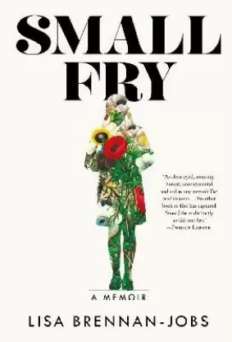
THE LITTLE PRINCE | The story follows a young prince who visits various planets in space, including Earth, and address themes of loneliness, friendship, love, and loss | ₹ 200 | 
THE JOURNEY HOME | The Journey Home is an intimate account of the steps to self-awareness and also a penetrating glimpse into the heart of mystic traditions | ₹ 252 | 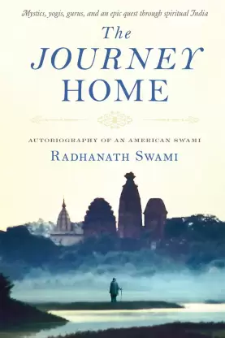
RICH DAD POOR DAD | The book explodes the myth that you do not need to earn a high income to become rich | ₹ 180 | 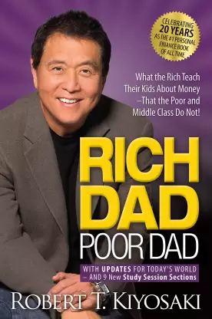
WHO WILL CRY WHEN U DIE? | In Who Will Cry When You Die?, Robin Sharma offers advice on overcoming the difficulties of life while developing your personality and skills | ₹ 149 | 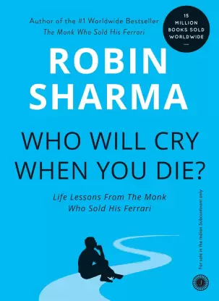
THE FAULT IN OUR STARS | Despite the tumor, Hazel's final chapter inscribed upon diagnosis. But when a gorgeous plot twist named Augustus Waters suddenly appears Hazel's story is about to be completely rewritten. | ₹ 100 | 
HARRY POTTER | The book follows Harry Potter, a young wizard, in his third year at Hogwarts School of Witchcraft and Wizardry. Theme is Friendship and Growing Up | ₹ 112 | 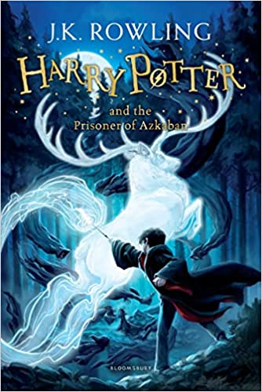 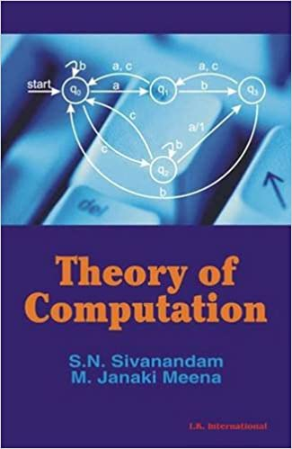
I TOO HAD A LOVE STORY | Do love stories ever die? How would you react when a beautiful person comes into your life, and then goes away from you forever? This book is the tender and heartfelt tale of Ravin and Khushi | ₹ 398 | 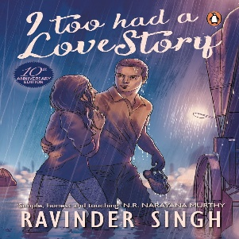
MUHAMMAD ALI UNFILTERED | The fighter, the activist, the man, the icon. An officially authorized collection, Muhammad Ali Unfiltered is Jeter Publishing’s intimate look at one of the most inspiring figures of our age | ₹ 406 | 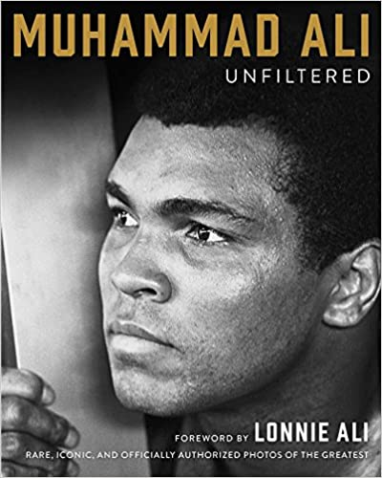
THE MAN WHO KNEW INFINITY | A moving and enlightening look at the unbelievable true story of how gifted prodigy Ramanujan stunned the scholars of Cambridge University and revolutionized mathematics. | ₹ 325 | 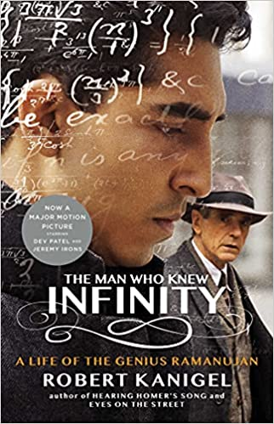
WINGS OF FIRE | Wings of Fire is the autobiography of the Missile Man of India and President of India, Dr. A. P. J. Abdul Kalam. It was written by him and Arun Tiwari. | ₹ 137 | 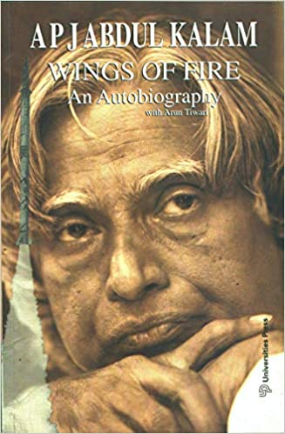
UNBREAKABLE | Indias best known boxer, five times World Champion and an Olympic medallist, Mary Kom tells the moving and inspiring story of her life with surprising honesty. | ₹ 123 | 
THE GLASS CASTLE | The Glass Castle is a remarkable memoir of resilience and redemption, and a revelatory look into a family at once deeply dysfunctional and uniquely vibrant | ₹ 189 | 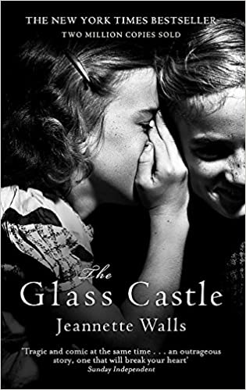
ORGANIC CHEMISTRY | Organic Chemistry by Subrata Sengupta is primarily written as a preliminary text for undergraduate students of chemistry, both general and honors | ₹ 615 | 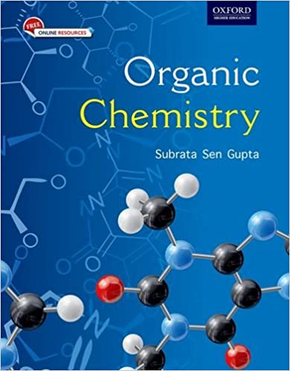
THEORY OF COMPUTATION | The book is for students doing their undergraduation and postgraduation. All the concepts are elaborated with illustrations. Algorithmic procedures are provided at the necessary locations. | ₹ 240
STRUCTURES | Presents the secrets of materials science.Structures or why things don't fall down explains the importance and properties of different structures. | ₹ 510 | 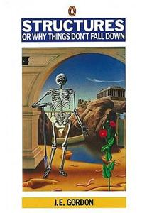
INTRODUCTION TO INFORMATION SYSTEMS | This book helps students learn the core skills related to information systems while grasping why they are so fundamental to business and society. | ₹ 150 | 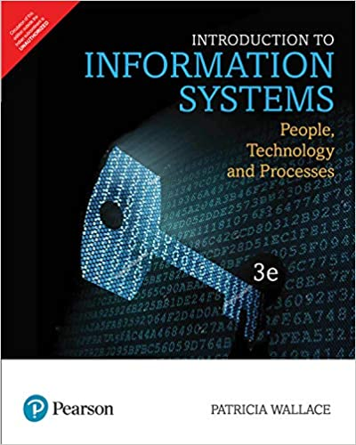
DERMATOLOGY | Dermatology Classroom Complete Handwritten Notes 2019. Used different color pens for highlighting. | ₹ 190 | 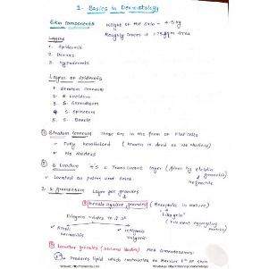
PHYSIOLOGY | Physiology Complete Handwritten Classroom Notes with diagrams and explanation | ₹ 210 | 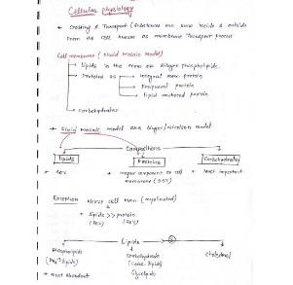
11TH CLASS CHEMISTRY | Class 11, Chemistry complete handwritten notes. Used highlighters for marking important points. | ₹ 50 | 