Instructions
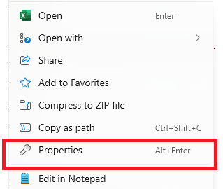
This is a protected file and can’t be edited unless macro is enabled.
Please follow below steps to enable the macro:
 | 1. Go to directory where this file is placed
 | 2. Right click on the file name and select 'Properties'

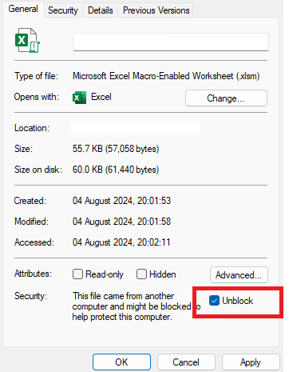
 | 3. Check ‘Unblock’ from the pop-up window and click OK button

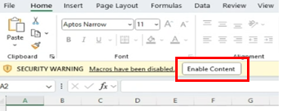
 | 4. Open the excel file
 | 5. Click on 'Enable Content' button after opening the excel file.

