sheet1
 |  | SRV Series Pricelist 2026 |  |  |  |  |  |  | Input flange |  | Input shaft | Torque Arm | Output flange |  | Output shaft
Model | Ratio ( i ) | PAM ( IEC ) | Power (kW) | SRV | SRVL | SRVS | SRVLS | Ratio = 5 ,7.5, 10 , 15 , 20 , 25 , 30 , 40 , 50 , 60 , 80 , 100 | Size | Price | Price | Price | F1 | F2 | A1 | A2
SRV025 | 5-60 | 56B14 | 0.09 | 1510 | 1585 | 1683 | 1827 |  | 56B14 |  |  | 135 | 116 | 116 | 161 | 179
SRV030 | 5-50 | 63B5 | 0.12 , 0.18 | 1630 | 1719 | 1898 | 1988 | Description | 63B5 |  |  | 145 | 134 | 134 | 170 | 188
SRV030 | 5-50 | 63B14 | 0.12 , 0.18 | 1630 | 1719 | 1898 | 1988 | Ex. Model-Ratio-PAM | 63B14 |  |  | 145 | 134 | 134 | 170 | 188
SRV030 | 5-80 | 56B5 | 0.09 | 1620 | 1719 | 1880 | 1934 | Ex. Model : SRV050-25-80B5 | 56B5 |  |  | 145 | 134 | 134 | 170 | 188
SRV040 | 5-80 | 56B14 | 0.09 | 2030 | 2122 | 2319 | 2418 | SRV Series / Worm gear / Hollow Shaft / Flange B5 Ratio : 1/25 , ( P ) I/P flange dia. 200 mm,(D) I/P shaft dia. 19mm , O/P shaft dia. Ø25 mm. **จุดสีแดงต้องเปลี่ยนตาม Model | 56B14 |  |  | 165 | 161 | 161 | 179 | 197
SRV040 | 5-40 | 71B5 | 0.25 , 0.37 | 2070 | 2122 | 2364 | 2418 |  | 71B5 |  |  | 165 | 161 | 161 | 179 | 197
SRV040 | 5-40 | 71B14 | 0.25 , 0.37 | 2070 | 2122 | 2364 | 2418 |  | 71B14 |  |  | 165 | 161 | 161 | 179 | 197
SRV040 | 5-100 | 63B5 | 0.12 , 0.18 | 2050 | 2122 | 2346 | 2418 |  | 63B5 |  |  | 165 | 161 | 161 | 179 | 197
SRV040 | 5-100 | 63B14 | 0.12 , 0.18 | 2050 | 2122 | 2346 | 2418 |  | 63B14 |  |  | 165 | 161 | 161 | 179 | 197
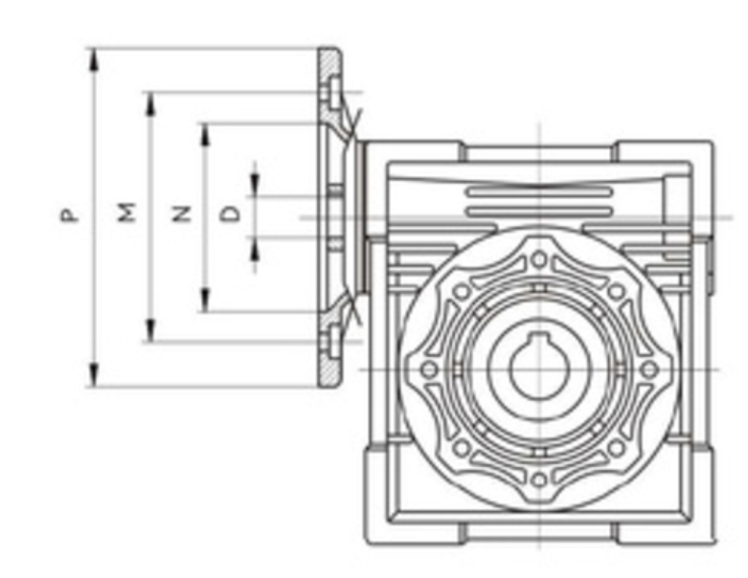
SRV040 | 50-100 | 56B5 | 0.09 | 2030 | 2122 | 2319 | 2418 |  | 56B5 |  |  | 165 | 161 | 161 | 179 | 197
SRV050 | 5-30 | 80B5 | 0.55,0.75 | 3050 | 3197 | 3483 | 3635 |  | 80B5 |  |  | 190 | 206 | 206 | 242 | 287
SRV050 | 5-30 | 80B14 | 0.55,0.75 | 3050 | 3197 | 3483 | 3635 |  | 80B14 |  |  | 190 | 206 | 206 | 242 | 287
SRV050 | 5-80 | 71B5 | 0.25 , 0.37 | 3000 | 3197 | 3438 | 3635 |  | 71B5 |  |  | 190 | 206 | 206 | 242 | 287
SRV050 | 5-80 | 71B14 | 0.25 , 0.37 | 3000 | 3197 | 3438 | 3635 |  | 71B14 |  |  | 190 | 206 | 206 | 242 | 287
SRV050 | 50-100 | 63B5 | 0.12 , 0.18 | 2980 | 3197 | 3420 | 3635 |  | 63B5 |  |  | 190 | 206 | 206 | 242 | 287
SRV063 | 5-40 | 90B5 | 1.1 , 1.5 | 3710 | 3895 | 4235 | 4423 |  | 90B5 |  |  | 280 | 260 | 260 | 287 | 313
SRV063 | 5-40 | 90B14 | 1.1 , 1.5 | 3710 | 3895 | 4235 | 4423 |  | 90B14 |  |  | 280 | 260 | 260 | 287 | 313
SRV063 | 5-80 | 80B5 | 0.55,0.75 | 3840 | 3895 | 4361 | 4423 |  | 80B5 |  |  | 280 | 260 | 260 | 287 | 313
SRV063 | 5-80 | 80B14 | 0.55,0.75 | 3840 | 3895 | 4361 | 4423 |  | 80B14 |  |  | 280 | 260 | 260 | 287 | 313
SRV063 | 50-100 | 71B5 | 0.25 , 0.37 | 3790 | 3895 | 4298 | 4423 | P , M , N , D ( mm ) | 71B5 |  |  | 280 | 260 | 260 | 287 | 313
SRV063 | 50-100 | 71B14 | 0.25 , 0.37 | 3790 | 3895 | 4298 | 4423 | 56B14 = 80 , 65 , 50 , 9 | 71B14 |  |  | 280 | 260 | 260 | 287 | 313
SRV075 | 5-15 | 100/112B5 | 2.2 , 3 , 4 | 5600 | 5757 | 6339 | 6501 | 56B5 = 120 , 100 , 80 , 9 | 100/112B5 |  |  | 520 | 304 | 304 | 313 | 349
SRV075 | 5-15 | 100/112B14 | 2.2 , 3 , 4 | 5600 | 5757 | 6339 | 6501 | 63B5 = 140 , 115 , 95 , 11 | 100/112B14 |  |  | 520 | 304 | 304 | 313 | 349
SRV075 | 5-40 | 90B5 | 1.1 , 1.5 | 5590 | 5757 | 6295 | 6501 | 63B14 = 90 , 75 , 60 , 11 | 90B5 |  |  | 520 | 304 | 304 | 313 | 349
SRV075 | 5-40 | 90B14 | 1.1 , 1.5 | 5590 | 5757 | 6295 | 6501 | 71B5 = 160 , 130 , 110 , 14 | 90B14 |  |  | 520 | 304 | 304 | 313 | 349
SRV075 | 20-100 | 80B5 | 0.55,0.75 | 5480 | 5757 | 6223 | 6501 | 71B14 = 105 , 85 , 70 , 14 | 80B5 |  |  | 520 | 304 | 304 | 313 | 349
SRV075 | 20-100 | 80B14 | 0.55,0.75 | 5480 | 5757 | 6223 | 6501 | 80B5 = 200 , 165 , 130 , 19 | 80B14 |  |  | 520 | 304 | 304 | 313 | 349
SRV090 | 5-50 | 100/112B5 | 2.2 , 3 , 4 | 7550 | 7987 | 8569 | 9008 | 80B14 = 120 , 100 , 80 , 19 | 100/112B5 |  |  | 590 | 519 | 519 | 466 | 519
SRV090 | 5-50 | 100/112B14 | 2.2 , 3 , 4 | 7550 | 7987 | 8569 | 9008 | 90B5 = 200 , 165 , 130 , 24 | 100/112B14 |  |  | 590 | 519 | 519 | 466 | 519
SRV090 | 5-60 | 90B5 | 1.1 , 1.5 | 7510 | 7987 | 8524 | 9008 | 90B14 = 140 , 115 , 95 , 24 | 90B5 |  |  | 590 | 519 | 519 | 466 | 519
SRV090 | 5-60 | 90B14 | 1.1 , 1.5 | 7510 | 7987 | 8524 | 9008 | 100/112B5 = 250 , 215 , 180 , 28 | 90B14 |  |  | 590 | 519 | 519 | 466 | 519
SRV090 | 40-100 | 80B5 | 0.55,0.75 | 7440 | 7987 | 8453 | 9008 | 100/112B14 = 160 , 130 , 110 , 28 | 80B5 |  |  | 590 | 519 | 519 | 466 | 519
SRV090 | 40-100 | 80B14 | 0.55,0.75 | 7440 | 7987 | 8453 | 9008 | 100/112B5 = 250 , 215 , 180 , 28 | 80B14 |  |  | 590 | 519 | 519 | 466 | 519
SRV110 | 5-20 | 132B5 | 5.5 , 7.5 | 12640 | 13082 | 14219 | 13082 | 132B5 = 300 , 265 , 230 , 38 | 132B5 |  |  | 860 | 1128 | 1128 | 609 | 663
SRV110 | 5-60 | 100/112B14 | 2.2 , 3 , 4 | 12300 | 13082 | 13888 | 13082 | 160B5 = 350 , 300 , 250 , 42 | 100/112B14 |  |  | 860 | 1128 | 1128 | 609 | 663
SRV110 | 25-100 | 90B5 | 1.1 , 1.5 | 12200 | 13082 | 13753 | 13082 |  | 90B5 |  |  | 860 | 1128 | 1128 | 609 | 663
SRV130 | 5-40 | 132B5 | 5.5 , 7.5 | 16200 | 16959 | 18212 | 19000 |  | 132B5 |  |  | 980 | 1522 | 1522 | 725 | 806
SRV130 | 25-100 | 100/112B14 | 2.2 , 3 , 4 | 15900 | 16959 | 17899 | 19000 |  | 100/112B14 |  |  | 980 | 1522 | 1522 | 725 | 806
SRV130 | 80-100 | 90B5 | 1.1 , 1.5 | 15800 | 16959 | 17810 | 19000 |  | 90B5 |  |  | 980 | 1522 | 1522 | 725 | 806
SRV150 | 5-20 | 160B5 | 11 , 15 | 24000 | 24588 | 26378 | 26880 |  | 160B5 |  |  | 1150 | 1522 | 1522 | 895 | 1048
SRV150 | 20-50 | 132B5 | 5.5 , 7.5 | 23900 | 24588 | 26110 | 26880 |  | 132B5 |  |  | 1150 | 1522 | 1522 | 895 | 1048
SRV150 | 50-100 | 100/112B14 | 2.2 , 3 , 4 | 23500 | 24588 | 25752 | 26880 |  | 100/112B14 |  |  | 1150 | 1522 | 1522 | 895 | 1048
Gear Type

SRV |  |  |  | SRVL |  |  |  | SRVS | SRVLS |  |  | Torque Arm
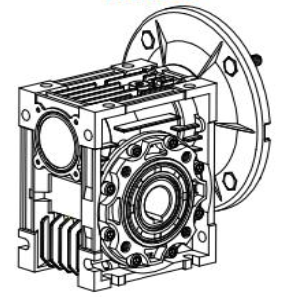 |  |  |  | 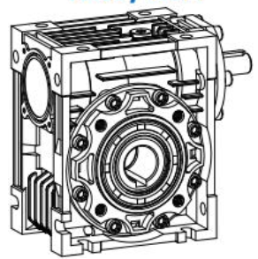 |  |  |  | 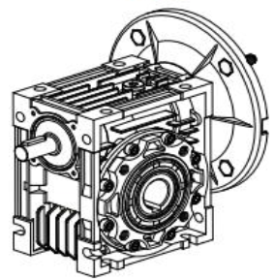 | 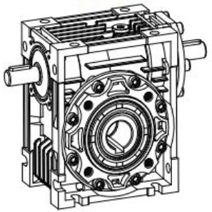 |  |  | 