Sheet1
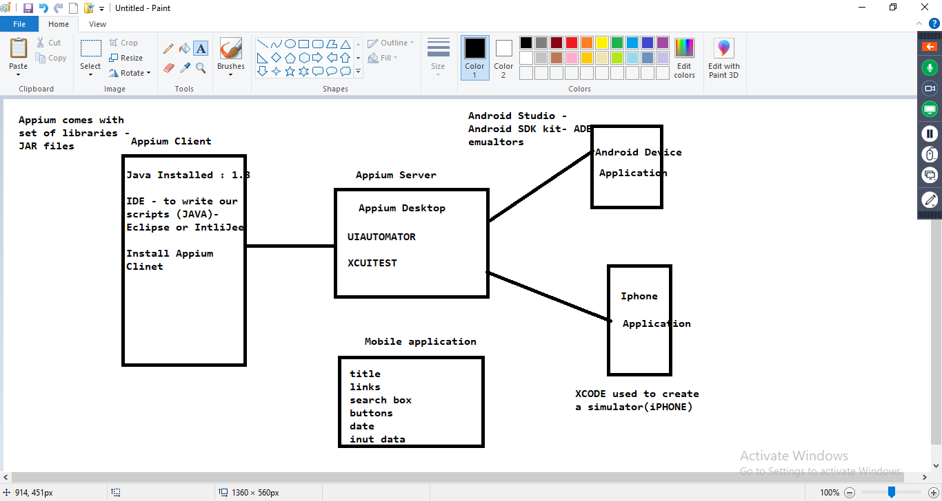
Gaming app - candy crush requirements for app: very interactive with customer performce to be very good speed - very good funcationity has to be Perfect, look and feel - very good built for Android and iOS online & offline - both modes |  | OFFERS app - requirements for app: good user experience performce can be good speed - good funcationity has to be Perfect, look and feel - very good built for Android and iOS together less cost, less time online | ecommerce - mycart.com just add a new server, so that customers can access it from mobile also from the browser of your device
 | Native | Hybrid | Web
 | they are very fast
 | Speed is very good | performance is good | Accing a web application from the browser of your device
 | very good user interface | good user interface
 | they can be downloaded from appstore or play store | they can be downloaded from appstore or play store | No downloads
 | Online and Offline | Online | Online
Beacuse when working with native we use Android native programing languages to build the application | Development and testing of Native application will be done seperatly for Android | these application can be built for oth android and Ios application
Beacuse when working with native we use swift , Object C, to build the iOS application | Development and testing of Native application will be done seperatly for iOS | Cross platform application
 | is expensive | very fast development
 | Time taking | less cost

 |  | NATIVE+WEB

