Descriptive stats-numeric
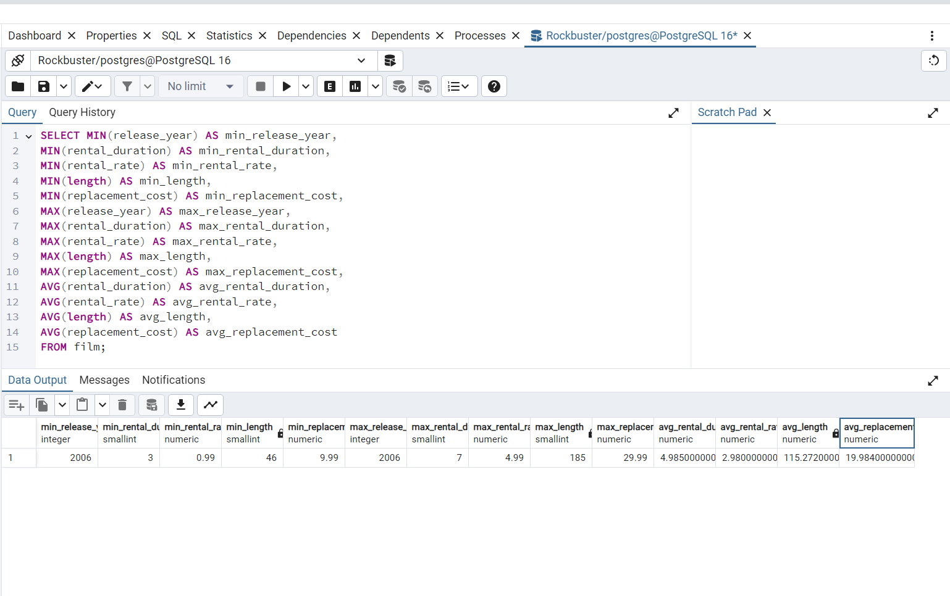
The results from step 2 of task 3.6

FILM

SELECT MIN(release_year) AS min_release_year,
MIN(rental_duration) AS min_rental_duration, | CUSTOMER
MIN(rental_rate) AS min_rental_rate, | NUMERIC-The customer table doesn’t include any numeric data.
MIN(length) AS min_length,
MIN (replacement_cost) AS min_replacement_cost,
MAX(release_year) AS max_release_year,
MAX(rental_duration) AS max_rental_duration,
MAX (rental_rate) AS max_rental_rate,
MAX(length) AS max_length,
MAX(replacement_cost) AS max_replacement_cost,
AVG(rental_duration) AS avg_rental_duration,
AVG(rental_rate) AS avg_rental_rate,
AVG(length) AS avg_rental_length,
AVG(replacement_cost) AS avg_replacement_cost
FROM film;

Non-numeric
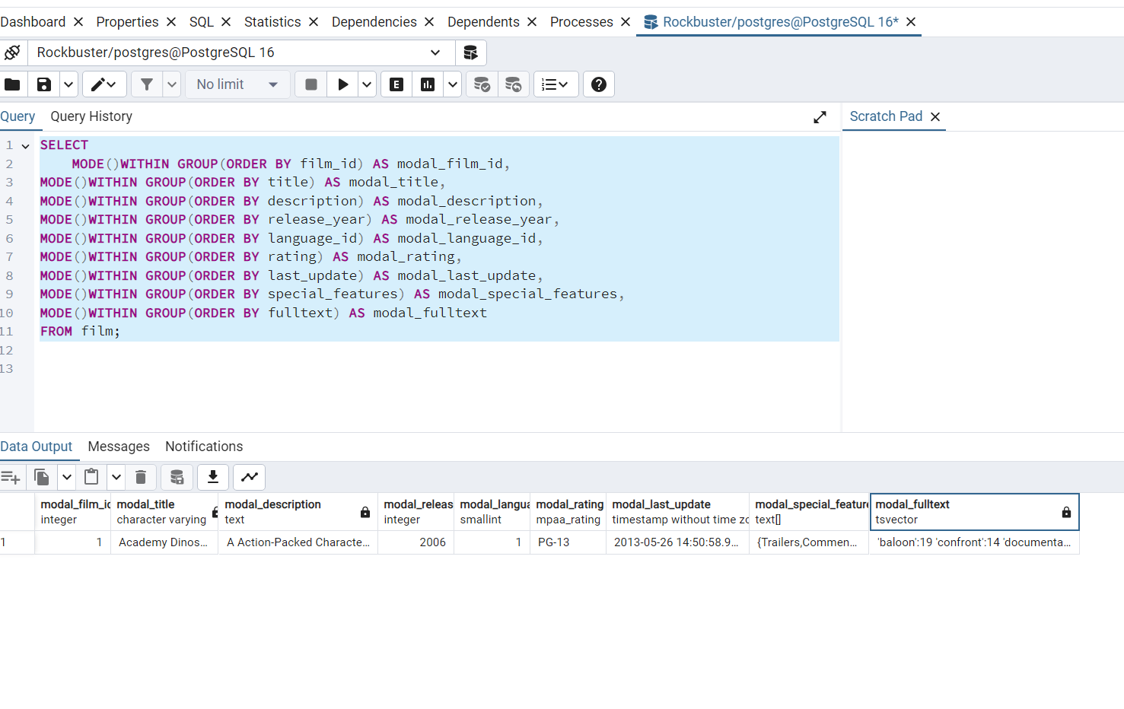
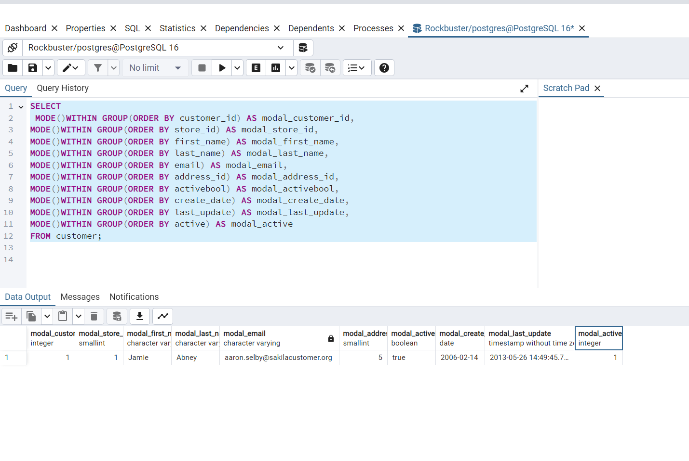
Non-numeric
FILM | Customer

Top10countries
num_of_cust | country
60 | India
53 | China
36 | United States
31 | Japan
30 | Mexico
28 | Brazil
28 | Russian Federation
20 | Philippines
15 | Turkey
14 | Indonesia

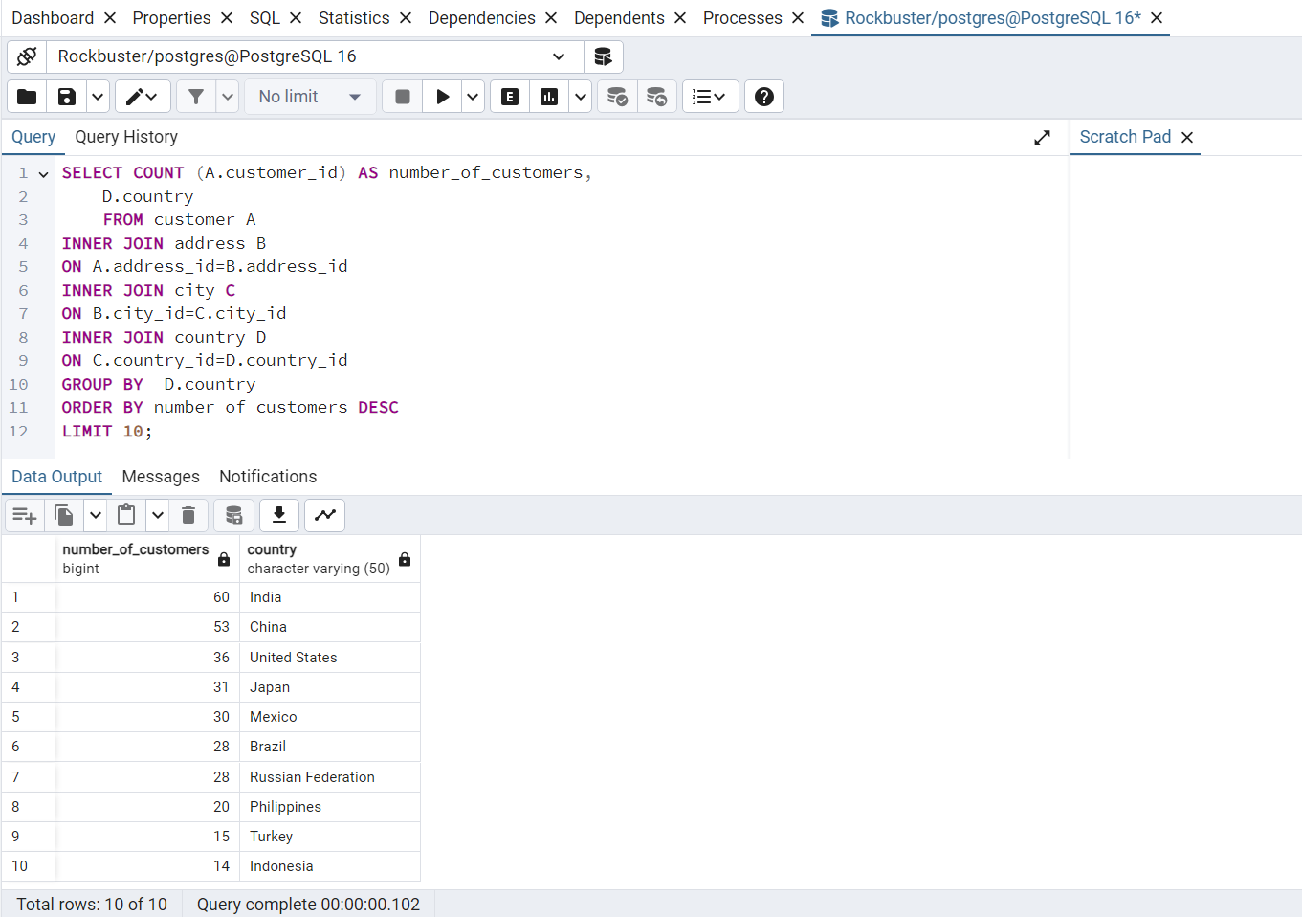
 |  | QUERY
 |  | SELECT COUNT(A.customer_id)AS num_of_cust,D.country
 |  | FROM customer A
 |  | INNER JOIN address B
 |  | ON A.address_id=B.address_id
 |  | INNER JOIN city C
 |  | ON B.city_id=C.city_id
 |  | INNER JOIN country D
 |  | ON C.country_id=D.country_id
 |  | GROUP BY D.country
 |  | ORDER BY num_of_cust DESC
 |  | LIMIT 10;

Top10cities
count_of_customer | city | country
2 | Aurora | United States
1 | Atlixco | Mexico
1 | Xintai | China
1 | Adoni | India
1 | Dhule (Dhulia) | India
1 | Kurashiki | Japan
1 | Pingxiang | China
1 | Sivas | Turkey
1 | Celaya | Mexico
1 | So Leopoldo | Brazil

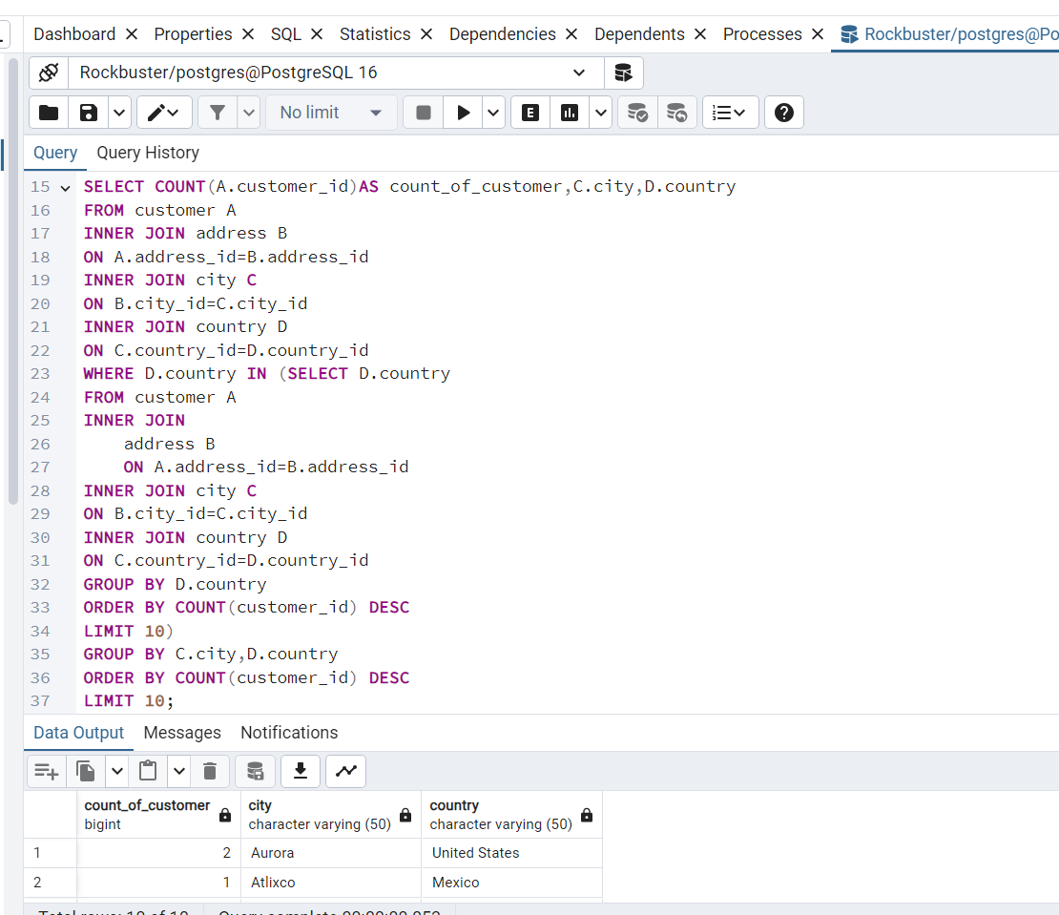
 |  |  | QUERY

 |  |  | SELECT COUNT(A.customer_id)AS count_of_customer,C.city,D.country
 |  |  | FROM customer A
 |  |  | INNER JOIN address B
 |  |  | ON A.address_id=B.address_id
 |  |  | INNER JOIN city C
 |  |  | ON B.city_id=C.city_id
 |  |  | INNER JOIN country D
 |  |  | ON C.country_id=D.country_id
 |  |  | WHERE D.country IN (SELECT D.country
 |  |  | FROM customer A
 |  |  | INNER JOIN address B
 |  |  | ON A.address_id=B.address_id
 |  |  | INNER JOIN city C
 |  |  | ON B.city_id=C.city_id
 |  |  | INNER JOIN country D
 |  |  | ON C.country_id=D.country_id
 |  |  | GROUP BY D.country
 |  |  | ORDER BY COUNT(customer_id)DESC
 |  |  | LIMIT 10)
 |  |  | GROUP BY C.city,D.country
 |  |  | ORDER BY COUNT(customer_id)DESC
 |  |  | LIMIT 10;

Top5customer
total_amount_paid | customer_id | first_name | last_name | city | country
12870 | 84 | Sara | Perry | Atlixco | Mexico
10875 | 518 | Gabriel | Harder | Sivas | Turkey
10276 | 587 | Sergio | Stanfield | Celaya | Mexico
9876 | 537 | Clinton | Buford | Aurora | United States
9780 | 367 | Adam | Gooch | Adoni | India

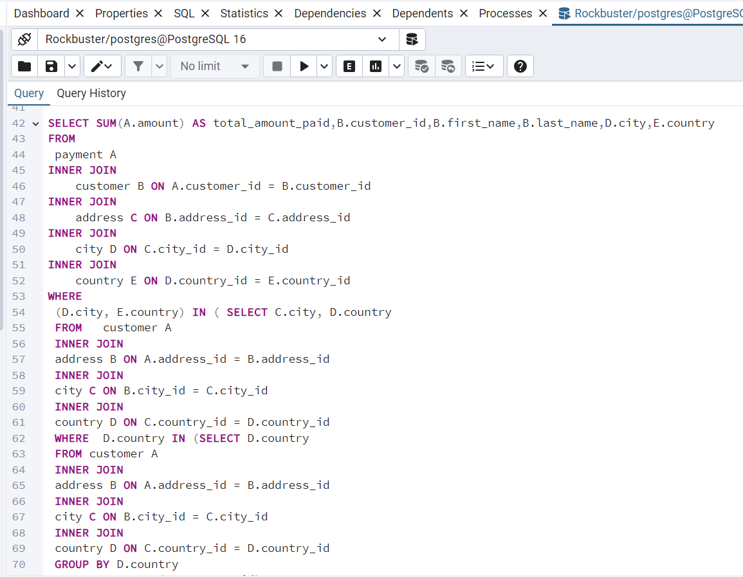

 |  |  |  |  |  | QUERY
 |  |  |  |  |  | SELECT SUM(A.amount) AS total_amount_paid, B.customer_id, B.first_name, B.last_name, D.city, E.country
 |  |  |  |  |  | FROM payment A
 |  |  |  |  |  | INNER JOIN customer B ON A.customer_id = B.customer_id
 |  |  |  |  |  | INNER JOIN address C ON B.address_id = C.address_id
 |  |  |  |  |  | INNER JOIN city D ON C.city_id = D.city_id
 |  |  |  |  |  | INNER JOIN country E ON D.country_id = E.country_id
 |  |  |  |  |  | WHERE (D.city,E.country) IN
 |  |  |  |  |  | (SELECT C.city,D.country
 |  |  |  |  |  | FROM customer A
 |  |  |  |  |  | INNER JOIN address B
 |  |  |  |  |  | ON A.address_id=B.address_id
 |  |  |  |  |  | INNER JOIN city C
 |  |  |  |  |  | ON B.city_id=C.city_id
 |  |  |  |  |  | INNER JOIN country D
 |  |  |  |  |  | ON C.country_id=D.country_id
 |  |  |  |  |  | WHERE D.country IN (SELECT D.country
 |  |  |  |  |  | FROM customer A
 |  |  |  |  |  | INNER JOIN address B
 |  |  |  |  |  | ON A.address_id=B.address_id
 |  |  |  |  |  | INNER JOIN city C
 |  |  |  |  |  | ON B.city_id=C.city_id
 |  |  |  |  |  | INNER JOIN country D
 |  |  |  |  |  | ON C.country_id=D.country_id
 |  |  |  |  |  | GROUP BY D.country
 |  |  |  |  |  | ORDER BY COUNT(A.customer_id)DESC
 |  |  |  |  |  | LIMIT 10)
 |  |  |  |  |  | GROUP BY C.city,D.country
 |  |  |  |  |  | ORDER BY COUNT(A.customer_id)DESC
 |  |  |  |  |  | LIMIT 10)
 |  |  |  |  |  | GROUP BY
 |  |  |  |  |  | D.city,
 |  |  |  |  |  | E.country,
 |  |  |  |  |  | B.customer_id,
 |  |  |  |  |  | B.first_name,
 |  |  |  |  |  | B.last_name
 |  |  |  |  |  | ORDER BY
 |  |  |  |  |  | total_amount_paid DESC
 |  |  |  |  |  | LIMIT 5;

summary stats



TOTAL REVENUE | TOTAL CUSTOMERS | TOTAL COUNTRIES | MIN and MAX Rental dutaion,AVG Rental_rate
SELECT SUM(amount) | SELECT COUNT(customer_id) | SELECT COUNT(DISTINCT country) | SELECT MIN(rental_duration) AS min_rental_duration,
FROM payment; | FROM customer; | FROM country; | MAX(rental_duration) AS max_rental_duration,
 |  |  | AVG(rental_duration)AS avg_rental_duration,
 |  |  | AVG(rental_rate) AS avg_rental_rate
 |  |  | FROM film;

