Workflow1
Name | Time per Task (seconds) | Quality (%)
Charlie | 1.5 | 91.4 |  | 1.Calculate the average TPT and average Quality score for workflow1
Indu | 1.6 | 92.9 | Ans=> | TPT average for workflow1 is 2.12.
Prajwal | 1.7 | 92.5 |  | Quality average for workflow1 is 91.32571429
Vimla | 0.9 | 87
Amit | 2.2 | 92.5 |  | 2Calculate the standard deviation of TPT and Quality score for workflow1
Binny | 0.7 | 85 | Ans=> | TPT standard deviation for workflow1 is 0.766504672
Pradyut | 2.3 | 91.6 |  | Quality standard deviation for workflow1 is 2.682003515
Diwakar | 0.6 | 96
Amrit | 1.2 | 92.9 |  | 3.Which workflow has larger standard deviation in respect to TPT?
Debdas | 1.2 | 92.5 | Ans=> | Workflow 1 has largest standard deviation.
Anika | 1.4 | 91.5
Haritha | 1.4 | 91.7 |  | 4.what is Standard deviation of Quality for both workflows
Dhanya | 1.6 | 92.3 | Ans=> | Workflow1 | Workflow2
Venkat | 1.7 | 91.7 |  | 2.682003515 | 0.411085875
Afzal | 2.2 | 92.1
Prachi | 2.2 | 92.1 |  | 5.Prepare Histogram for TPT against both the workflows
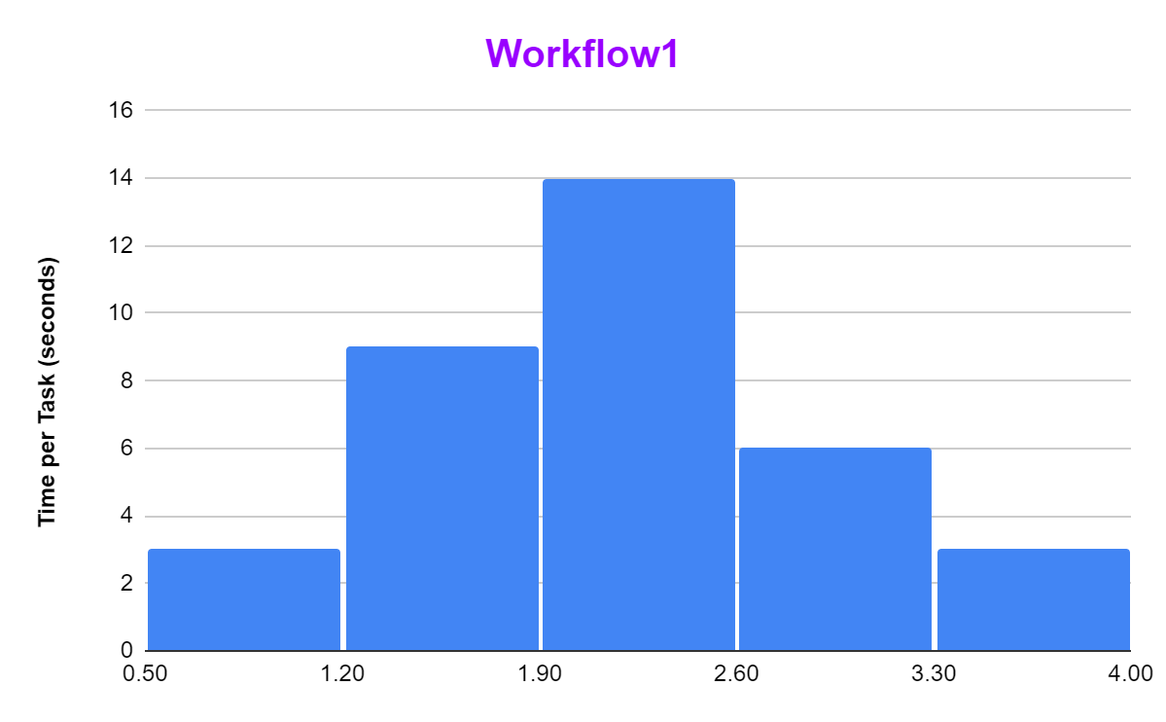
Anushka | 2.2 | 85 | Ans=>
Firoza | 2.3 | 92.1
Mange | 2.1 | 92.6
Vimal | 2.3 | 92.6
Dipa | 2.3 | 92.2
Anand | 2.4 | 93.8
Gopal | 1.9 | 91.9
Vijay | 1.9 | 92.3
Preetha | 2.2 | 92
Nupur | 2.2 | 91.8
Neha | 3.2 | 92.2
Deepa | 2.7 | 92
Aniket | 3.2 | 91.9
Dhruti | 2.7 | 92.4
Wasim | 3.4 | 91.8
Arohi | 2.9 | 92.7
Vinay | 2.8 | 92.4
Praveen | 3.6 | 85 |  | 6.Prepare Scatter Plot for TPT vs. Quality for both the workflows
TPT vs. Quality
Biju | 3.5 | 84 | Ans=>
AVERAGE => | 2.12 | 91.325714286
STANDARD DEVIATION => | 0.76650467172 | 2.6820035155

Workflow2
Name | Time per Task (seconds) | Quality (%)
Anand | 2.1 | 91.8 |  | 1.Calculate the average TPT and average Quality score for workflow2
Amit | 2.5 | 91.7 | Ans=> | TPT average for workflow2 is 2.12.
Aniket | 2.2 | 92.1 |  | Quality average for workflow2 is 92.057143
Afzal | 2.3 | 92.6
Arohi | 2 | 91.5 |  | 2.Calculate the standard deviation of TPT and Quality score for workflow2
Anika | 1.9 | 91.9 | Ans=> | TPT standard deviation for workflow2 is 0.252982213
Anushka | 2.3 | 92.7 |  | Quality standard deviation for workflow2 is 0.4110859
Amrit | 2.2 | 91.4
Biju | 1.6 | 92.2 |  | 5.Prepare Histogram for TPT against both the workflows
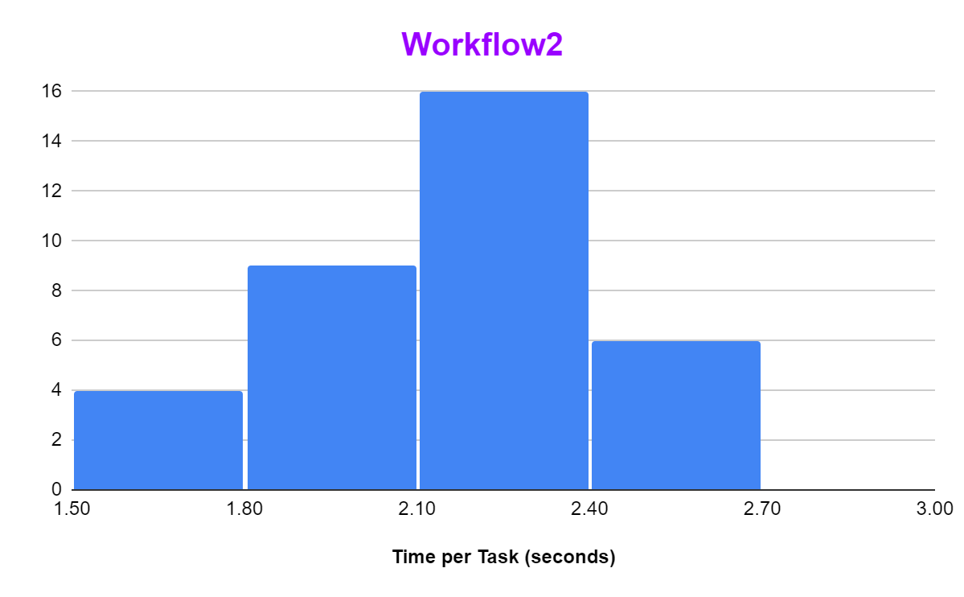
Binny | 1.9 | 92 | Ans=>
Charlie | 2.3 | 92.3
Dipa | 2.6 | 91.9
Deepa | 2.2 | 92.4
Diwakar | 2.4 | 92.6
Dhruti | 2.3 | 91.7
Dhanya | 2.2 | 92.5
Firoza | 2.4 | 91.8
Gopal | 1.9 | 92.7
Debdas | 2.5 | 91.4
Haritha | 2.2 | 91.9
Indu | 2.2 | 92.5
Mange | 2.1 | 92.2
Nupur | 1.7 | 91.6
Neha | 2.2 | 92.3
Praveen | 2 | 92
Pradyut | 1.8 | 91.8
Prajwal | 1.7 | 92.4 |  | 6.Prepare Scatter Plot for TPT vs. Quality for both the workflows
TPT vs. Quality
Prachi | 2.3 | 92.1 | Ans=>
Preetha | 2.4 | 91.7
Wasim | 2 | 92.6
Vinay | 2.2 | 91.5
Vijay | 1.8 | 91.9
Venkat | 2.1 | 92.7
Vimla | 1.7 | 91.4
Vimal | 2 | 92.2
AVERAGE => | 2.12 | 92.057142857
STANDARD DEVIATION => | 0.25298221281 | 0.41108587502

