临时避难所


美舍花园商务酒店无条件接待被困群众和求援队伍，因为洪灾，布草公司无法接单，现有床有水有电无被褥 需要的朋友可以联系前台0373-3337777或者19837315351 因为信号网络问题可能有时打不通请耐心联络。 位置：中原路劳动路交叉口西100米
新乡市红旗区世青国际学校党支部召集学校党员老师积极行动义务为各地支援新乡抗灾救援队服务，即日起开放校园作为救援队休息点!我校可提供床位700余张，有水电、24小时热水。 地址:新乡市红旗区牧野路向阳路交叉口北200米路东。导航搜索新乡市红旗区世青国际学校南校区。联系人:李主任18637279289张书记18937346588黄主席13598651521
新乡市辅豫实验高级中学(新乡市二中东校区)即日起开放校园接收临时受灾群众!我校可提供床位3000余张，有水电，供应一日三餐。需要的广大群众请携带身份证或户口本前来!联系人:梁老师13837376600孙老师18625917137
新乡市辅豫实验高级中学(新乡市二中东校区)即日起开放校园接收临时受灾群众!我校可提供床位3000余张,有水电,供应一日三餐。需要的群众请携带身份证或户口本前来。地址:新乡县古固寨镇新延路北侧辅豫实验高级中学。导航搜索辅豫高中或二中东校区联系人:梁老师13837376600孙老师18625917137
新乡市第十一中学，在凤泉区市场东街66号。学校没网，如果有救援人员入住学校，可以安排一部分，目前有水有电。十一中赵国斌，13938736364。请大家转发！
新乡市中级人民法院为周边群众提供充电、饮水等便民服务，如有需求和需要救助事项，请前往新乡中院，新乡中院提供全力帮助
新乡市教育局提供以下群众安置点需要的请直接联系

求救电话
序号 | 救援信息 | 电话 | 电话备注 | 补充信息
1 | 有皮划艇，有双人划艇，20艘，有救生衣100件 电话 13525359532 | 13525359532 | 11：45打电话已关机 | 荥阳救援队现已到新乡，有需要的请联系15303574647已有人核实！ |  | 11：42打电话已关机
2 | 🆘有多辆16吨随车吊🆘 |  |  | 目前附近各地的救援队都在往新乡赶，已经下高速，相信新乡的各地会得到救援的
3 | 需要道路救援的随时打电话13071085333免费救援
4 | 唐山车友带领28台越野车和船以及救援物资，预计11点到新乡，新乡需要救援的请联系唐山FZ救援队 | 电话：17332810059 |  | 已经核实
5
6 | 新乡目前暴雨，救援电话 扩🎙️ |  |  | 武汉市微光救援队9人配80立方物资，凌晨五点到新乡，水，食品，大量救生衣，大量救生绳，大量救生圈，医疗用品大量抽水泵四台，发电机四台【一台救援热成像仪】
7 | 新乡市应急救援协会24h义务救援电话: | 15527238820 |  | 需要联系：15527238820 | 11：36打电话已关机
8 | 新乡市应急救援协会: | 0373-3389958 |  | 已有人核实
9 | 新乡市蓝天救援队: | 17303739958 |  | 皮划艇，双人划艇20艘，有救生衣100件，电话13525359532
10 | 新乡市退役军人救援队: | 13525022282
11 | 有多辆16吨随⻋吊，需要道路救援的随时打电话:13071085333，免费救援! | 13071085333
12 | 雷风救援队:
13 | 卫辉大队:0373-4425119 15670444499 | 0373-4425119 15670444499 |  | 有现成的20万条防汛袋子，哪个部门需要用与韩先生联系，电话：18838213691
14 | 古固寨大队:13837393450 | 13837393450
15 | 获嘉大队：0373-4699958 17737271195 | 0373-4699958 17737271195 |  | 新乡南环位置有铲车，可以救援，需要帮忙请打电话 17513258424
16 | 原阳大队:13462396702 | 13462396702
17 | 退伍军人救援车辆一台 | 18738335009 |  | 两名退伍军人，有救援车辆一台，可救被淹没车辆和户外被水困住的群众，免费救援电话：18738335009
18 | 斑马救援队:
19 | 市区大队:0373-8389958 13781979369 | 0373-8389958 13781979369 |  | 需要物资的医院请联系 18510976288
20 | 卫辉大队:0373-4426119 13333804449 | 0373-4426119 13333804449
21 | 获嘉大队:0373-4596119 13333730006 | 0373-4596119 13333730006 |  | 救生艇，物资，雨衣，雨鞋。物资多！急扩散❗️❗️❗️ 如有急需物资可以尽快联系我，水10000、食品（米10000、挂面5000、方便面10000、食用油5000）、帐篷3000，被褥5000、生活用品（胶鞋、雨伞、床、手电筒、雨衣）、急救包5000、消毒液10000 电话：赵书剑13526431688
22 | 延津大队:0373-7888119 18530218079 | 0373-7888119 18530218079
23 | 长垣大队:0373-8889119 13569429900 | 0373-8889119 13569429900 |  | 【山东临沂救援队已到达新乡救援】山东临沂救援队目前已到达新乡开展救援，20个人，8辆车，携带有摩托艇，涉水车辆如需救援可拨打救援电话：18669994585。 ​​​
24 | 封丘大队:0373-8559958 13346685444 | 0373-8559958 13346685444 |  | 朱18380288015 100台大型抽水设备
25 | 辉县大队:0373-5988119 13937383413 | 0373-5988119 13937383413 |  | 18595720999提供抽水泵，两辆挖机临工210以及15桶大桶水和80桶饮用水
26 | 大型柴油发电机组和汽油发电机组和汽油机水泵 | 15238686665，15238693561 |  | 大型柴油发电机组和汽油发电机组和汽油机水泵 电话15238686665，15238693561
27 | 电瓶船20只 | 18240699300 |  | 转发：电瓶船20只，有需要的单位，可以直接联系18240699300，希望大家转发，让需要的人看到，船在新乡市，免费使用，免费使用！
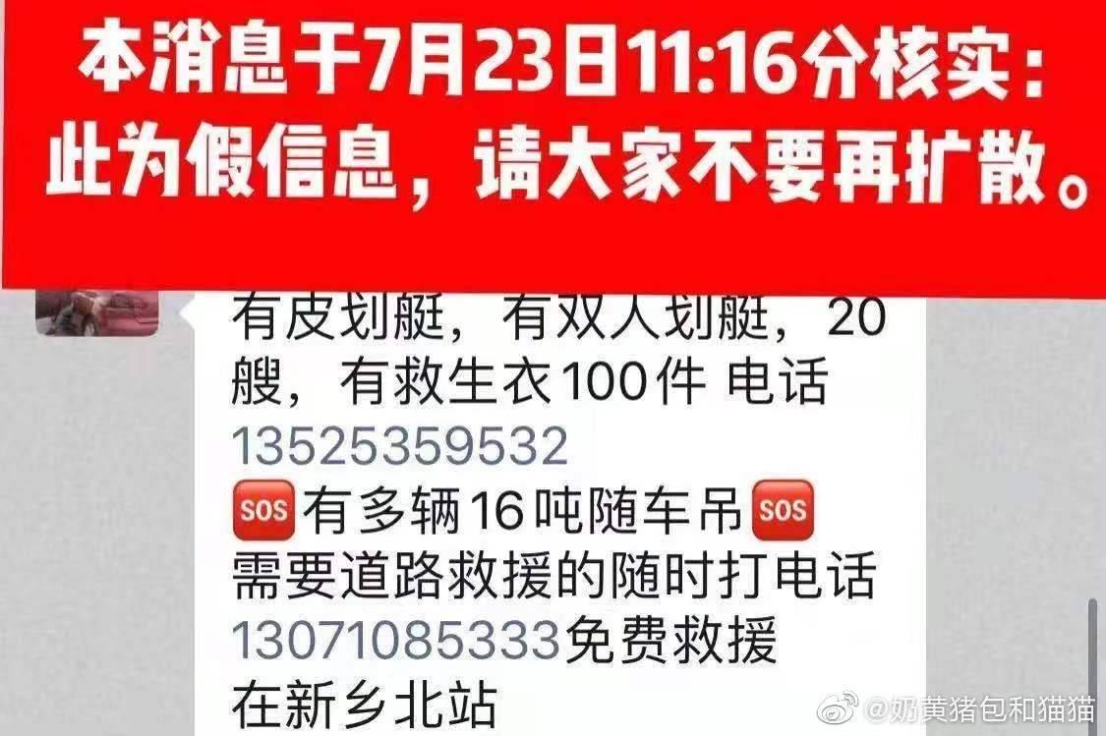
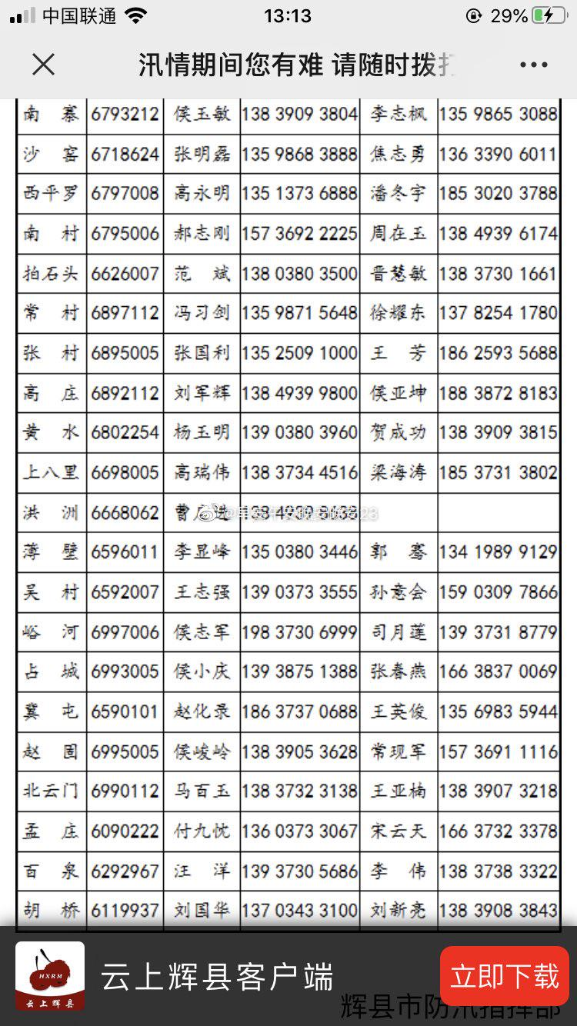
28 | 紧急救助地图 | https://yongding.changxingchuyou.com/play/sVNxrA3g?sl=22&suid=c3t6fcf1kq8qqel21es0

