疊構
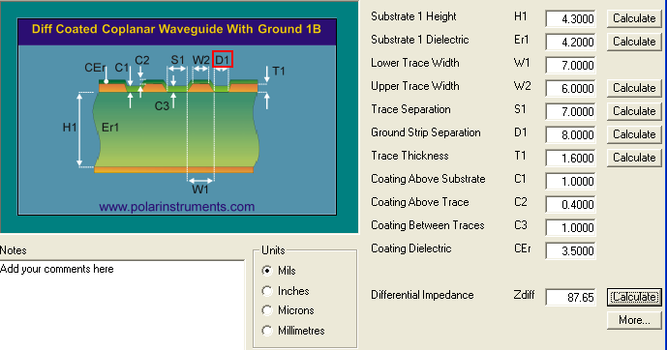
1.6±0.15mm
CORE
2116 (NORL) X1
2116 (NORMAL) X1
2116 (NORMAL) X1
2116 (NORMAL) X1
4.4mil
4.4mil
4.4mil
4.4mil
TopLayer Cooper
(Gound plane)
(Power plane)
Inner 2 Layer Cooper trace 1
Inner 1 Layer Cooper trace 1
1 OZ. ≒1.2mil
0.5 OZ. ≒0.6mil
0.5 OZ. ≒0.6mil
0.5OZ. ≒0.6mil
0.5 OZ. ≒0.6mil
1 OZ. ≒1.2mil
 | 層數描述 | 疊構設計 | 各層厚度及銅厚(mil) | er
Solder Mask |  |  | 0.4 | 3.5
Layer 1 | TOP | 0.5oz+Plating | 1.6
Prepreg |  |  | 4.3 | 4.2
Layer 2 | GND | 1.0oz | 1.2
Core |  | 1.2 MM | 44.44 | 4.4
Layer 3 | POWER | 1.0oz | 1.2
Bottom Layer Cooper
Prepreg |  |  | 4.3 | 4.2
Layer 4 | BOT | 0.5oz+Plating | 1.6
Solder Mask |  |  | 0.4 | 3.5
理論成品板厚 : 1.6MM+/-10%

L1&L4--7MIL--50 OHM
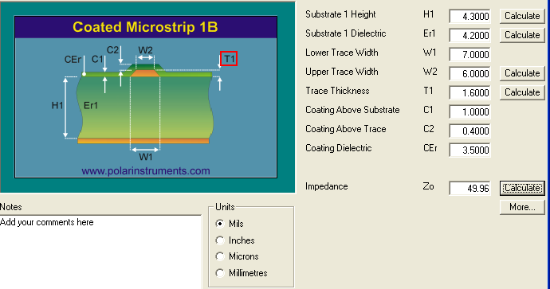

L1&L4--5/6/5--100 OHM
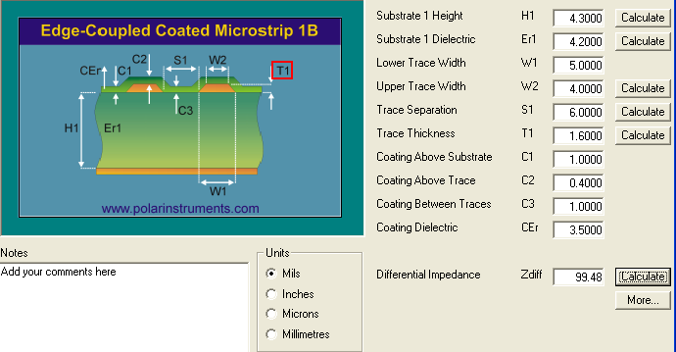

L1&L4--7/7/7--90 OHM


L1&L4-- 8-7-8---50 OHM
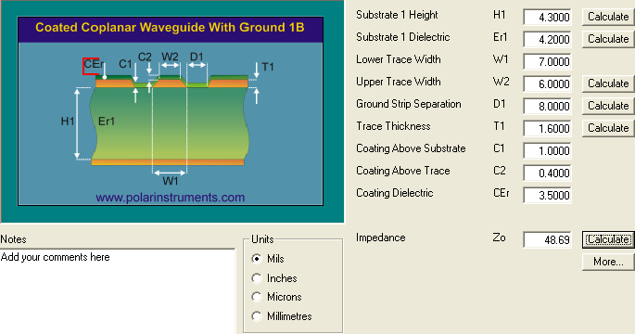

L1&L4--8/5/6/5/8--100 OHM


L1&L4--8/7/7/7/8--90 OHM

