Tabelle1
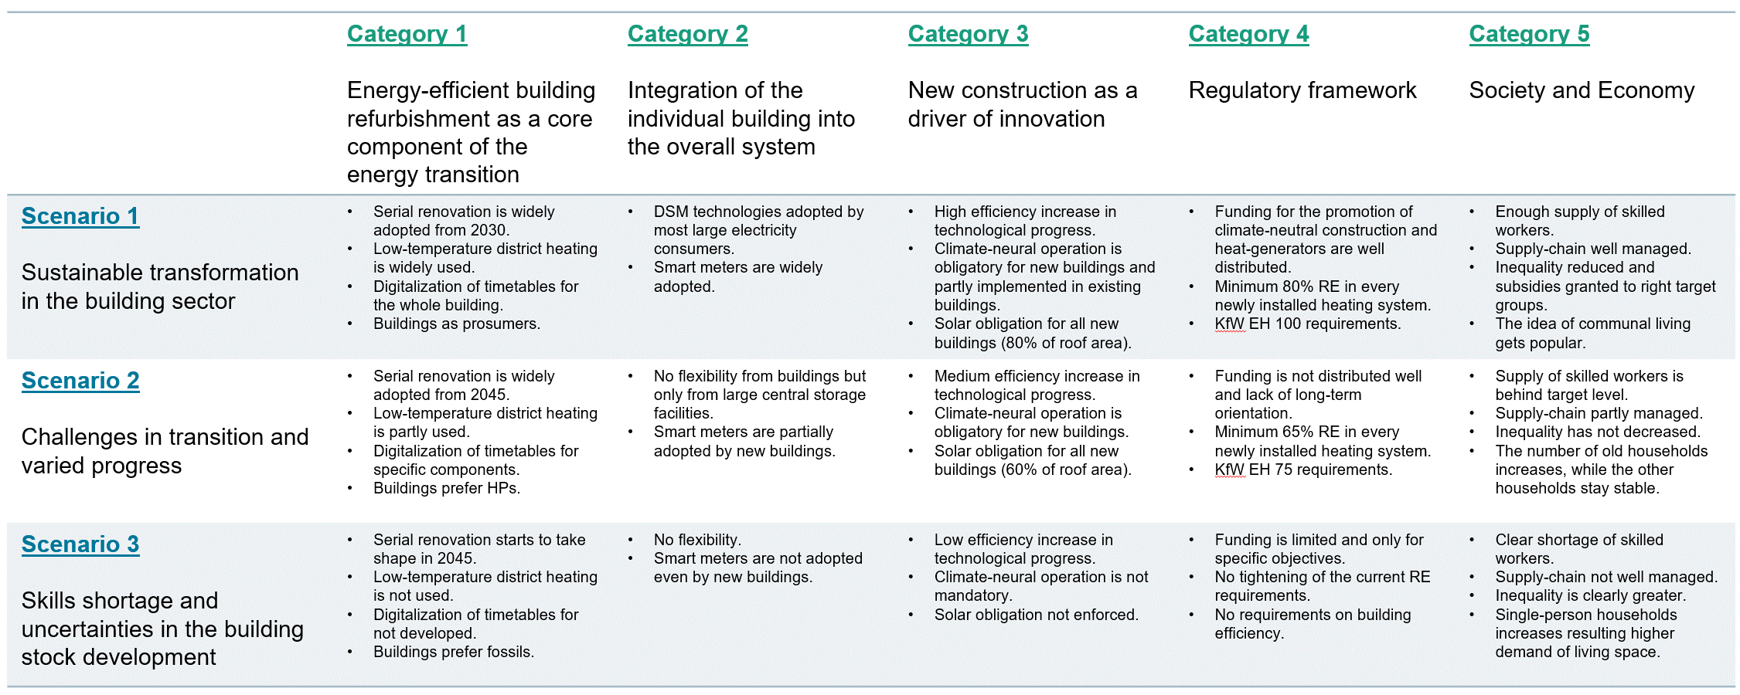
 | Table Name | id_scenario |  |  | open point
 |  | 10 (A) | 20 (B) | 30 (C)
Already scenario-dependent | Profile_ApplianceElectricity.xlsx
 | Profile_BuildingOccupancy.xlsx
 | Profile_HotWater.xlsx
 | Scenario_BuildingComponent_Availability.xlsx | 5 years earlier than 1 for everything (after 2025) | same as 1 | 5 years later than 1 for everything (after 2025)
 | Scenario_EndUseDemand_Appliance.xlsx
 | Scenario_EndUseDemand_HotWater.xlsx
 | Scenario_EnergyCarrier_EmissionFactor.xlsx | same as 1 | same as 1 | same as 1
 | Scenario_EnergyCarrier_Price_CO2Emission.xlsx | same as "BEHG" | average of 10 & 30 after 2026 | same as 1
 | Scenario_EnergyCarrier_Price_MarkUp.xlsx | same as 1 | same as 1 | same as 1
 | Scenario_EnergyCarrier_Price_TaxRate.xlsx | same as 1 | same as 1 | same as 1
 | Scenario_EnergyCarrier_Price_Wholesale.xlsx | same as 1 | same as 1 | same as 1
 | Scenario_HeatingSystem_MinimumRenewablePercentage.xlsx | 80% after 2025 | 65% after 2025 | 65% after 2025 | not fully effective for now as we don't have complicated combinations of fossil and renewable heating technologies. for now, we only have solar thermal and electric heater that decides the RE share and they are usually not very large to make the total share reach above 50%
 | Scenario_HeatingTechnology_Availability.xlsx | no fossil boilers allowed after 2025 | no fossil boilers allowed after 2035 | no fossil boilers allowed after 2045
 | Scenario_Infrastructure_Availability_DistrictHeating.xlsx | 25% DH expansion after 2035 (everywhere where there is existing DH network) | 10% DH expansion after 2035 (everywhere where there is existing DH network) | no expansion (only densification potential similar to the base of other scenarios)
 | Scenario_Infrastructure_Availability_Gas.xlsx | same as 1 | same as 1 | same as 1
 | Scenario_Infrastructure_Availability_Hydrogen.xlsx | same as 1 | same as 1 | same as 1
 | Scenario_Renovation_MaximumHeatingIntensity.xlsx | not applicable | not applicable | not applicable
 | Scenario_Subsidy_BuildingRenovation.xlsx | 75% (after 2025 for classes 1-4, 50% for classes 5-6, 25% for classes 7-8) | 50% (after 2025 for classes 1-6, 25% for classes 7-8) | 25% (after 2025 for classes 1-8) | it should be dependent on action type (i.e. conventional and serial) --> if we want to push for more serial renovation and the costs for serial renovation are higher, this might be the only lever to increase serial renovation + the master thesis student said that there are 15% additional subsidies for serial renovation anyway
 | Scenario_Subsidy_HeatingModernization.xlsx | 60% for HP and solar thermal (after 2025) | 45% for HP and solar thermal (after 2025) | 30% for HP and solar thermal (after 2025)
 | Scenario_HeatingTechnology_EfficiencyCoefficient.xlsx | ambitious efficiency increase | medium efficiency increase | same as 1 | only for heat pumps
made scenario-dependent, with code changes (19.08.2024) | Scenario_BuildingComponent_Cost_Material.xlsx | 10% lower than 1 (after 2030, gradual decrease from 2025 to 2030) | same as 1 | 10% higher than 1 (after 2030, gradual increase from 2025 to 2030) | for id_action = 1&2
 |  | 50% higher than conventional until 2025, gradually lowering to 30% higher after 2030 | 50% higher than conventional until 2025, gradually lowering to 40% higher after 2030 | 50% higher than conventional | for id_action = 3
 | Scenario_BuildingComponent_Input_Labor.xlsx | 50% lower than conventional (id_building_action=2) after 2025 | 35% lower than conventional (id_building_action=2) after 2025 | 20% lower than conventional (id_building_action=2) after 2025 | make sure serial renovation is not available since 1900? --> yes, in code, historic renovation can happen only by conventional. only for future, serial renovation is an option. | additionally, we can also make the availability table 0 for action_type=3 until 2024.
 | Scenario_Construction_MandatoryRenewableHeating.xlsx | mandatory after 2025 | mandatory after 2025 | not mandatory | fixed typo in table name
 | Scenario_Construction_PVAdoptionRate.xlsx | mandatory after 2025 | mandatory after 2025 | not mandatory
 | Scenario_PV_PenetrationRate.xlsx | 80% by 2050 | 50% by 2050 | 25% by 2050
 | Scenario_PV_SelfConsumptionRate.xlsx | 50% | 30% | 15% | check FLEX-Summary file from Songmin for plausible rates
make scenario-dependent | Scenario_UnitUser.xlsx | increasing type 2 and 5, and reducing single-person households (1) at the same time. | same as 1 | increasing single-person households (1) and reducing type 2 and 5 at the same time. | make sure total population is consistent | is this relevant for living space as described in Category 5 (--> increasing single-person households and thus, higher demand of living space)? and/or, should I increase Scenario_Building_UnitArea in parallel?
 | Scenario_EndUseDemand_Appliance.xlsx | ambitious efficiency increase | medium efficiency increase | same as 1 | also vary the non-electricity energy carriers demand by ambition level of scenario
 | Scenario_Radiator.xlsx | ? | ? | ? | to be decided | check again if there is any data. if not, and if we still want to include conclusions about low-temp DH readiness, we could show our assumptions and say that there is no historic data, but these are our assumptions.
 | Scenario_Radiator_Availability.xlsx | ? | ? | ? | to be decided
 | Scenario_Radiator_Cost_Labor.xlsx |  |  |  | to be developed
 | Scenario_Radiator_Cost_Material.xlsx |  |  |  | to be developed
 | Scenario_Radiator_Input_Labor.xlsx |  |  |  | to be developed
 | Parameter_Building_SupplyTemperature.xlsx |  |  |  | to be developed
 | Parameter_HeatingTechnology_SupplyTemperatureEfficiencyAdjustment.xlsx |  |  |  | not considered for RokiG

