Tabelle1
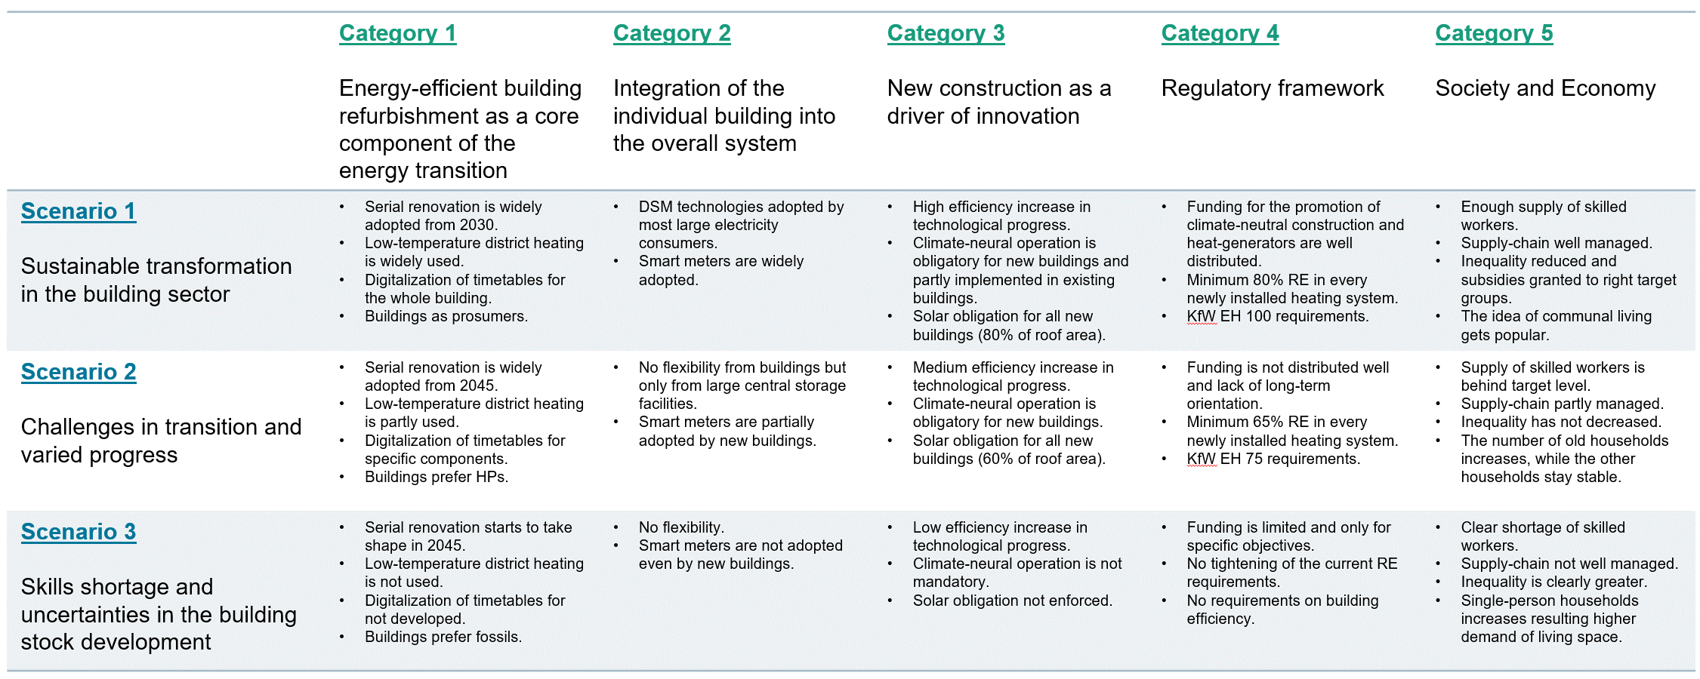
 | Table Name | id_scenario |  |  | open point
 |  | 10 (A) | 20 (B) | 30 (C)
Already scenario-dependent | Profile_ApplianceElectricity.xlsx
 | Profile_BuildingOccupancy.xlsx
 | Profile_HotWater.xlsx
 | Scenario_BuildingComponent_Availability.xlsx | 5 years earlier than 1 for everything (after 2025) | same as 1 | 5 years later than 1 for everything (after 2025)
 | Scenario_EndUseDemand_Appliance.xlsx
 | Scenario_EndUseDemand_HotWater.xlsx
 | Scenario_EnergyCarrier_EmissionFactor.xlsx | same as 1 | same as 1 | same as 1
 | Scenario_EnergyCarrier_Price_CO2Emission.xlsx | same as "BEHG" | average of 10 & 30 after 2026 | same as 1
 | Scenario_EnergyCarrier_Price_MarkUp.xlsx | same as 1 | same as 1 | same as 1
 | Scenario_EnergyCarrier_Price_TaxRate.xlsx | same as 1 | same as 1 | same as 1
 | Scenario_EnergyCarrier_Price_Wholesale.xlsx | same as 1 | same as 1 | same as 1
 | Scenario_HeatingSystem_MinimumRenewablePercentage.xlsx | 80% after 2025 | 65% after 2025 | 65% after 2025
 | Scenario_HeatingTechnology_Availability.xlsx | no oil boilers allowed after 2025, no (natural) gas boilers allowed after 2035 | no oil boilers allowed after 2030, no (natural) gas boilers allowed after 2040 | no oil boilers allowed after 2035, no (natural) gas boilers allowed after 2045
 | Scenario_Infrastructure_Availability_DistrictHeating.xlsx | 25% DH expansion after 2035 (everywhere where there is existing DH network) | 10% DH expansion after 2035 (everywhere where there is existing DH network) | no expansion (only densification potential similar to the base of other scenarios)
 | Scenario_Infrastructure_Availability_Gas.xlsx | same as 1 | same as 1 | same as 1
 | Scenario_Infrastructure_Availability_Hydrogen.xlsx | same as 1 | same as 1 | same as 1
 | Scenario_Renovation_MaximumHeatingIntensity.xlsx | not applicable | not applicable | not applicable
 | Scenario_Subsidy_BuildingRenovation.xlsx | 75% (after 2025 for classes 1-4, 50% for classes 5-6, 25% for classes 7-8) | 50% (after 2025 for classes 1-6, 25% for classes 7-8) | 25% (after 2025 for classes 1-8) | it should be dependent on action type (i.e. conventional and serial) --> if we want to push for more serial renovation and the costs for serial renovation are higher, this might be the only lever to increase serial renovation + the master thesis student said that there are 15% additional subsidies for serial renovation anyway
 | Scenario_Subsidy_HeatingModernization.xlsx | 60% for HP and solar thermal (after 2025) | 45% for HP and solar thermal (after 2025) | 30% for HP and solar thermal (after 2025)
made scenario-dependent, with code changes (19.08.2024) | Scenario_BuildingComponent_Cost_Material.xlsx | 10% lower than 1 (after 2030, gradual decrease from 2025 to 2030) | same as 1 | 10% higher than 1 (after 2030, gradual increase from 2025 to 2030) | for id_action = 1&2
 |  | 50% higher than conventional until 2025, gradually lowering to 30% higher after 2030 | 50% higher than conventional until 2025, gradually lowering to 40% higher after 2030 | 50% higher than conventional | for id_action = 3
 | Scenario_BuildingComponent_Input_Labor.xlsx | 50% lower than conventional (id_building_action=2) after 2025 | 35% lower than conventional (id_building_action=2) after 2025 | 20% lower than conventional (id_building_action=2) after 2025 | can we make sure serial renovation is not available since 1900 somehow? --> yes, in code, historic renovation can happen only by conventional. only for future, serial renovation is an option. additionally, we can also make the availability table 0 for action_type=3 until 2024.
 | Scenario_Construction_MandatoryRenewableHeating.xlsx | mandatory after 2025 | mandatory after 2025 | not mandatory | fix typo in table name
 | Scenario_Construction_PVAdoptionRate.xlsx | mandatory after 2025 | mandatory after 2025 | not mandatory
 | Scenario_PV_PenetrationRate.xlsx | 80% by 2050 | 50% by 2050 | 25% by 2050
 | Scenario_PV_SelfConsumptionRate.xlsx | 50% | 30% | 15% | check FLEX-Summary file from Songmin for plausible rates
 | Scenario_HeatingTechnology_EfficiencyCoefficient.xlsx | ambitious efficiency increase | medium efficiency increase | same 1
 | Scenario_UnitUser.xlsx | increasing type 2 and 5, and reducing single-person households (1) at the same time. | same as 1 | increasing single-person households (1) and reducing type 2 and 5 at the same time. | make sure total population is consistent | is this relevant for living space as described in Category 5 (--> increasing single-person households and thus, higher demand of living space)? and/or, should I increase Scenario_Building_UnitArea in parallel?
 | Scenario_EndUseDemand_Appliance.xlsx | ambitious efficiency increase | medium efficiency increase | same 1 | also vary the non-electricity energy carriers demand by ambition level of scenario
 | Scenario_Radiator.xlsx | ? | ? | ? | to be decided | check again if there is any data. if not, and if we still want to include conclusions about low-temp DH readiness, we could show our assumptions and say that there is no historic data, but these are our assumptions.
 | Scenario_Radiator_Availability.xlsx | ? | ? | ? | to be decided
 | Scenario_Radiator_Cost_Labor.xlsx |  |  |  | to be developed
 | Scenario_Radiator_Cost_Material.xlsx |  |  |  | to be developed
 | Scenario_Radiator_Input_Labor.xlsx |  |  |  | to be developed
 | Parameter_Building_SupplyTemperature.xlsx |  |  |  | to be developed
 | Parameter_HeatingTechnology_SupplyTemperatureEfficiencyAdjustment.xlsx |  |  |  | not considered for RokiG

