Summary
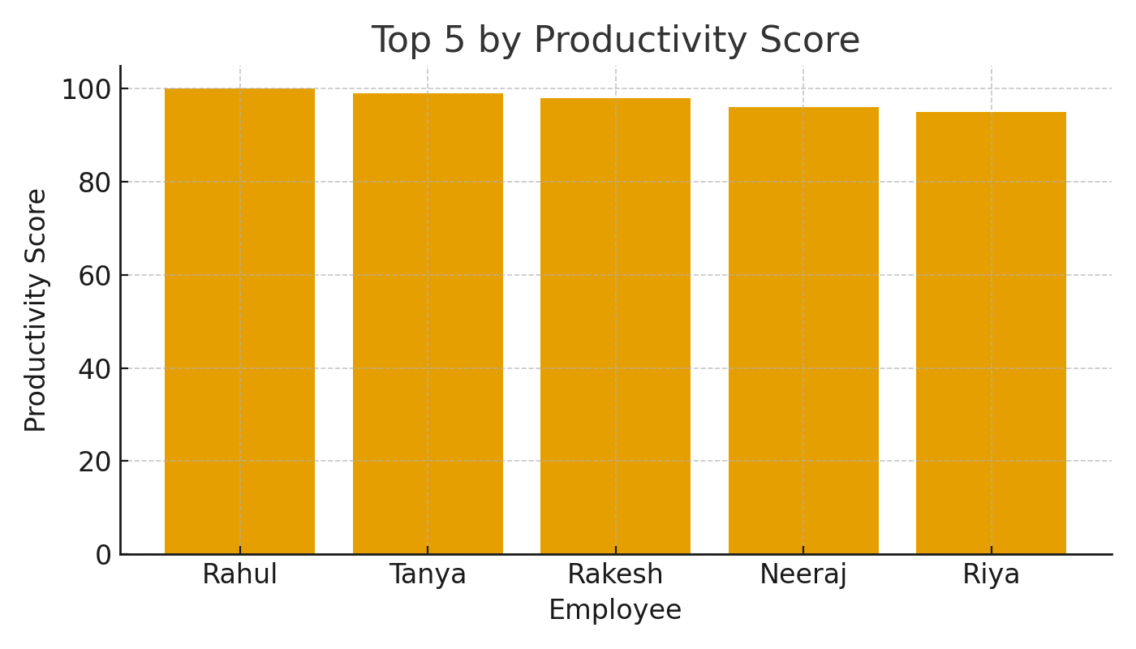
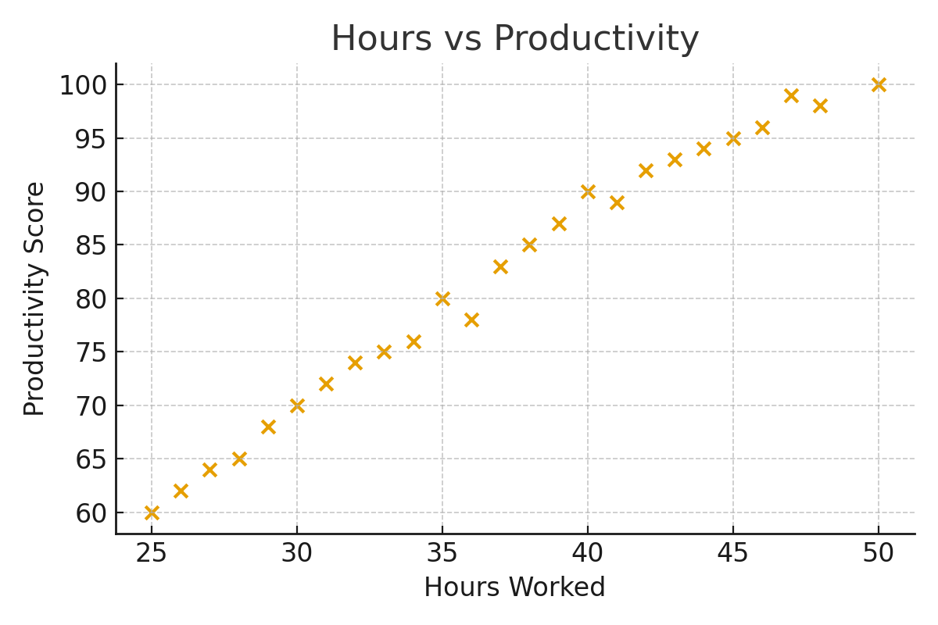
Metric | Value
Average Hours Worked | 37.04
Hours vs Performance Corr | 0.9462
Tasks vs Performance Corr | 0.9575
Hours vs Productivity Corr | 0.9925
Count Employees | 25

