Task-1
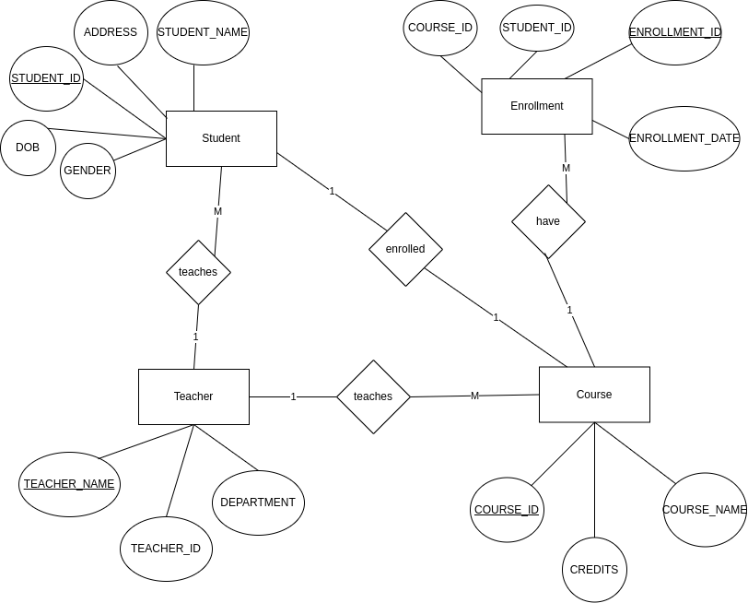
College Management system
Conceptual model
Entities
Stuent | Teachers | Course | Enrollment

LOGICAL MODEL

Student: |  | Teachers: |  | Course: |  | Enrollment:
STUDENT_ID | PRIMARY KEY | TEAHER_ID | PRIMARY KEY | COURSE_ID | PRIMARY KEY | ENROLLMENT_ID | PRIMARY KEY
STUDENT_NAME |  | TEACHER_NAME |  | COURSE_NAME |  | STUDENT_ID | FOREIGN KEY
DOB |  | DEPARTMENT |  | CREDITS |  | COURSE_ID | FOREIGN KEY
GENDER |  |  |  |  |  | ENROLLMENT_DATE
ADDRESS

Relationships:

A Student can be enrolled in many Courses.
A Course can have many Enrollments.
Student enroll with one Course.
A teacher can teach many Courses.

ER Diagram

Norm-2
BIG PATIENT TABLE
VisitNo | VisitDate | PatNo | PatAge | PatCity | ProvNo | ProvSpecialty | Diagnosis
V10020 | 1/13/2007 | P1 | 35 | DENVER | D1 | INTERNIST | EAR INFECTION
V10020 | 1/13/2007 | P1 | 35 | DENVER | D2 | NURSE PRACTIONER | INFLUENZA, EAR INFECTION
V93030 | 1/20/2007 | P3 | 17 | KANSAS | D2 | NURSE PRACTIONER | PREGNANCY
V82110 | 1/18/2007 | P2 | 60 | TEXAS | D3 | CARDIOLOGIST | MURMUR

First Normal Form
VisitNo | VisitDate | PatNo | PatAge | PatCity | ProvNo | ProvSpecialty | Diagnosis
V10020 | 1/13/2007 | P1 | 35 | DENVER | D1 | INTERNIST | EAR INFECTION
V10020 | 1/13/2007 | P1 | 35 | DENVER | D2 | NURSE PRACTIONER | INFLUENZA
V10020 | 1/13/2007 | P1 | 35 | DENVER | D2 | NURSE PRACTIONER | EAR INFECTION
V93030 | 1/20/2007 | P3 | 17 | KANSAS | D2 | NURSE PRACTIONER | PREGNANCY
V82110 | 1/18/2007 | P2 | 60 | TEXAS | D3 | CARDIOLOGIST | MURMUR

Patient Details
PatNo | PatAge | PatCity
P1 | 35 | DENVER
P3 | 17 | KANSAS
P2 | 60 | TEXAS

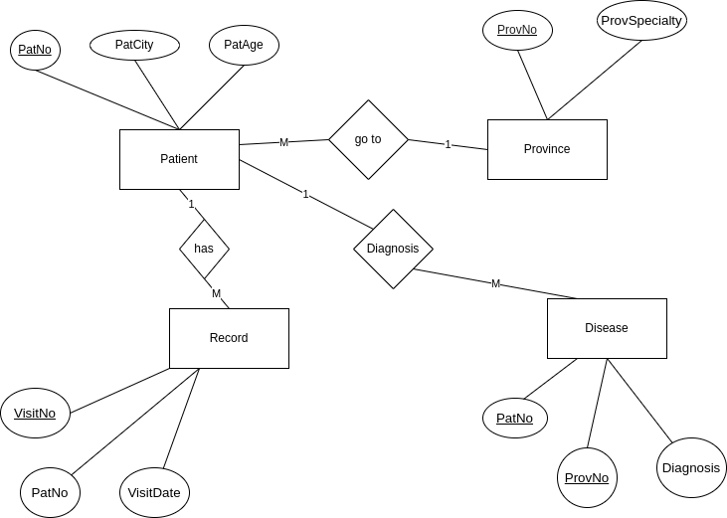
Province Details
ProvNo | ProvSpecialty
D1 | INTERNIST
D2 | NURSE PRACTIONER
D3 | CARDIOLOGIST

Patient Record
VisitNo | PatNo | VisitDate | PatAge | PatCity
V10020 | P1 | 1/13/2007 | 35 | DENVER
V93030 | P3 | 1/20/2007 | 17 | KANSAS
V82110 | P2 | 1/18/2007 | 60 | TEXAS

Patient Disease
PatNo | ProvNo | Diagnosis
P1 | D1 | EAR INFECTION
P1 | D2 | INFLUENZA
P1 | D2 | EAR INFECTION
P3 | D2 | PREGNANCY
P2 | D3 | MURMUR

SECOND AND THIRD NORMAL FORM

Patient Details
PatNo | PatAge | PatCity
P1 | 35 | DENVER
P3 | 17 | KANSAS
P2 | 60 | TEXAS

Province Details
ProvNo | ProvSpecialty
D1 | INTERNIST
D2 | NURSE PRACTIONER
D3 | CARDIOLOGIST

Patient Record
VisitNo | PatNo | VisitDate
V10020 | P1 | 1/13/2007
V93030 | P3 | 1/20/2007
V82110 | P2 | 1/18/2007

Patient Disease
DisNo | PatNo | ProvNo | Diagnosis
PD1 | P1 | D1 | EAR INFECTION
PD2 | P1 | D2 | INFLUENZA
PD3 | P1 | D2 | EAR INFECTION
PD4 | P3 | D2 | PREGNANCY
PD5 | P2 | D3 | MURMUR

