Finance_Dashboard
Finance Dashboard

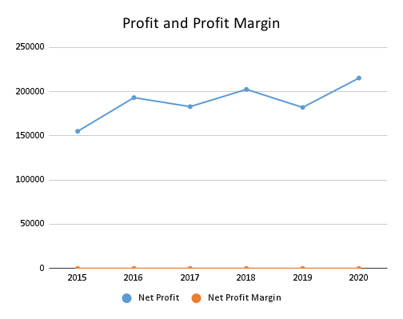
Revenue vs. Year

Expense Breakup
Target vs Achieved

