Results
Activation fn | Hidden_layer_neurons | Test Accuracy | Execution Time | Loss Curve and Accuracy curve | Confusion Matrix
Relu | 256 | 0.9568 | 510.42 |  | 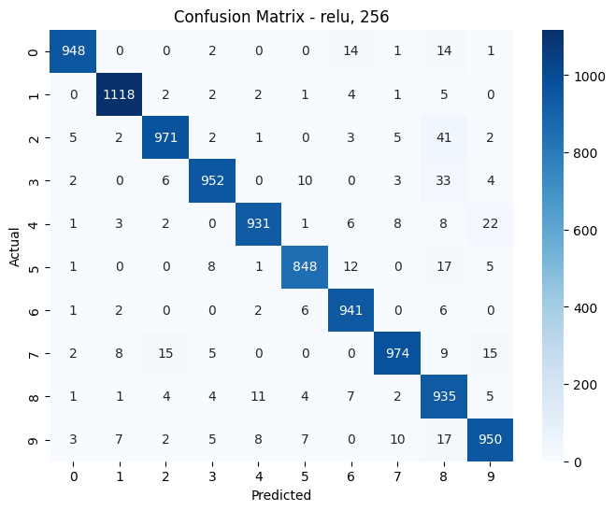
Relu | 128 | 0.955 | 594.41 |  | 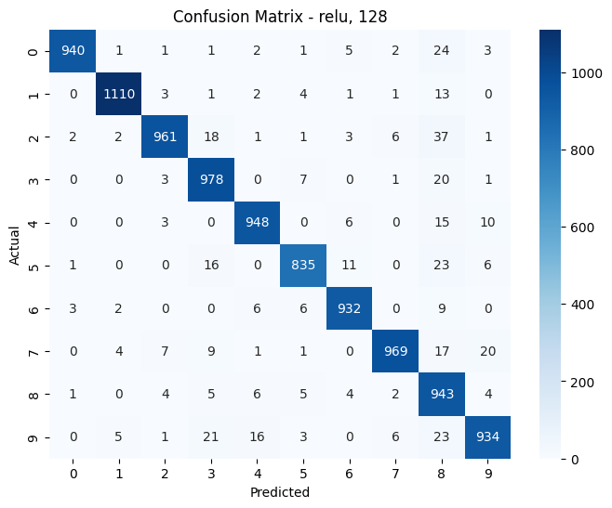
Relu | 64 | 0.949 | 424.43 |  | 
Sigmoid | 256 | 0.9674 | 530.86 |  | 
Sigmoid | 128 | 0.9658 | 445 |  | 
Sigmoid | 64 | 0.9626 | 558.55 |  | 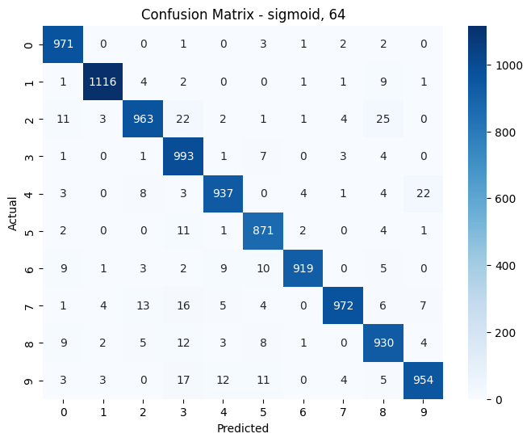
tanh | 256 | 0.9601 | 872.86 |  | 
tanh | 128 | 0.9526 | 698.94 |  | 
tanh | 64 | 0.9554 | 1023.25 |  | 

Curve_10_100
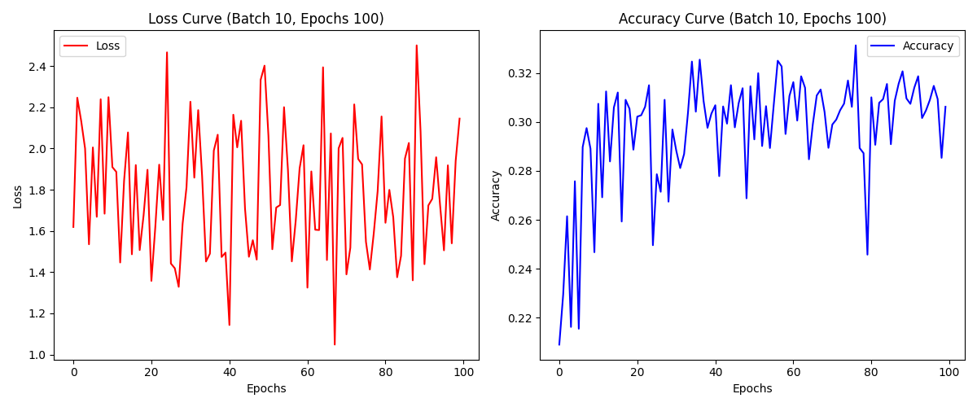

Curve_10_50
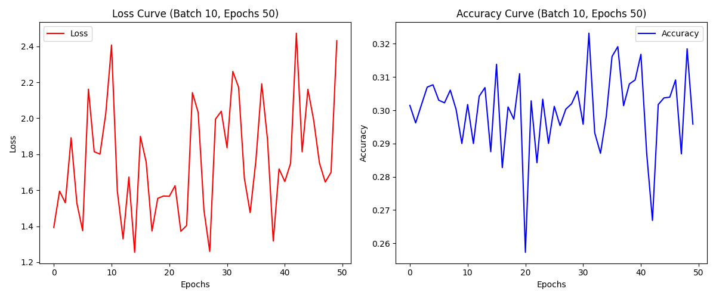

Curve_10_10
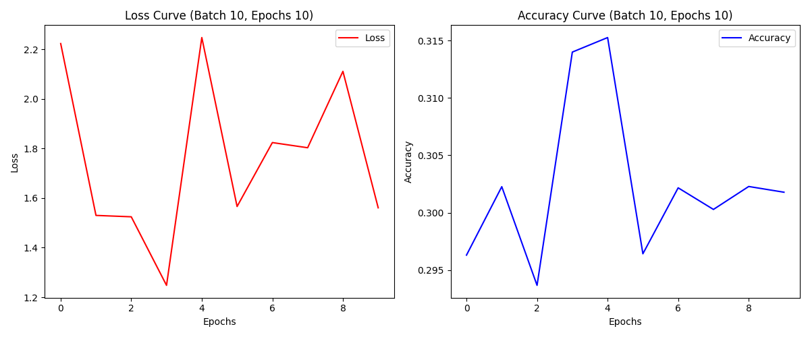

Curve_100_100
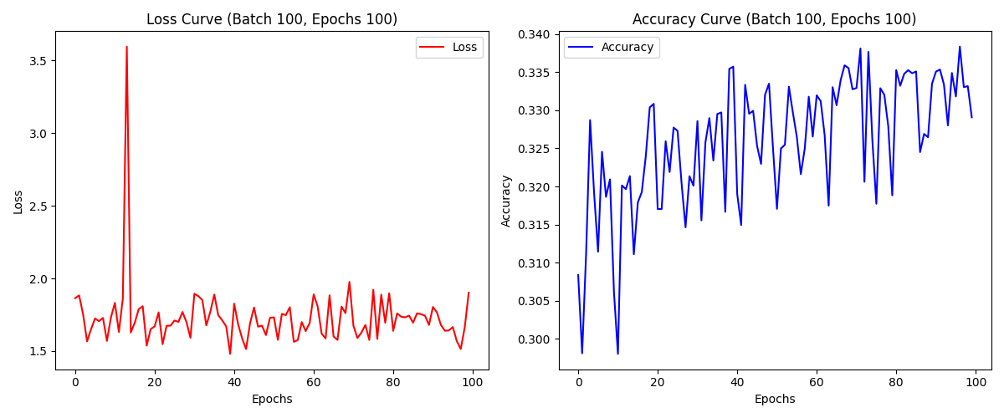

Curve_100_50
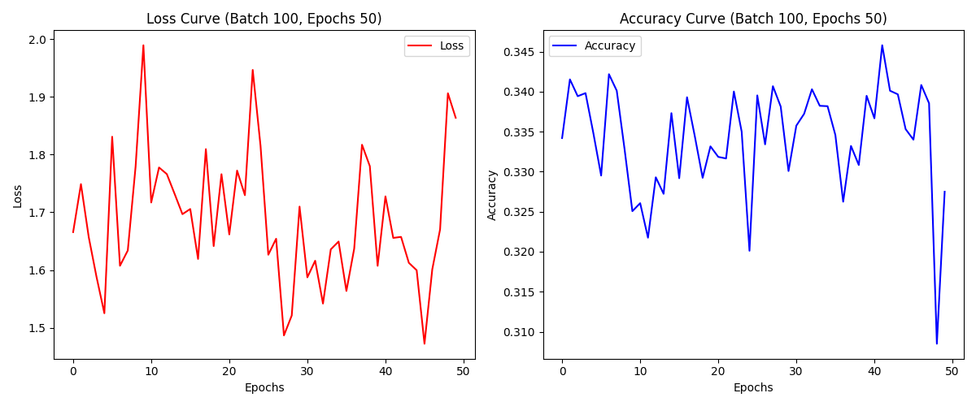

Curve_100_10
